Speed_up
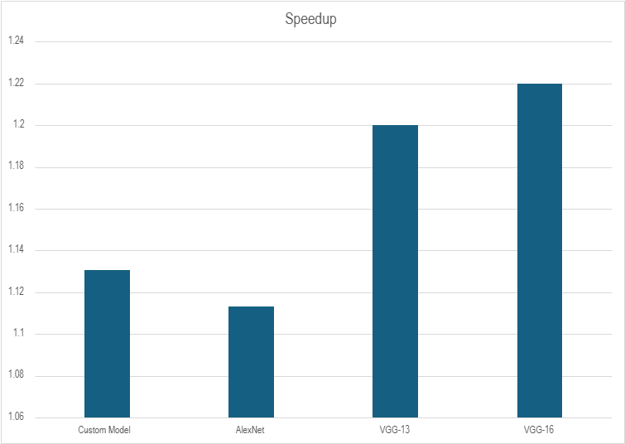
Model | Baseline Time | Mercury Time | Speedup
Custom Model | 49.73027 | 43.98105 | 1.13072039
AlexNet | 78.4859 | 70.4934 | 1.113379409
VGG-13 | 113.9213 | 94.91512 | 1.200243965
VGG-16 | 167.3584 | 137.164 | 1.220133563

Computation_cycles
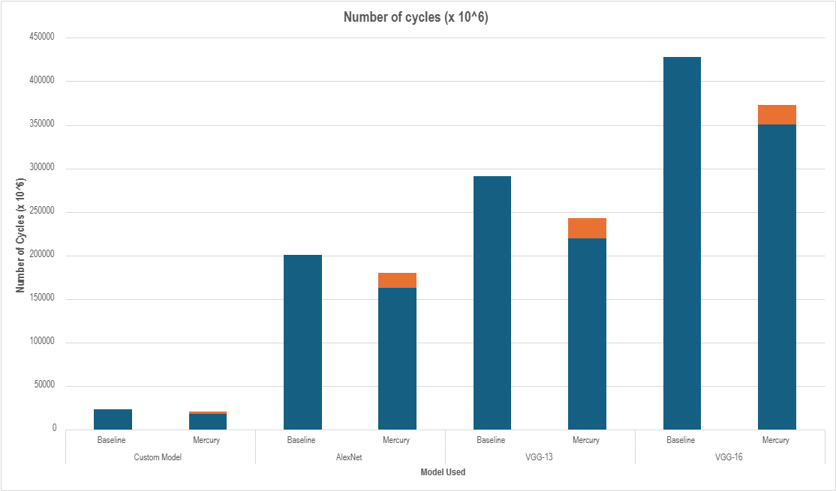
Model_Name | Baseline_Cycles(x 10^6) | MERCURY_convolution_Cycles | RPQ_cycles | Total_MERCURY_Cycles
Custom Model | 22658 | 18207 | 2568 | 20775
AlexNet | 200351 | 162524 | 17587 | 180111
VGG-13 | 291069 | 219615 | 22893 | 242508
VGG-16 | 427601 | 350454 | 22561 | 373015

Adaptivity
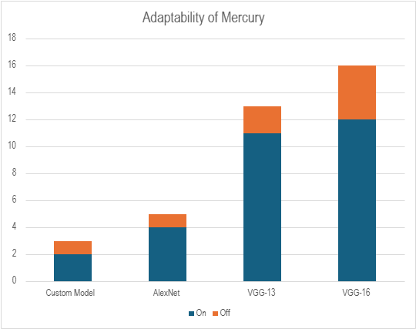
Model Name | On | Off
Custom Model | 2 | 1
AlexNet | 4 | 1
VGG-13 | 11 | 2
VGG-16 | 12 | 4

