Sheet1
Screen Name | 1. Start Screen | 2. Information Screen | 3. Categories | 4. Entrance | 5. The Actual Game | 6. Results
Picture of Screen | 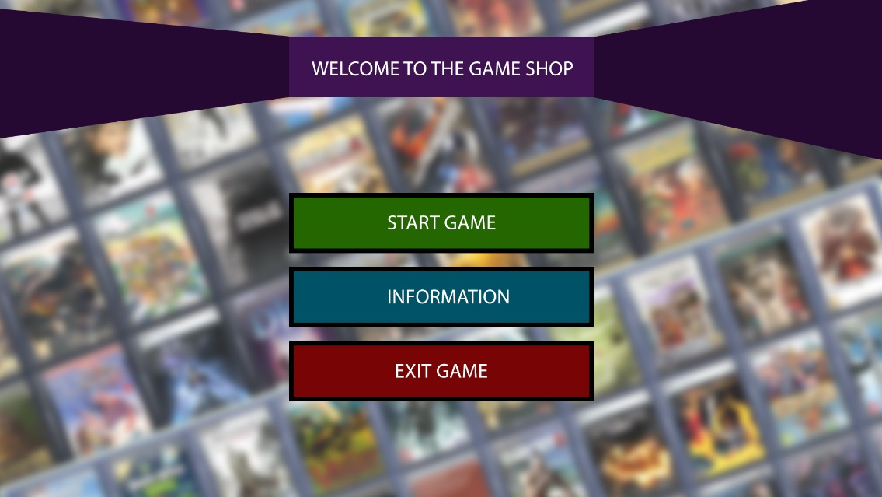 | 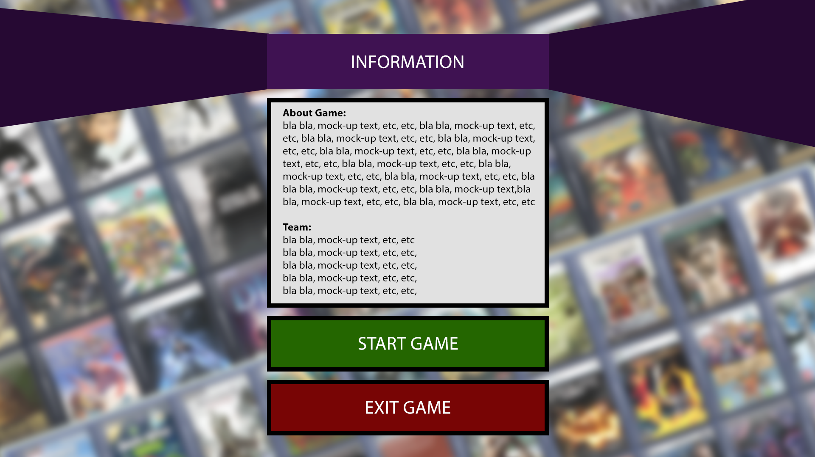 | 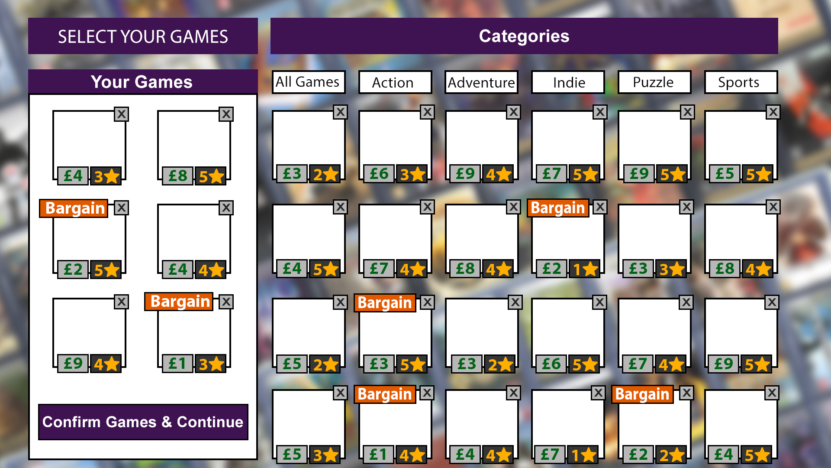 | 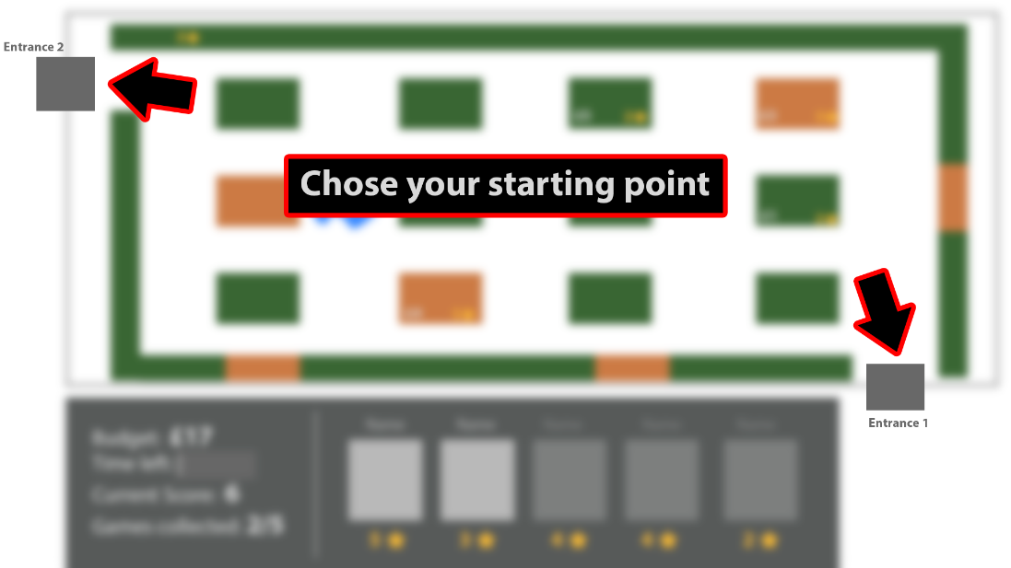 | 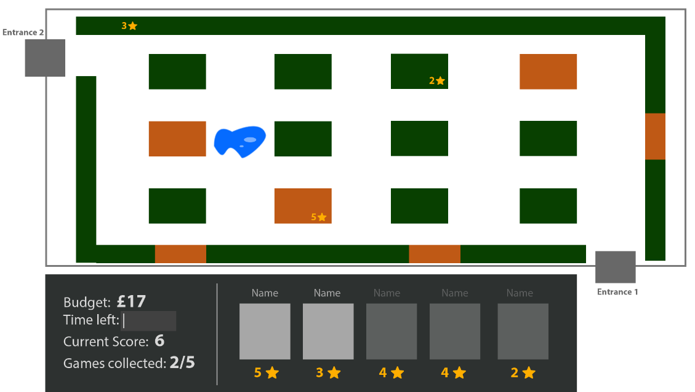 | 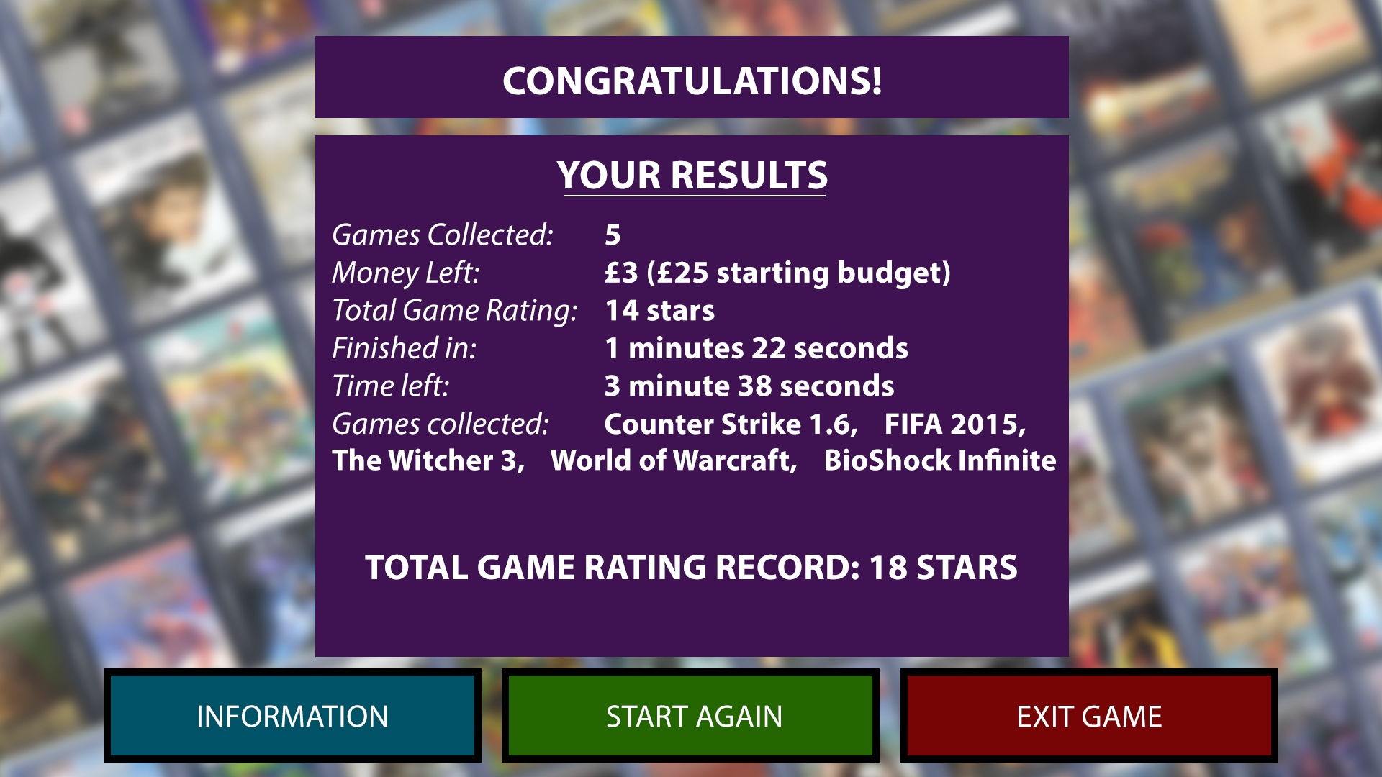
Description | This screen is displayed right after the game is launched. From here the player has 3 options: Start, Information, or Exit. | In this screen the player will see a brief description of the game and some information about the team that worked on developing it. From here the player is left with 2 options: Start or Exit. | The "Start Game" button will take the player to this screen. From here the player is able to select what games he wants to buy - up to a maximum of 6 games. The games can be filtered by different categories. A "bargain" notificaiton will be displayed next to the bargains of the day. After he selects his games, if the player doesn't want to replace any games (X to cancel), he has only one option left: Confirm the games and continue. | In this screen the player has to select one of the 2 entrances from where he wants to begin. | This is the actual game. The player will begin seeking the games he chose in 3rd screen. He will begin from one of the two entrances he chose. The next screen will be displayed after he collects all the games (or runs out of money). | The final results will be displayed here. From here the player has the initial options: Start again (for a new game), Information (if he didn't press it in the beginning) and Exit (quit the game).
Objects | Start button (advance to next screen), Information button (screen 2 will be displayed), Exit button (the game will close) | Start button, Exit button | Confirm Games & Continue button - takes the player to the next screen. Categories - filter the games. Games - select to add to your shopping list. | Entrance 1 and Entrance 2. The player will enter the shop from the desired entrance. | Shop - contains shelfes with games. Stats screen: budget, time left, current score, games collected. | The initial 3 buttons: Information, Start and Exit
Design | As a background we chose to use a blurry image of multiple games. The buttons' colours are representative: Green to begin an option, Red to terminate an action and Blue for information. | Similar to the previous screen, one more box added for the description of the game and the developers. | The player should understand from the design which elements are clickable: games to add them to your list, X to cancel a game, Categories to filter games. We used specific colours, green for money, yellow for stars (rating). | Straight forward design. Points the player the options he has. | The player has his main statistics panel where he can check live how he's doing. | Simple design. Same colours for the buttons, one more window to display the final stats.
Notes to developers | Giedre knows.
Technologies used: | Python for programming, Photoshop for screen design, Trello for organising & tasks

