Table 1

Selected Acquisition Report (SAR)
RCS: DD-A&T(Q&A)823-374

Littoral Combat Ship (LCS)
As of FY 2017 President's Budget
Defense Acquisition Management Information Retrieval
(DAMIR)

Table 10
Schedule
Schedule Events
Events | SAR Baseline Development Estimate | Current APB Development Objective/Threshold |  | Current Estimate
Milestone A/Program Initiation | May 2004 | May 2004 | May 2004 | May 2004
Final Design and Construction Contract Award | May 2004 | May 2004 | May 2004 | May 2004
Lead Ship Award | Dec 2004 | Dec 2004 | Dec 2004 | Dec 2004
First Ship Delivery | Sep 2008 | Sep 2008 | Sep 2008 | Sep 2008
FY 2010 Contract Award | Dec 2010 | Dec 2010 | Jun 2011 | Dec 2010
Milestone B | Feb 2011 | Feb 2011 | Aug 2011 | Feb 2011
Milestone C | Jan 2012 | Jan 2012 | Jul 2012 | Jan 2012
Initial Operational Capability | Jan 2014 | Jan 2014 | Jul 2014 | Apr 2014
IOT&E LCS 1 with one Mission Package | Dec 2013 | Dec 2013 | Jun 2014 | Apr 2014
IOT&E LCS 2 with one Mission Package | Dec 2013 | Dec 2013 | Jun 2014 | Oct 20151
IOC LCS 2 | Jan 2014 | Jan 2014 | Jul 2014 | Oct 20151
1 APB Breach
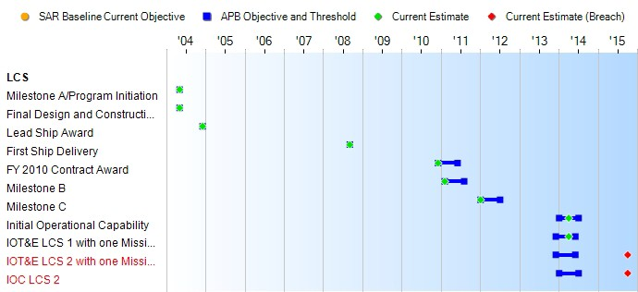
(Ch-1)
(Ch-2)
Change Explanations
(Ch-1) IOT&E LCS 2 with one Mission Package changed from August 2015, as previously reported, to October 2015 to reflect the completion of IOT&E for the LCS 2 (INDEPENDENCE) variant in support of declaration of IOC.
(Ch-2) IOC LCS 2 changed from September 2015, as previously reported, to October 2015 to reflect the completion of IOT&E for the LCS 2 (INDEPENCENCE) variant in support of declaration of IOC.

Table 35
Unit Cost History
Item |  |  |  |  | Date |  |  | BY 2010 $M |  |  |  |  |  |  |  | TY $M
 |  |  |  |  |  |  |  | PAUC |  |  |  | APUC |  |  |  | PAUC |  |  | APUC

Original APB |  |  | Apr 2011 |  |  |  |  | 582.018 |  |  |  |  | 535.268 |  |  |  | 680.705 |  |  | 636.236
APB as of January 2006 |  |  | May 2004 |  |  |  |  | 547.200 |  |  |  |  | 424.450 |  |  |  | 502.925 |  |  | 400.000
Revised Original APB |  |  | N/A |  |  |  |  | N/A |  |  |  |  | N/A |  |  |  | N/A |  |  | N/A
Prior APB |  |  | May 2004 |  |  |  |  | 547.200 |  |  |  |  | 424.450 |  |  |  | 502.925 |  |  | 400.000
Current APB |  |  | Apr 2011 |  |  |  |  | 582.018 |  |  |  |  | 535.268 |  |  |  | 680.705 |  |  | 636.236
Prior Annual SAR |  |  | Dec 2014 |  |  |  |  | 594.162 |  |  |  |  | 521.857 |  |  |  | 682.572 |  |  | 614.487
Current Estimate |  |  | Dec 2015 |  |  |  |  | 597.970 |  |  |  |  | 529.742 |  |  |  | 722.518 |  |  | 657.121
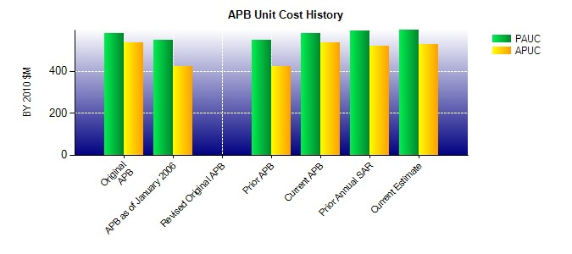
SAR Unit Cost History
Current SAR Baseline to Current Estimate (TY $M)
Initial PAUC Development Estimate | Changes |  |  |  |  |  |  |  |  |  |  |  |  |  |  |  |  | PAUC Current Estimate
 | Econ | Qty |  | Sch |  | Eng |  | Est |  | Oth |  |  |  | Spt | Total
680.705 65.482 4.933 27.698 55.100 -111.400 0.000 0.000 41.813 722.518
Current SAR Baseline to Current Estimate (TY $M)
Initial APUC Development Estimate | Changes |  |  |  |  |  |  |  |  |  |  |  |  |  |  |  |  | APUC Current Estimate
 | Econ | Qty |  |  | Sch |  | Eng |  | Est |  | Oth |  |  | Spt | Total
636.236 68.153 -12.363 32.482 42.826 -110.213 0.000 0.000 20.885 657.121

