Table 1

Selected Acquisition Report (SAR)
RCS: DD-A&T(Q&A)823-437
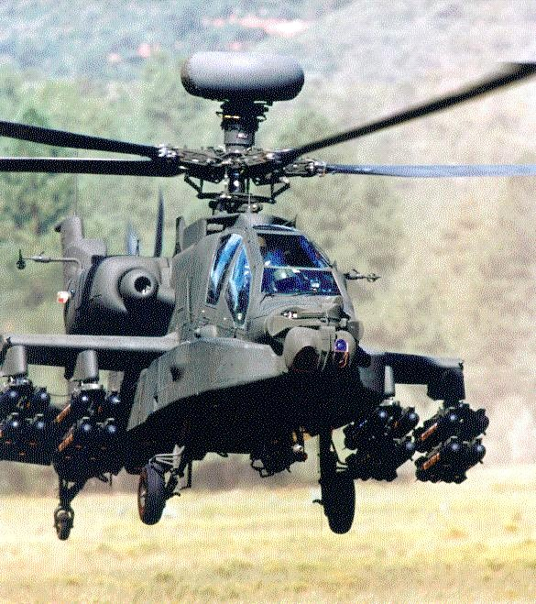
AB3B NEW BUILD
As of December 31, 2011
Defense Acquisition Management Information Retrieval
(DAMIR)

Table 19
Unit Cost History
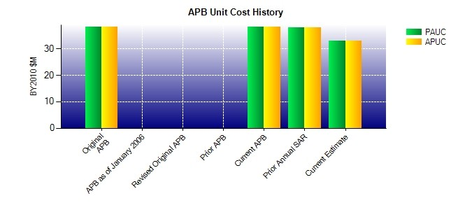
SAR Unit Cost History
Current SAR Baseline to Current Estimate (TY $M)
 |  |  |  |  |  |  | BY2010 $M |  |  |  |  | TY $M
 |  |  | Date |  |  |  | PAUC |  | APUC |  |  | PAUC |  | APUC
Original APB |  |  | DEC 2010 |  |  |  | 38.118 |  | 38.118 |  |  | 41.539 |  | 41.539
APB as of January 2006 |  |  | N/A |  |  |  | N/A |  | N/A |  |  | N/A |  | N/A
Revised Original APB |  |  | N/A |  |  |  | N/A |  | N/A |  |  | N/A |  | N/A
Prior APB |  |  | N/A |  |  |  | N/A |  | N/A |  |  | N/A |  | N/A
Current APB |  |  | DEC 2010 |  |  |  | 38.118 |  | 38.118 |  |  | 41.539 |  | 41.539
Prior Annual SAR |  |  | DEC 2010 |  |  |  | 37.835 |  | 37.835 |  |  | 41.275 |  | 41.275
Current Estimate |  |  | DEC 2011 |  |  |  | 32.864 |  | 32.864 |  |  | 37.169 |  | 37.169
Initial PAUC Prod Est | Changes |  |  |  |  |  |  |  |  |  |  |  | PAUC Current Est
 | Econ | Qty |  | Sch | Eng | Est |  | Oth |  | Spt | Total
44.829 0.610 0.251 0.972 0.000 -9.929 0.000 0.436 -7.660 37.169
Current SAR Baseline to Current Estimate (TY $M)
Initial APUC Prod Est | Changes |  |  |  |  |  |  |  |  |  |  |  | APUC Current Est
 | Econ | Qty |  | Sch | Eng | Est |  | Oth |  | Spt | Total
44.829 0.610 0.251 0.972 0.000 -9.929 0.000 0.436 -7.660 37.169

