Table 1

Selected Acquisition Report (SAR)
RCS: DD-A&T(Q&A)823-560

Joint Primary Aircraft Training System (JPATS)
As of December 31, 2012
Defense Acquisition Management Information Retrieval
(DAMIR)

Table 8
Schedule

Milestones | SAR Baseline Prod Est | Current APB Production Objective/Threshold |  | Current Estimate
Milestone 0/I | JAN 1993 | JAN 1993 | JUL 1993 | JAN 1993
Milestone II | AUG 1995 | AUG 1995 | AUG 1995 | AUG 1995
Aircraft Critical Design Review (CDR) | JUN 1996 | JUN 1996 | DEC 1996 | NOV 1996
Start MOT&E | APR 2000 | APR 2000 | OCT 2000 | JUN 2000
Milestone III | NOV 2001 | NOV 2001 | MAY 2002 | DEC 2001
AF Req'd Asset Availability | JUN 2002 | JUN 2002 | DEC 2002 | JUN 2002
Navy Req'd Asset Availability | AUG 2003 | AUG 2003 | FEB 2004 | AUG 2003
Acronyms And Abbreviations
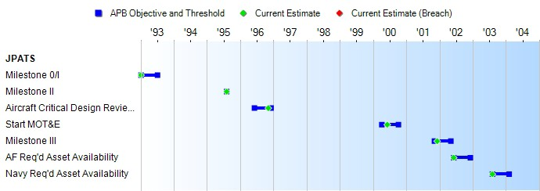
AF - Air Force
MOT&E - Multi-Service Operational Test and Evaluation Req'd - Required
Change Explanations
None

Table 34
Unit Cost History
 |  |  |  |  |  |  |  |  |  |  |  | BY2002 $M |  |  |  |  |  |  | TY $M
 |  |  |  |  | Date |  |  |  |  |  |  | PAUC |  |  | APUC |  |  |  | PAUC |  |  |  | APUC
Original APB |  |  |  |  | AUG 1995 |  |  |  |  |  |  | 4.439 |  |  | 3.861 |  |  |  | 5.689 |  |  |  | 5.068
APB as of January 2006 |  |  |  |  | FEB 2002 |  |  |  |  |  |  | 5.784 |  |  | 5.342 |  |  |  | 6.438 |  |  |  | 6.009
Revised Original APB |  |  |  |  | SEP 2007 |  |  |  |  |  |  | 6.404 |  |  | 5.883 |  |  |  | 7.230 |  |  |  | 6.700
Prior APB |  |  |  |  | FEB 2002 |  |  |  |  |  |  | 5.784 |  |  | 5.342 |  |  |  | 6.438 |  |  |  | 6.009
Current APB |  |  |  |  | SEP 2007 |  |  |  |  |  |  | 6.404 |  |  | 5.883 |  |  |  | 7.230 |  |  |  | 6.700
Prior Annual SAR |  |  |  |  | DEC 2011 |  |  |  |  |  |  | 6.356 |  |  | 5.824 |  |  |  | 7.115 |  |  |  | 6.575
Current Estimate |  |  |  |  | DEC 2012 |  |  |  |  |  |  | 6.286 |  |  | 5.756 |  |  |  | 7.049 |  |  |  | 6.511
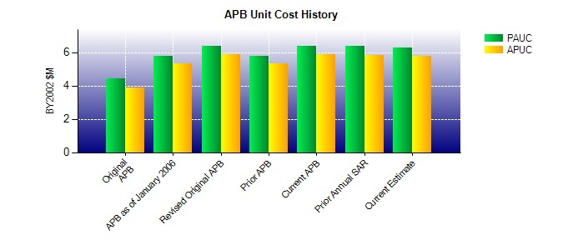
SAR Unit Cost History
Initial SAR Baseline to Current SAR Baseline (TY $M)
Initial PAUC Dev Est | Changes |  |  |  |  |  |  |  |  |  |  |  |  |  |  |  |  |  |  |  |  | PAUC Prod Est
 | Econ |  | Qty |  |  | Sch |  |  | Eng |  | Est |  |  | Oth |  |  | Spt |  |  | Total
5.689 -0.750 -0.035 -0.155 0.000 1.550 0.000 0.139 0.749 6.438
Current SAR Baseline to Current Estimate (TY $M)
PAUC Prod Est |  | Changes |  |  |  |  |  |  |  |  |  |  |  |  |  |  |  |  |  |  | PAUC Current Est
 |  | Econ |  | Qty |  |  | Sch | Eng |  | Est |  |  | Oth |  |  | Spt |  | Total
6.438 0.034 -0.004 0.093 0.564 -0.053 0.068 -0.091 0.611 7.049

