Table 1

Selected Acquisition Report (SAR)
RCS: DD-A&T(Q&A)823-182
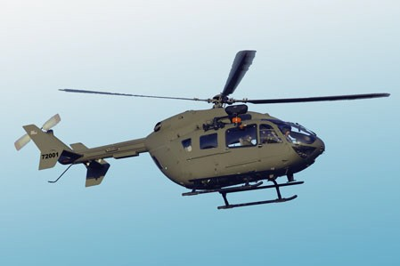
Light Utility Helicopter (LUH)
As of December 31, 2012
Defense Acquisition Management Information Retrieval
(DAMIR)

Table 20
Unit Cost History
 |  |  |  |  |  |  | BY2006 $M |  |  |  |  | TY $M
 |  |  | Date |  |  |  | PAUC |  | APUC |  |  | PAUC |  | APUC
Original APB |  |  | JUN 2006 |  |  |  | 5.088 |  | 5.078 |  |  | 5.848 |  | 5.838
APB as of January 2006 |  |  | N/A |  |  |  | N/A |  | N/A |  |  | N/A |  | N/A
Revised Original APB |  |  | N/A |  |  |  | N/A |  | N/A |  |  | N/A |  | N/A
Prior APB |  |  | JUN 2006 |  |  |  | 5.088 |  | 5.078 |  |  | 5.848 |  | 5.838
Current APB |  |  | AUG 2007 |  |  |  | 5.305 |  | 5.295 |  |  | 6.092 |  | 6.083
Prior Annual SAR |  |  | DEC 2011 |  |  |  | 5.200 |  | 5.190 |  |  | 5.811 |  | 5.802
Current Estimate |  |  | DEC 2012 |  |  |  | 5.165 |  | 5.155 |  |  | 5.744 |  | 5.734
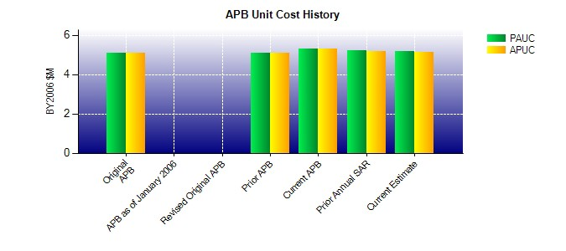
SAR Unit Cost History
Current SAR Baseline to Current Estimate (TY $M)
Initial PAUC Prod Est | Changes |  |  |  |  |  |  |  |  |  |  |  | PAUC Current Est
 | Econ | Qty |  | Sch | Eng | Est |  | Oth |  | Spt | Total
5.848 -0.083 -0.001 -0.053 0.263 -0.298 0.000 0.068 -0.104 5.744

