Table 1

Selected Acquisition Report (SAR)
RCS: DD-A&T(Q&A)823-166
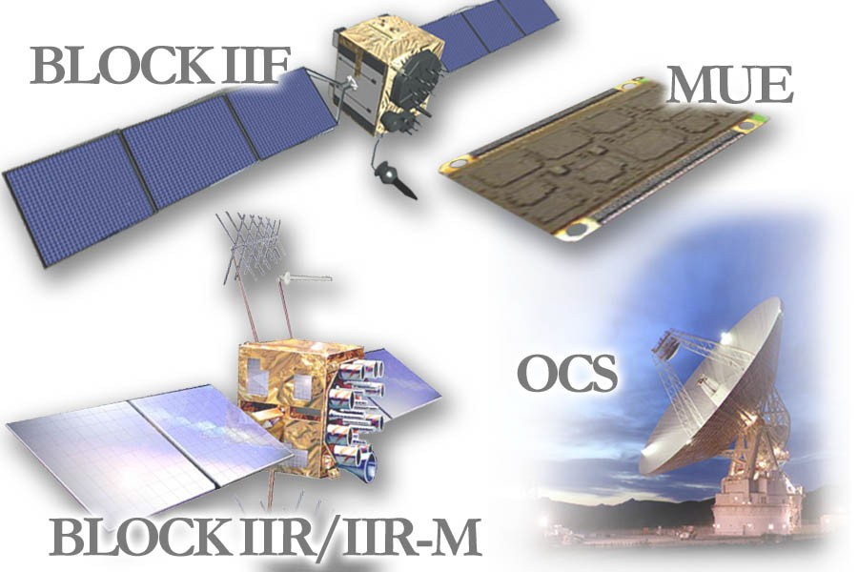
NAVSTAR Global Positioning System (NAVSTAR GPS)
As of December 31, 2012
Defense Acquisition Management Information Retrieval
(DAMIR)

Table 8
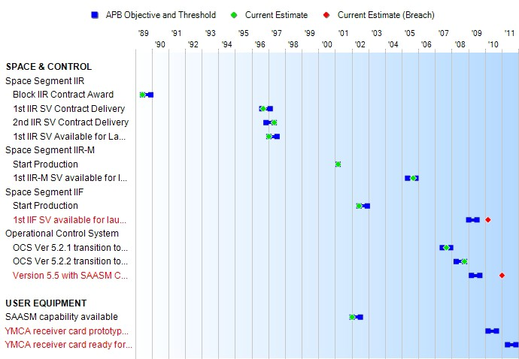
Schedule

Table 35
SPACE & CONTROL
Unit Cost History
 |  |  |  |  |  |  | BY2000 $M |  |  |  |  | TY $M
 |  |  | Date |  |  |  | PAUC |  | APUC |  |  | PAUC |  | APUC
Original APB |  |  | FEB 2002 |  |  |  | 151.988 |  | 98.164 |  |  | 155.179 |  | 99.745
APB as of January 2006 |  |  | FEB 2003 |  |  |  | 150.500 |  | 97.811 |  |  | 154.914 |  | 101.105
Revised Original APB |  |  | N/A |  |  |  | N/A |  | N/A |  |  | N/A |  | N/A
Prior APB |  |  | FEB 2003 |  |  |  | 150.500 |  | 97.811 |  |  | 154.914 |  | 101.105
Current APB |  |  | FEB 2007 |  |  |  | 181.445 |  | 114.200 |  |  | 191.152 |  | 120.539
Prior Annual SAR |  |  | DEC 2011 |  |  |  | 188.079 |  | 123.158 |  |  | 199.436 |  | 131.518
Current Estimate |  |  | DEC 2012 |  |  |  | 187.845 |  | 122.948 |  |  | 199.306 |  | 131.415
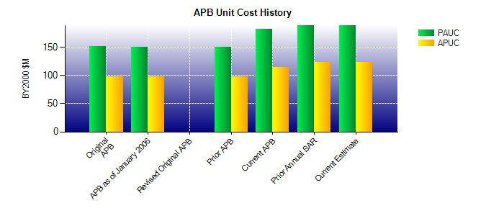
SAR Unit Cost History
Current SAR Baseline to Current Estimate (TY $M)
Initial PAUC Prod Est | Changes |  |  |  |  |  |  |  |  |  |  |  | PAUC Current Est
 | Econ | Qty |  | Sch | Eng | Est |  | Oth |  | Spt | Total
155.179 1.076 -0.070 0.252 13.209 16.936 0.000 12.724 44.127 199.306

Table 38
USER EQUIPMENT
Unit Cost History
 |  |  |  |  |  |  | BY2000 $M |  |  |  |  | TY $M
 |  |  | Date |  |  |  | PAUC |  | APUC |  |  | PAUC |  | APUC
Original APB |  |  | FEB 2002 |  |  |  | N/A |  | N/A |  |  | N/A |  | N/A
APB as of January 2006 |  |  | FEB 2003 |  |  |  | N/A |  | N/A |  |  | N/A |  | N/A
Revised Original APB |  |  | N/A |  |  |  | N/A |  | N/A |  |  | N/A |  | N/A
Prior APB |  |  | FEB 2003 |  |  |  | N/A |  | N/A |  |  | N/A |  | N/A
Current APB |  |  | FEB 2007 |  |  |  | N/A |  | N/A |  |  | N/A |  | N/A
Prior Annual SAR |  |  | DEC 2011 |  |  |  | N/A |  | N/A |  |  | N/A |  | N/A
Current Estimate |  |  | DEC 2012 |  |  |  | N/A |  | N/A |  |  | N/A |  | N/A
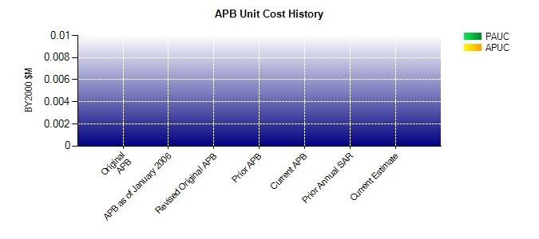
SAR Unit Cost History
Current SAR Baseline to Current Estimate (TY $M)
Initial PAUC Prod Est | Changes |  |  |  |  |  |  |  |  |  |  |  | PAUC Current Est
 | Econ | Qty |  | Sch | Eng | Est |  | Oth |  | Spt | Total
0.000 0.000 0.000 0.000 0.000 0.000 0.000 0.000 0.000 0.000

