Table 1

Selected Acquisition Report (SAR)
RCS: DD-A&T(Q&A)823-239

NPOESS
As of December 31, 2011
Defense Acquisition Management Information Retrieval
(DAMIR)

Table 6
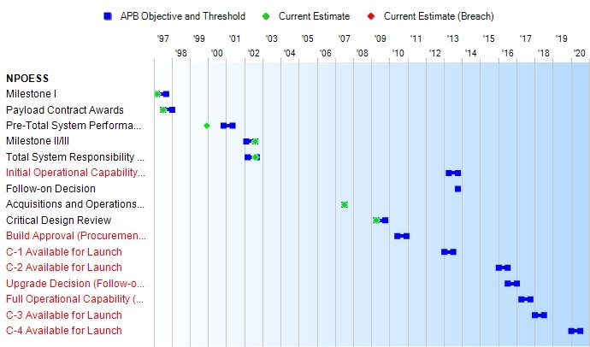
Schedule

Table 19
Unit Cost History
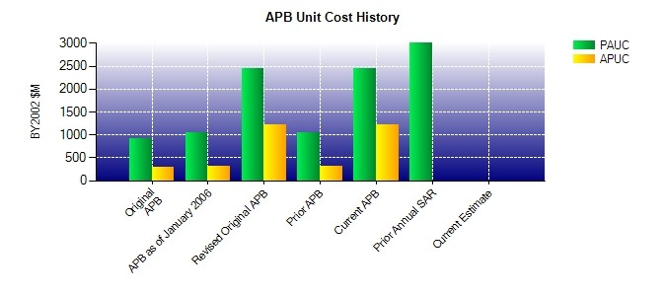
SAR Unit Cost History
Current SAR Baseline to Current Estimate (TY $M)
 |  |  |  |  |  |  | BY2002 $M |  |  |  |  | TY $M
 |  |  | Date |  |  |  | PAUC |  | APUC |  |  | PAUC |  | APUC
Original APB |  |  | AUG 2002 |  |  |  | 923.000 |  | 284.075 |  |  | 1019.600 |  | 338.025
APB as of January 2006 |  |  | JAN 2005 |  |  |  | 1046.083 |  | 312.250 |  |  | 1132.583 |  | 367.050
Revised Original APB |  |  | DEC 2008 |  |  |  | 2448.425 |  | 1223.450 |  |  | 2936.025 |  | 1666.000
Prior APB |  |  | JAN 2005 |  |  |  | 1046.083 |  | 312.250 |  |  | 1132.583 |  | 367.050
Current APB |  |  | DEC 2008 |  |  |  | 2448.425 |  | 1223.450 |  |  | 2936.025 |  | 1666.000
Prior Annual SAR |  |  | DEC 2010 |  |  |  | 3013.150 |  | N/A |  |  | 3651.650 |  | N/A
Current Estimate |  |  | DEC 2011 |  |  |  | N/A |  | N/A |  |  | N/A |  | N/A
Initial PAUC Prod Est | Changes |  |  |  |  |  |  |  |  |  |  |  | PAUC Current Est
 | Econ | Qty |  | Sch | Eng | Est |  | Oth |  | Spt | Total
1019.600 0.000 0.000 0.000 0.000 0.000 0.000 0.000 0.000 0.000
Current SAR Baseline to Current Estimate (TY $M)
Initial APUC Prod Est | Changes |  |  |  |  |  |  |  |  |  |  |  | APUC Current Est
 | Econ | Qty |  | Sch | Eng | Est |  | Oth |  | Spt | Total
338.025 0.000 0.000 0.000 0.000 0.000 0.000 0.000 0.000 0.000

