Table 1

Selected Acquisition Report (SAR)
RCS: DD-A&T(Q&A)823-289
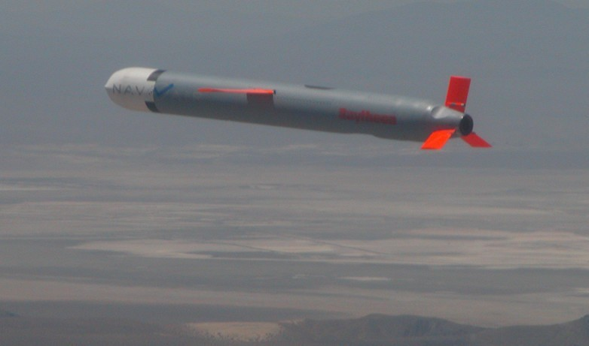
Tactical Tomahawk RGM-109E/UGM 109E Missile (Tactical Tomahawk)
As of December 31, 2012
Defense Acquisition Management Information Retrieval
(DAMIR)

Table 7
Schedule
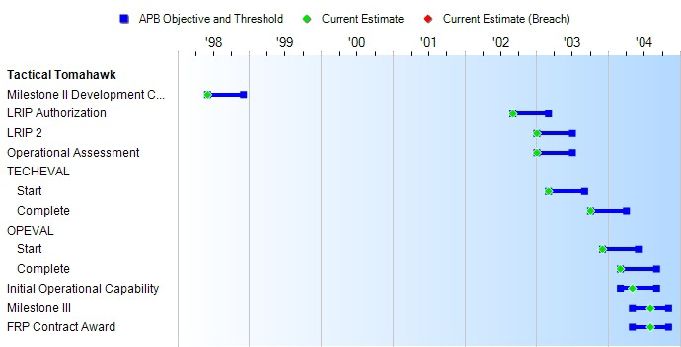

Milestones | SAR Baseline Prod Est | Current APB Production Objective/Threshold |  | Current Estimate
Milestone II Development Contract Award | JUN 1998 | JUN 1998 | DEC 1998 | JUN 1998
LRIP Authorization | SEP 2002 | SEP 2002 | MAR 2003 | SEP 2002
LRIP 2 | JAN 2003 | JAN 2003 | JUL 2003 | JAN 2003
Operational Assessment | JAN 2003 | JAN 2003 | JUL 2003 | JAN 2003
TECHEVAL
Start | MAR 2003 | MAR 2003 | SEP 2003 | MAR 2003
Complete | OCT 2003 | OCT 2003 | APR 2004 | OCT 2003
OPEVAL
Start | DEC 2003 | DEC 2003 | JUN 2004 | DEC 2003
Complete | MAR 2004 | MAR 2004 | SEP 2004 | MAR 2004
Initial Operational Capability | MAR 2004 | MAR 2004 | SEP 2004 | MAY 2004
Milestone III | MAY 2004 | MAY 2004 | NOV 2004 | AUG 2004
FRP Contract Award | MAY 2004 | MAY 2004 | NOV 2004 | AUG 2004

Table 20
Unit Cost History
 |  |  |  |  |  |  |  |  |  |  |  | BY1999 $M |  |  |  |  |  | TY $M
 |  |  |  |  | Date |  |  |  |  |  |  | PAUC |  | APUC |  |  |  | PAUC |  |  | APUC
Original APB |  |  |  |  | SEP 1999 |  |  |  |  |  |  | 1.233 |  | 0.856 |  |  |  | 1.365 |  |  | 0.984
APB as of January 2006 |  |  |  |  | APR 2005 |  |  |  |  |  |  | 1.076 |  | 0.913 |  |  |  | 1.237 |  |  | 1.069
Revised Original APB |  |  |  |  | N/A |  |  |  |  |  |  | N/A |  | N/A |  |  |  | N/A |  |  | N/A
Prior APB |  |  |  |  | APR 2005 |  |  |  |  |  |  | 1.076 |  | 0.913 |  |  |  | 1.237 |  |  | 1.069
Current APB |  |  |  |  | APR 2011 |  |  |  |  |  |  | 1.166 |  | 1.049 |  |  |  | 1.453 |  |  | 1.333
Prior Annual SAR |  |  |  |  | DEC 2011 |  |  |  |  |  |  | 1.153 |  | 1.042 |  |  |  | 1.448 |  |  | 1.334
Current Estimate |  |  |  |  | DEC 2012 |  |  |  |  |  |  | 1.136 |  | 1.024 |  |  |  | 1.433 |  |  | 1.318
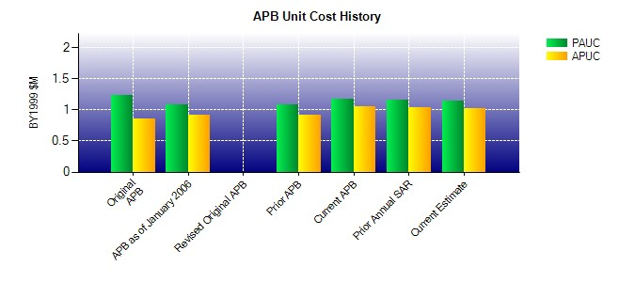
SAR Unit Cost History
Initial SAR Baseline to Current SAR Baseline (TY $M)
Initial PAUC Dev Est | Changes |  |  |  |  |  |  |  |  |  |  |  |  |  |  |  |  |  |  | PAUC Prod Est
 | Econ |  | Qty |  |  | Sch |  | Eng |  | Est |  |  | Oth |  |  | Spt |  | Total
1.365 -0.015 0.324 0.117 0.000 -0.716 0.000 0.104 -0.186 1.179
Current SAR Baseline to Current Estimate (TY $M)
PAUC Prod Est |  | Changes |  |  |  |  |  |  |  |  |  |  |  |  |  |  |  |  | PAUC Current Est
 |  | Econ |  | Qty |  |  | Sch |  | Eng |  | Est |  | Oth |  | Spt |  | Total
1.179 0.030 -0.128 0.071 0.025 0.241 0.000 0.015 0.254 1.433

