Table 1

Selected Acquisition Report (SAR)
RCS: DD-A&T(Q&A)823-350
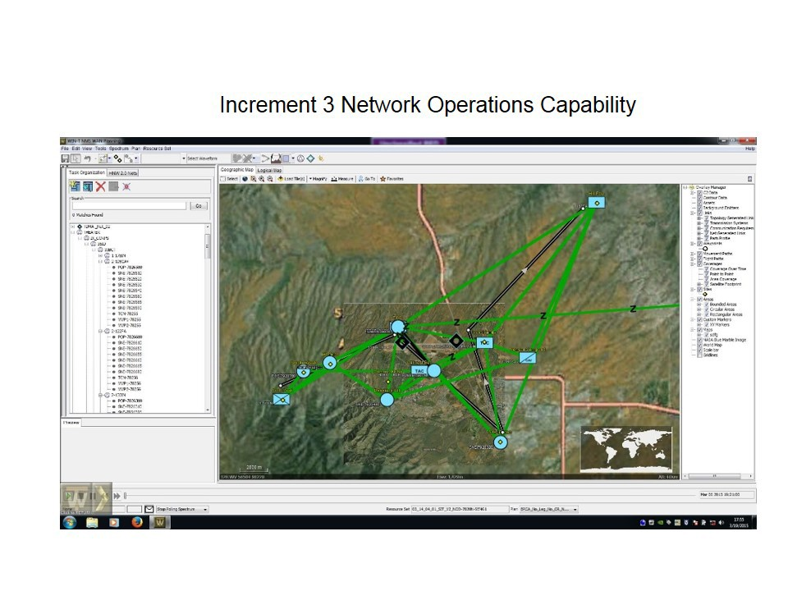
Warfighter Information Network-Tactical Increment 3 (WIN-T Inc 3)
As of FY 2017 President's Budget
Defense Acquisition Management Information Retrieval
(DAMIR)

Table 9
Schedule
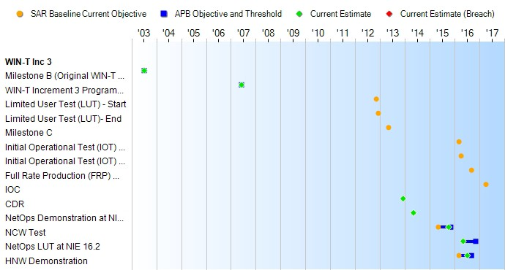
(Ch-1)
Schedule Events
Events | SAR Baseline Development Estimate | Current APB Development Objective/Threshold |  | Current Estimate
Milestone B (Original WIN-T Program) | Jul 2003 | Jul 2003 | Jul 2003 | Jul 2003
WIN-T Increment 3 Program Restructure Certification | Jun 2007 | Jun 2007 | Jun 2007 | Jun 2007
Limited User Test (LUT) - Start | Nov 2012 | N/A | N/A | N/A
Limited User Test (LUT)- End | Dec 2012 | N/A | N/A | N/A
Milestone C | May 2013 | N/A | N/A | N/A
Initial Operational Test (IOT) - Start | Mar 2016 | N/A | N/A | N/A
Initial Operational Test (IOT) - End | Apr 2016 | N/A | N/A | N/A
Full Rate Production (FRP) Decision Review | Sep 2016 | N/A | N/A | N/A
IOC | Apr 2017 | N/A | N/A | N/A
CDR | N/A | Dec 2013 | Dec 2013 | Dec 2013
NetOps Demonstration at NIE 14.2 | N/A | May 2014 | May 2014 | May 2014
NCW Test | N/A | May 2015 | Nov 2015 | Oct 2015
NetOps LUT at NIE 16.2 | N/A | May 2016 | Nov 2016 | May 2016
HNW Demonstration | N/A | Mar 2016 | Sep 2016 | Jul 2016
(Ch-2)

Table 23
Unit Cost History
Item |  |  |  |  | Date |  |  | BY 2009 $M |  |  |  |  | TY $M
 |  |  |  |  |  |  |  | PAUC |  | APUC |  |  | PAUC |  |  | APUC

Original APB |  |  | May 2009 |  |  |  |  | 4.540 |  |  | 3.837 |  |  | 5.403 |  |  | 4.693
APB as of January 2006 |  |  | N/A |  |  |  |  | N/A |  |  | N/A |  |  | N/A |  |  | N/A
Revised Original APB |  |  | N/A |  |  |  |  | N/A |  |  | N/A |  |  | N/A |  |  | N/A
Prior APB |  |  | Oct 2010 |  |  |  |  | 4.177 |  |  | 3.551 |  |  | 5.013 |  |  | 4.382
Current APB |  |  | Sep 2014 |  |  |  |  | N/A |  |  | N/A |  |  | N/A |  |  | N/A
Prior Annual SAR |  |  | Dec 2014 |  |  |  |  | N/A |  |  | N/A |  |  | N/A |  |  | N/A
Current Estimate |  |  | Dec 2015 |  |  |  |  | N/A |  |  | N/A |  |  | N/A |  |  | N/A
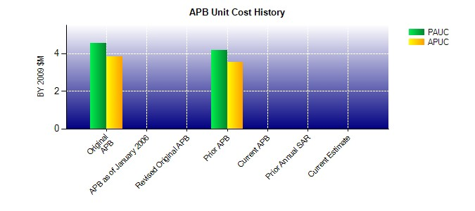
SAR Unit Cost History
Current SAR Baseline to Current Estimate (TY $M)
Initial PAUC Development Estimate | Changes |  |  |  |  |  |  |  |  |  |  |  |  |  | PAUC Current Estimate
 | Econ | Qty |  | Sch |  | Eng | Est |  | Oth | Spt |  | Total
5.403 0.000 0.000 0.000 0.000 0.000 0.000 0.000 0.000 0.000
Current SAR Baseline to Current Estimate (TY $M)
Initial APUC Development Estimate | Changes |  |  |  |  |  |  |  |  |  |  |  |  |  | APUC Current Estimate
 | Econ | Qty |  | Sch |  | Eng | Est |  | Oth | Spt |  | Total
4.693 0.000 0.000 0.000 0.000 0.000 0.000 0.000 0.000 0.000

