Table 1

Selected Acquisition Report (SAR)
RCS: DD-A&T(Q&A)823-456

Next Generation Operational Control System (GPS OCX)
As of FY 2015 President's Budget
Defense Acquisition Management Information Retrieval
(DAMIR)

Table 9
Schedule
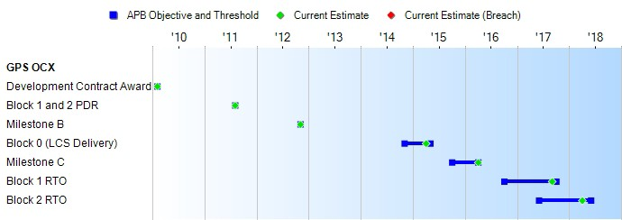
(Ch-1)
(Ch-1)
(Ch-1)
(Ch-1)
Milestones | SAR Baseline Dev Est | Current APB Development Objective/Threshold |  | Current Estimate
Development Contract Award | FEB 2010 | FEB 2010 | FEB 2010 | FEB 2010
Block 1 and 2 PDR | AUG 2011 | AUG 2011 | AUG 2011 | AUG 2011
Milestone B | NOV 2012 | NOV 2012 | NOV 2012 | NOV 2012
Block 0 (LCS Delivery) | NOV 2014 | NOV 2014 | MAY 2015 | APR 2015
Milestone C | OCT 2015 | OCT 2015 | APR 2016 | APR 2016
Block 1 RTO | OCT 2016 | OCT 2016 | OCT 2017 | SEP 2017
Block 2 RTO | JUN 2017 | JUN 2017 | JUN 2018 | APR 2018
Change Explanations
(Ch-1) The current estimate of Block 0 (LCS Delivery) was delayed from November 2014 to April 2015; the current estimate of Milestone C was delayed from October 2015 to April 2016; the current estimate of Block 1 RTO was delayed from October 2016 to September 2017; and the current estimate of Block 2 RTO was delayed from June 2017 to April 2018 due to an increased level of unplanned work and rework. The contractor struggled with incomplete systems engineering during coding, information assurance being more difficult than expected, and challenges with configuration management of test/operational infrastructure. The cumulative effects resulted in changes to the Block 0, 1, 2 and Milestone C estimates.
Memo
RTO will be achieved when the Control Segment can support GPS III SV01-08 and operational Block II satellites, can monitor broadcast GPS navigation signals, and can support NAVWAR mission planning by JSpOC. At RTO, the system is turned over to the operational community.

Table 26
Unit Cost History
 |  |  |  |  |  |  | BY2012 $M |  |  |  |  | TY $M
 |  |  | Date |  |  |  | PAUC |  | APUC |  |  | PAUC |  | APUC
Original APB |  |  | NOV 2012 |  |  |  | 3347.200 |  | N/A |  |  | 3413.000 |  | N/A
APB as of January 2006 |  |  | N/A |  |  |  | N/A |  | N/A |  |  | N/A |  | N/A
Revised Original APB |  |  | N/A |  |  |  | N/A |  | N/A |  |  | N/A |  | N/A
Prior APB |  |  | N/A |  |  |  | N/A |  | N/A |  |  | N/A |  | N/A
Current APB |  |  | NOV 2012 |  |  |  | 3347.200 |  | N/A |  |  | 3413.000 |  | N/A
Prior Annual SAR |  |  | DEC 2012 |  |  |  | 3335.700 |  | N/A |  |  | 3412.400 |  | N/A
Current Estimate |  |  | DEC 2013 |  |  |  | 3341.800 |  | N/A |  |  | 3412.400 |  | N/A
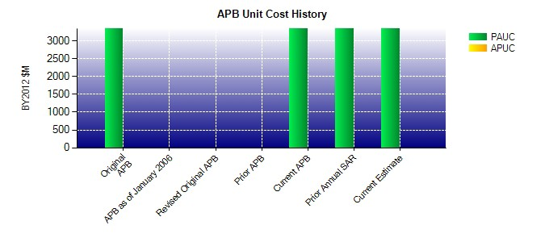
SAR Unit Cost History
Current SAR Baseline to Current Estimate (TY $M)
Initial PAUC Dev Est | Changes |  |  |  |  |  |  |  |  |  |  |  | PAUC Current Est
 | Econ | Qty |  | Sch | Eng | Est |  | Oth |  | Spt | Total
3413.000 -3.200 0.000 0.000 0.000 2.600 0.000 0.000 -0.600 3412.400

