Table 1

Selected Acquisition Report (SAR)
RCS: DD-A&T(Q&A)823-372
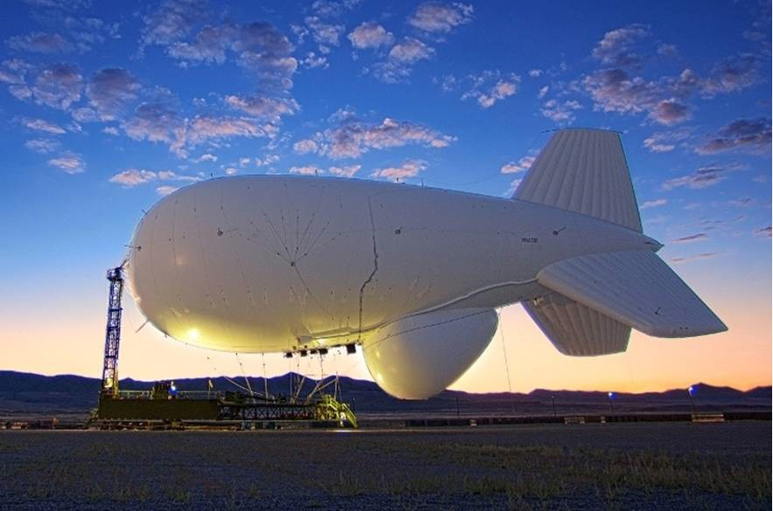
Joint Land Attack Cruise Missile Defense Elevated Netted Sensor System (JLENS)
As of FY 2015 President's Budget
Defense Acquisition Management Information Retrieval
(DAMIR)

Table 9
Schedule
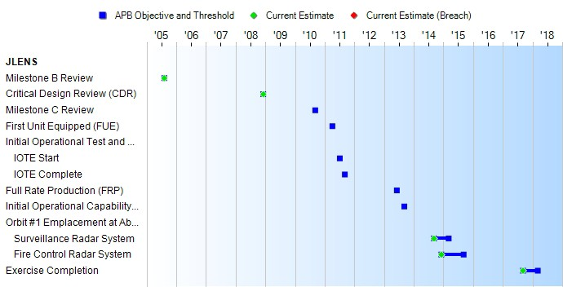
(Ch-1)
Milestones | SAR Baseline Dev Est | Current APB Development Objective/Threshold |  | Current Estimate
Milestone B Review | AUG 2005 | AUG 2005 | AUG 2005 | AUG 2005
Critical Design Review (CDR) | SEP 2008 | DEC 2008 | DEC 2008 | DEC 2008
Milestone C Review | SEP 2010 | N/A | N/A | N/A
First Unit Equipped (FUE) | APR 2011 | N/A | N/A | N/A
Initial Operational Test and Evaluation (IOTE)
IOTE Start | JUL 2011 | N/A | N/A | N/A
IOTE Complete | SEP 2011 | N/A | N/A | N/A
Full Rate Production (FRP) | JUN 2013 | N/A | N/A | N/A
Initial Operational Capability (IOC) | SEP 2013 | N/A | N/A | N/A
Orbit #1 Emplacement at Aberdeen Proving Grounds, Maryland
Surveillance Radar System | N/A | SEP 2014 | MAR 2015 | SEP 2014
Fire Control Radar System | N/A | DEC 2014 | SEP 2015 | DEC 2014
Exercise Completion | N/A | SEP 2017 | MAR 2018 | SEP 2017
(Ch-1)
(Ch-1)
(Ch-1)

Table 24
Unit Cost History
 |  |  |  |  |  |  | BY2005 $M |  |  |  | TY $M
 |  |  | Date |  |  |  | PAUC |  | APUC |  | PAUC |  | APUC
Original APB |  |  | AUG 2005 |  |  |  | 365.625 |  | 287.643 |  | 446.938 |  | 366.143
APB as of January 2006 |  |  | AUG 2005 |  |  |  | 365.625 |  | 287.643 |  | 446.938 |  | 366.143
Revised Original APB |  |  | N/A |  |  |  | N/A |  | N/A |  | N/A |  | N/A
Prior APB |  |  | AUG 2005 |  |  |  | 365.625 |  | 287.643 |  | 446.938 |  | 366.143
Current APB |  |  | AUG 2013 |  |  |  | 1142.650 |  | N/A |  | 1301.200 |  | N/A
Prior Annual SAR |  |  | DEC 2012 |  |  |  | 1160.700 |  | N/A |  | 1322.900 |  | N/A
Current Estimate |  |  | DEC 2013 |  |  |  | 1141.950 |  | N/A |  | 1297.350 |  | N/A
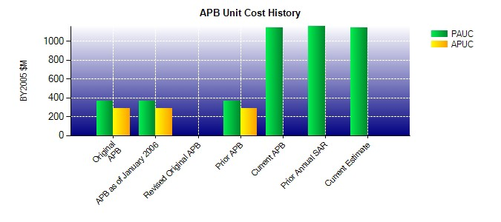
SAR Unit Cost History
Current SAR Baseline to Current Estimate (TY $M)
Initial PAUC Dev Est | Changes |  |  |  |  |  |  |  |  |  |  | PAUC Current Est
 | Econ | Qty |  | Sch | Eng | Est |  | Oth | Spt | Total
446.938 -3.600 1239.112 31.600 -1.050 -41.150 0.000 -374.500 850.412 1297.350

