Table 1

Selected Acquisition Report (SAR)
RCS: DD-A&T(Q&A)823-282
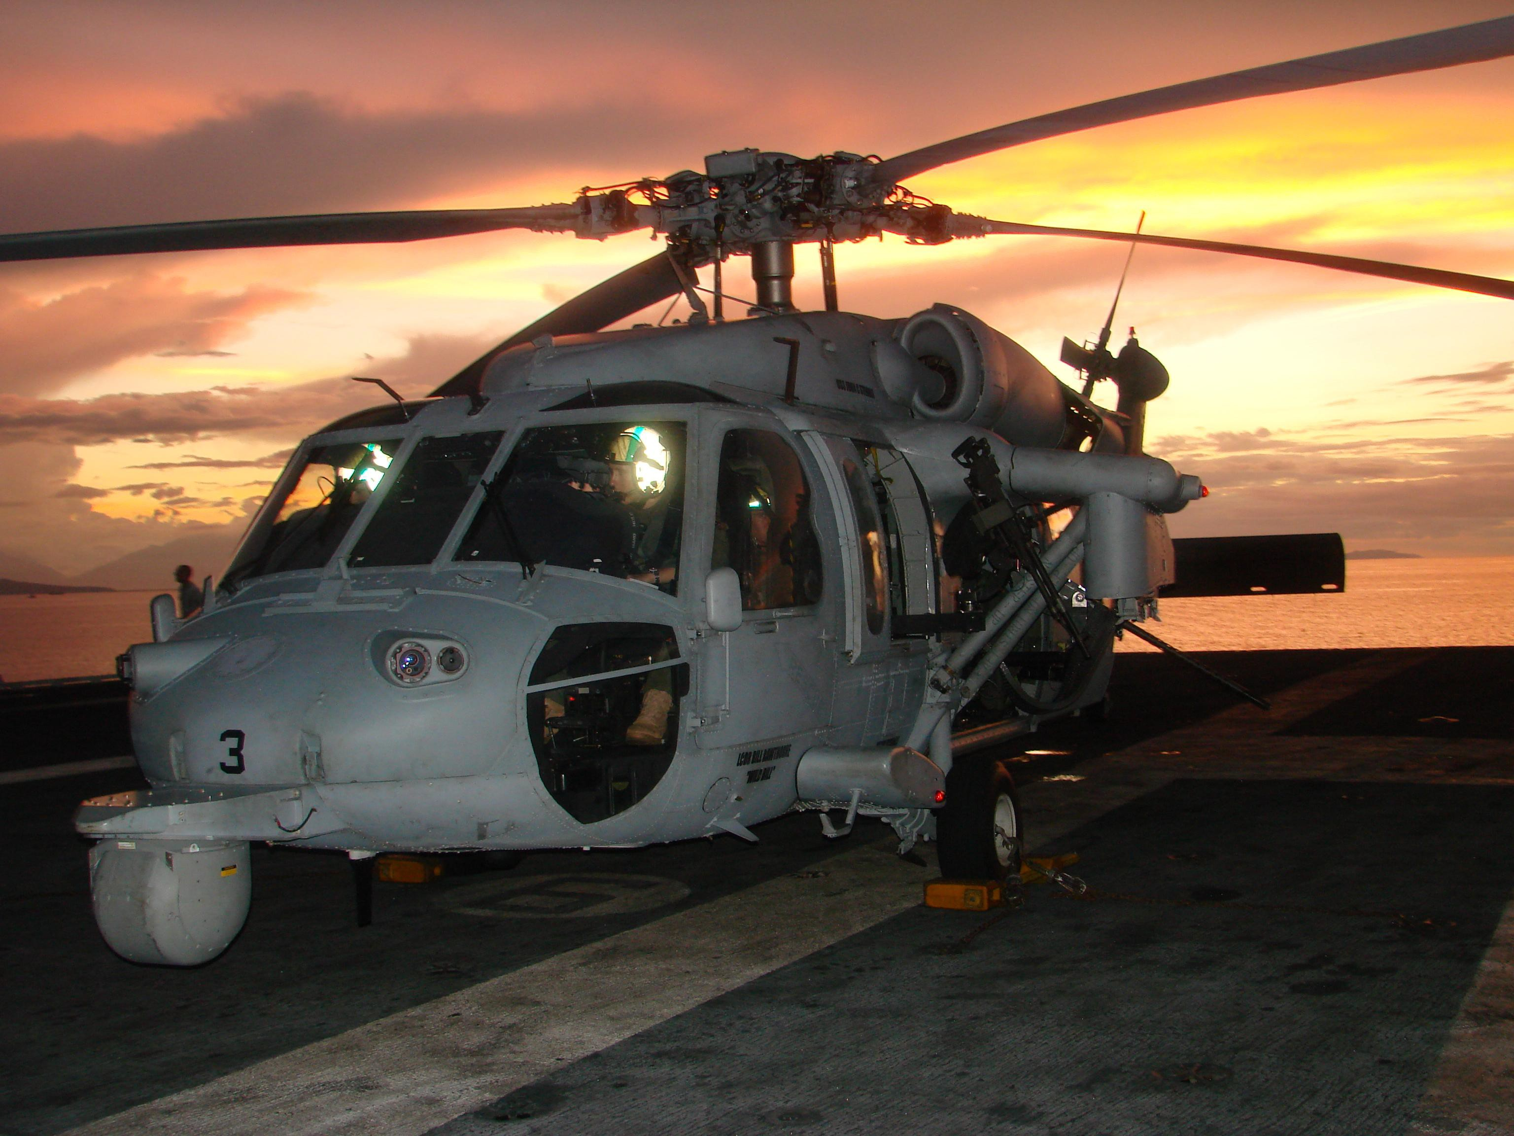
MH-60S Fleet Combat Support Helicopter (MH-60S)
As of FY 2015 President's Budget
Defense Acquisition Management Information Retrieval
(DAMIR)
 | Table of Contents
Common Acronyms and Abbreviations |  | 3
Program Information |  | 4
Responsible Office |  | 4
References |  | 4
Mission and Description |  | 5
Executive Summary |  | 6
Threshold Breaches |  | 7
Schedule |  | 8
Performance |  | 10
Track to Budget |  | 13
Cost and Funding |  | 14
Low Rate Initial Production |  | 21
Foreign Military Sales |  | 22
Nuclear Costs |  | 22
Unit Cost |  | 23
Cost Variance |  | 26
Contracts |  | 29
Deliveries and Expenditures |  | 31
Operating and Support Cost |  | 32
Common Acronyms and Abbreviations
Acq O&M - Acquisition-Related Operations and Maintenance APB - Acquisition Program Baseline
APPN - Appropriation
APUC - Average Procurement Unit Cost BA - Budget Authority/Budget Activity
BY - Base Year
DAMIR - Defense Acquisition Management Information Retrieval Dev Est - Development Estimate
DoD - Department of Defense DSN - Defense Switched Network Econ - Economic
Eng - Engineering Est - Estimating
FMS - Foreign Military Sales FY - Fiscal Year
IOC - Initial Operational Capability
$K - Thousands of Dollars
LRIP - Low Rate Initial Production
$M - Millions of Dollars MILCON - Military Construction N/A - Not Applicable
O&S - Operating and Support Oth - Other
PAUC - Program Acquisition Unit Cost PB - President’s Budget
PE - Program Element Proc - Procurement
Prod Est - Production Estimate QR - Quantity Related
Qty - Quantity
RDT&E - Research, Development, Test, and Evaluation SAR - Selected Acquisition Report
Sch - Schedule Spt - Support
TBD - To Be Determined TY - Then Year
UCR - Unit Cost Reporting

Table 3
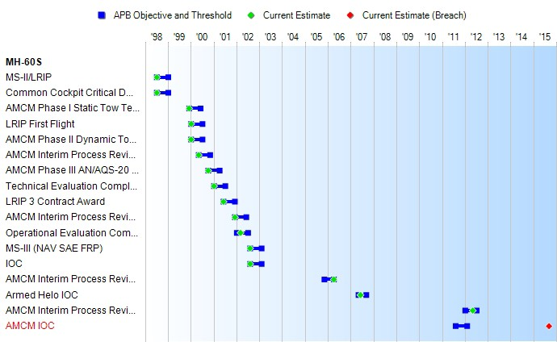
Milestones | SAR Baseline Prod Est | Current APB Production Objective/Threshold |  | Current Estimate
MS-II/LRIP | JUL 1998 | JUL 1998 | JAN 1999 | JUL 1998
Common Cockpit Critical Design Review | JUL 1998 | JUL 1998 | JAN 1999 | JUL 1998
AMCM Phase l Static Tow Test and OEI Test | DEC 1999 | DEC 1999 | JUN 2000 | DEC 1999
LRIP First Flight | JAN 2000 | JAN 2000 | JUL 2000 | JAN 2000
AMCM Phase II Dynamic Tow Test | JAN 2000 | JAN 2000 | JUL 2000 | JAN 2000
AMCM Interim Process Review I | MAY 2000 | MAY 2000 | NOV 2000 | MAY 2000
AMCM Phase III AN/AQS-20 Tow Demonstration | OCT 2000 | OCT 2000 | APR 2001 | OCT 2000
Technical Evaluation Complete | JAN 2001 | JAN 2001 | JUL 2001 | JAN 2001
LRIP 3 Contract Award | JUN 2001 | JUN 2001 | DEC 2001 | JUN 2001
AMCM Interim Process Review II | DEC 2001 | DEC 2001 | JUN 2002 | DEC 2001
Operational Evaluation Complete | JAN 2002 | JAN 2002 | JUL 2002 | MAR 2002
MS-III (NAV SAE FRP) | AUG 2002 | AUG 2002 | FEB 2003 | AUG 2002
IOC | AUG 2002 | AUG 2002 | FEB 2003 | AUG 2002
AMCM Interim Process Review III | APR 2005 | NOV 2005 | APR 2006 | APR 2006
Armed Helo IOC | MAR 2006 | MAY 2007 | SEP 2007 | JUN 2007
AMCM Interim Process Review IV | N/A | JAN 2012 | JUL 2012 | MAY 2012
AMCM IOC | JUN 2005 | AUG 2011 | FEB 2012 | SEP 2015 1
1APB Breach
(Ch-1)
Change Explanations
(Ch-1) The Current estimate for AMCM IOC has changed from Oct 2014 to Sep 2015. This will align AMCM IOC with the LCS Mine Countermeasures Mission Package IOT&E and subsequent IOC, as driven by the LCS Test and Evaluation Master Plan.
Acronyms and Abbreviations
AMCM - Airborne Mine Countermeasure AN/AQS-20A - Sonar Mine Detection Set IOT&E - Initial Operational Test and Evaluation LCS - Littoral Combat Ship
MS - Milestone
NAV SAE FRP - Navy Service Acquisition Executive Full Rate Production OEI - One Engine Inoperative

Table 16
Unit Cost History
 |  |  |  |  |  |  | BY1998 $M |  |  |  | TY $M
 |  |  | Date |  |  |  | PAUC |  | APUC |  | PAUC |  |  | APUC
Original APB |  |  | JUL 1998 |  |  |  | 16.681 |  | 16.352 |  | 19.567 |  |  | 19.334
APB as of January 2006 |  |  | MAY 2005 |  |  |  | 24.369 |  | 22.369 |  | 28.489 |  |  | 26.328
Revised Original APB |  |  | N/A |  |  |  | N/A |  | N/A |  | N/A |  |  | N/A
Prior APB |  |  | DEC 2008 |  |  |  | 24.369 |  | 22.369 |  | 28.489 |  |  | 26.328
Current APB |  |  | NOV 2010 |  |  |  | 24.711 |  | 22.369 |  | 28.999 |  |  | 26.328
Prior Annual SAR |  |  | DEC 2012 |  |  |  | 23.816 |  | 21.325 |  | 28.697 |  |  | 25.807
Current Estimate |  |  | DEC 2013 |  |  |  | 23.533 |  | 21.081 |  | 28.234 |  |  | 25.401
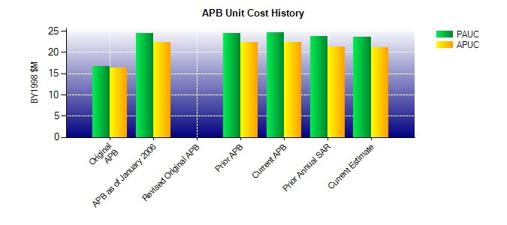
SAR Unit Cost History
Initial SAR Baseline to Current SAR Baseline (TY $M)
Initial PAUC Dev Est | Changes |  |  |  |  |  |  |  |  |  |  |  | PAUC Prod Est
 | Econ | Qty |  | Sch | Eng | Est |  | Oth |  | Spt |  | Total
19.000 -0.766 -0.164 -0.001 2.211 3.739 0.000 1.693 6.712 25.712

