Table 1

Selected Acquisition Report (SAR)
RCS: DD-A&T(Q&A)823-253
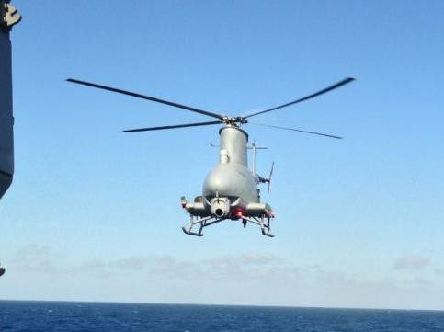
MQ-8 Vertical Takeoff and Landing Tactical Unmanned Aerial Vehicle Fire Scout (VTUAV)
As of FY 2015 President's Budget
Defense Acquisition Management Information Retrieval
(DAMIR)

Table 29
Unit Cost History
 |  |  |  |  |  |  |  |  |  |  | BY2006 $M |  |  |  |  |  |  | TY $M
 |  |  |  |  | Date |  |  |  |  |  | PAUC |  |  | APUC |  |  |  | PAUC |  |  | APUC
Original APB |  |  |  |  | DEC 2006 |  |  |  |  |  | 13.369 |  |  | 9.062 |  |  |  | 15.746 |  |  | 10.842
APB as of January 2006 |  |  |  |  | N/A |  |  |  |  |  | N/A |  |  | N/A |  |  |  | N/A |  |  | N/A
Revised Original APB |  |  |  |  | N/A |  |  |  |  |  | N/A |  |  | N/A |  |  |  | N/A |  |  | N/A
Prior APB |  |  |  |  | FEB 2009 |  |  |  |  |  | 13.369 |  |  | 9.062 |  |  |  | 15.746 |  |  | 10.842
Current APB |  |  |  |  | JUN 2011 |  |  |  |  |  | 13.520 |  |  | 10.410 |  |  |  | 16.231 |  |  | 13.251
Prior Annual SAR |  |  |  |  | DEC 2012 |  |  |  |  |  | 13.820 |  |  | 10.751 |  |  |  | 18.039 |  |  | 15.163
Current Estimate |  |  |  |  | DEC 2013 |  |  |  |  |  | 20.752 |  |  | 15.537 |  |  |  | 27.546 |  |  | 22.429
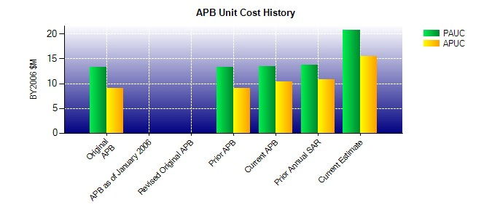
SAR Unit Cost History
Initial SAR Baseline to Current SAR Baseline (TY $M)
Initial PAUC Dev Est | Changes |  |  |  |  |  |  |  |  |  |  |  |  |  |  |  |  |  |  | PAUC Prod Est
 | Econ |  | Qty |  |  | Sch |  | Eng |  | Est |  |  | Oth |  |  | Spt |  | Total
15.746 0.000 0.000 0.000 0.000 0.000 0.000 0.000 0.000 15.746
Current SAR Baseline to Current Estimate (TY $M)
PAUC Prod Est |  | Changes |  |  |  |  |  |  |  |  |  |  |  |  |  |  |  |  | PAUC Current Est
 |  | Econ |  | Qty |  |  | Sch | Eng | Est |  |  | Oth |  |  | Spt |  | Total
15.746 0.156 2.354 3.769 5.620 -1.946 0.000 1.847 11.800 27.546

