Table 1

Selected Acquisition Report (SAR)
RCS: DD-A&T(Q&A)823-176
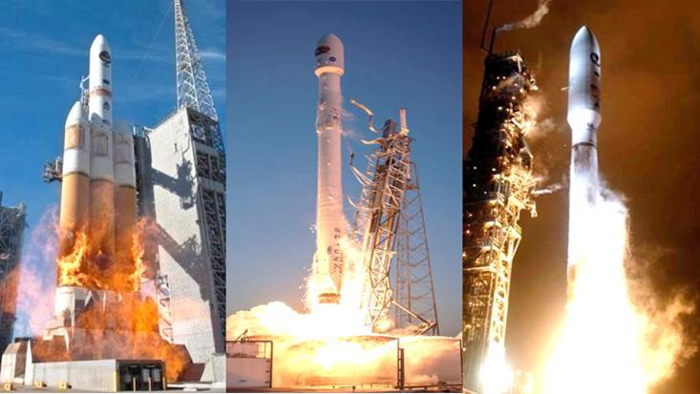
Evolved Expendable Launch Vehicle (EELV)
As of FY 2017 President's Budget
Defense Acquisition Management Information Retrieval
(DAMIR)

Table 11
Schedule
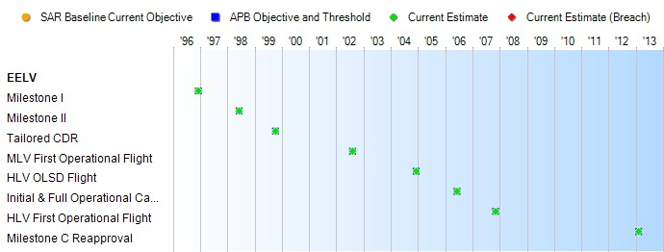
None
Schedule Events
Events | SAR Baseline Production Estimate | Current APB Production Objective/Threshold |  | Current Estimate
Milestone I | Dec 1996 | Dec 1996 | Dec 1996 | Dec 1996
Milestone II | Jun 1998 | Jun 1998 | Jun 1998 | Jun 1998
Tailored CDR | Oct 1999 | Oct 1999 | Oct 1999 | Oct 1999
MLV First Operational Flight | Aug 2002 | Aug 2002 | Aug 2002 | Aug 2002
HLV OLSD Flight | Dec 2004 | Dec 2004 | Dec 2004 | Dec 2004
Initial & Full Operational Capability | Jun 2006 | Jun 2006 | Jun 2006 | Jun 2006
HLV First Operational Flight | Nov 2007 | Nov 2007 | Nov 2007 | Nov 2007
Milestone C Reapproval | Feb 2013 | Feb 2013 | Feb 2013 | Feb 2013
Change Explanations
Acronyms and Abbreviations
CDR - Critical Design Review HLV - Heavy-Lift Vehicle
MLV - Medium-Lift Vehicle
OLSD - Operational Launch Service Demonstration

Table 30
Unit Cost History
Item |  |  |  |  |  |  | Date |  |  |  | BY 2012 $M |  |  |  |  |  |  | TY $M
 |  |  |  |  |  |  |  |  |  |  | PAUC |  |  | APUC |  |  |  | PAUC |  |  |  | APUC

Original APB |  |  |  |  | Oct 1998 |  |  |  |  |  | 97.147 |  |  |  | 87.193 |  |  |  | 95.844 |  |  |  | 87.827
APB as of January 2006 |  |  |  |  | Jul 2004 |  |  |  |  |  | 236.886 |  |  |  | 223.191 |  |  |  | 230.358 |  |  |  | 219.571
Revised Original APB |  |  |  |  | Feb 2013 |  |  |  |  |  | 404.233 |  |  |  | 391.247 |  |  |  | 456.114 |  |  |  | 446.141
Prior APB |  |  |  |  | Aug 2007 |  |  |  |  |  | 236.886 |  |  |  | 223.191 |  |  |  | 230.358 |  |  |  | 219.571
Current APB |  |  |  |  | Feb 2013 |  |  |  |  |  | 404.233 |  |  |  | 391.247 |  |  |  | 456.114 |  |  |  | 446.141
Prior Annual SAR |  |  |  |  | Dec 2014 |  |  |  |  |  | 345.456 |  |  |  | 330.281 |  |  |  | 392.605 |  |  |  | 379.934
Current Estimate |  |  |  |  | Dec 2015 |  |  |  |  |  | 345.195 |  |  |  | 323.062 |  |  |  | 387.814 |  |  |  | 367.471
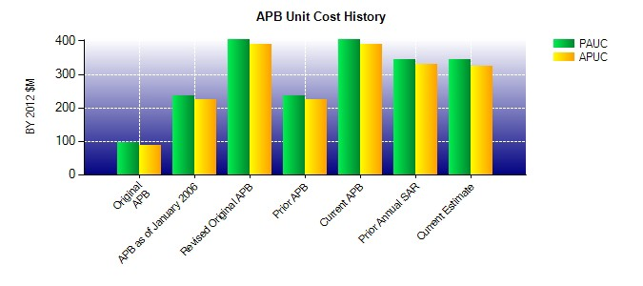
SAR Unit Cost History
Initial SAR Baseline to Current SAR Baseline (TY $M)
Initial PAUC Development Estimate | Changes |  |  |  |  |  |  |  |  |  |  |  |  |  |  |  |  |  |  |  | PAUC Production Estimate
 | Econ |  | Qty |  |  | Sch |  | Eng |  | Est |  |  | Oth |  |  | Spt |  | Total
95.844 -6.787 55.829 -1.019 1.510 310.650 0.087 0.000 360.270 456.114
Current SAR Baseline to Current Estimate (TY $M)
PAUC Production Estimate |  | Changes |  |  |  |  |  |  |  |  |  |  |  |  |  |  |  |  |  | PAUC Current Estimate
 |  | Econ |  | Qty |  |  | Sch |  | Eng | Est |  | Oth |  |  | Spt |  | Total
456.114 1.390 -17.971 1.580 0.000 -53.299 0.000 0.000 -68.300 387.814

