Table 1

Selected Acquisition Report (SAR)
RCS: DD-A&T(Q&A)823-257
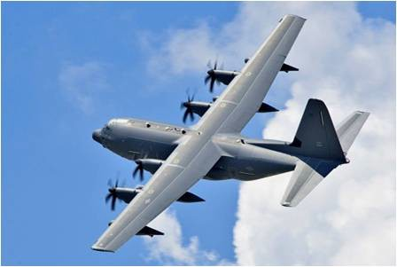
HC/MC-130 Recapitalization Aircraft (HC/MC-130 Recap)
As of FY 2017 President's Budget
Defense Acquisition Management Information Retrieval
(DAMIR)

Table 30
Unit Cost History
Item |  |  |  |  | Date |  |  | BY 2009 $M |  |  |  |  |  | TY $M
 |  |  |  |  |  |  |  | PAUC |  | APUC |  |  |  | PAUC |  |  | APUC

Original APB |  |  | Mar 2010 |  |  |  |  | 109.164 |  |  | 100.486 |  |  |  | 118.180 |  |  | 108.841
APB as of January 2006 |  |  | N/A |  |  |  |  | N/A |  |  | N/A |  |  |  | N/A |  |  | N/A
Revised Original APB |  |  | N/A |  |  |  |  | N/A |  |  | N/A |  |  |  | N/A |  |  | N/A
Prior APB |  |  | Mar 2011 |  |  |  |  | 105.002 |  |  | 99.739 |  |  |  | 116.920 |  |  | 111.256
Current APB |  |  | Oct 2013 |  |  |  |  | 100.383 |  |  | 96.686 |  |  |  | 117.364 |  |  | 113.256
Prior Annual SAR |  |  | Dec 2014 |  |  |  |  | 99.115 |  |  | 96.308 |  |  |  | 114.165 |  |  | 111.132
Current Estimate |  |  | Dec 2015 |  |  |  |  | 97.492 |  |  | 94.665 |  |  |  | 111.996 |  |  | 108.942
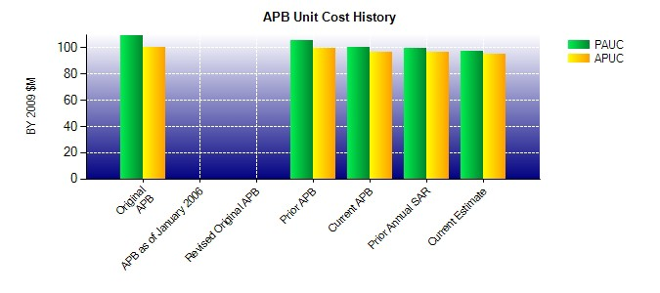
SAR Unit Cost History
Current SAR Baseline to Current Estimate (TY $M)
Initial PAUC Production Estimate | Changes |  |  |  |  |  |  |  |  |  |  |  |  |  |  | PAUC Current Estimate
 | Econ | Qty |  | Sch |  | Eng | Est |  | Oth |  |  | Spt | Total
118.180 0.899 -3.193 -0.756 2.167 -14.908 0.000 9.607 -6.184 111.996
Current SAR Baseline to Current Estimate (TY $M)
Initial APUC Production Estimate | Changes |  |  |  |  |  |  |  |  |  |  |  |  |  |  | APUC Current Estimate
 | Econ | Qty |  | Sch |  | Eng | Est |  | Oth |  |  | Spt | Total
108.841 0.842 0.871 -0.756 2.167 -12.630 0.000 9.607 0.101 108.942

