Table 1

Selected Acquisition Report (SAR)
RCS: DD-A&T(Q&A)823-292
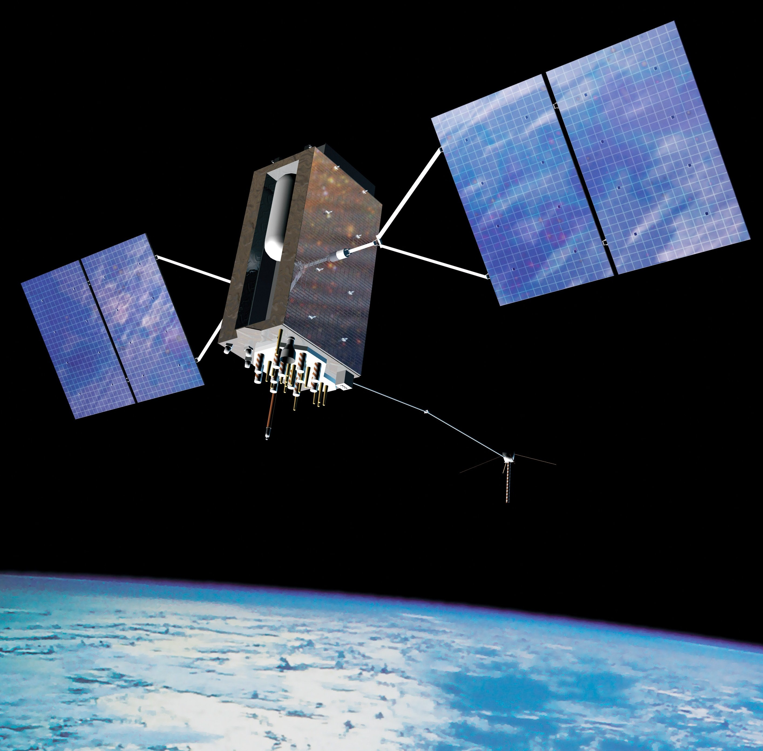
Global Positioning System III (GPS III)
As of FY 2017 President's Budget
Defense Acquisition Management Information Retrieval
(DAMIR)

Table 9
Schedule
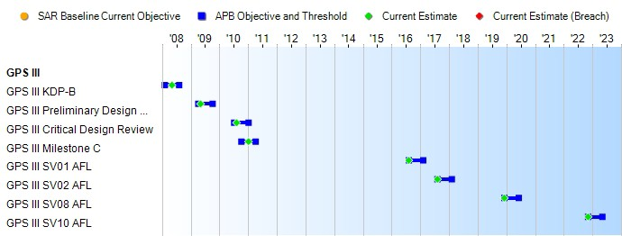
(Ch-1)
Schedule Events
Events | SAR Baseline Production Estimate | Current APB Production Objective/Threshold |  | Current Estimate
GPS III KDP-B | Feb 2008 | Feb 2008 | Aug 2008 | May 2008
GPS III Preliminary Design Review | Apr 2009 | Apr 2009 | Oct 2009 | May 2009
GPS III Critical Design Review | Jul 2010 | Jul 2010 | Jan 2011 | Aug 2010
GPS III Milestone C | Oct 2010 | Oct 2010 | Apr 2011 | Jan 2011
GPS III SV01 AFL | Apr 2014 | Aug 2016 | Feb 2017 | Aug 2016
GPS III SV02 AFL | Apr 2015 | Aug 2017 | Feb 2018 | Aug 2017
GPS III SV08 AFL | May 2018 | Dec 2019 | Jun 2020 | Dec 2019
GPS III SV10 AFL | N/A | Nov 2022 | May 2023 | Nov 2022
Change Explanations
(Ch-1) GPS III SV10 AFL was added in the January 31, 2016 APB in support of SV10 procurement.
Acronyms and Abbreviations
AFL - Available for Launch KDP - Key Decision Point SV - Space Vehicle

Table 26
Unit Cost History
Item |  |  |  |  |  |  | Date |  |  |  | BY 2010 $M |  |  |  |  |  |  |  | TY $M
 |  |  |  |  |  |  |  |  |  |  | PAUC |  |  |  | APUC |  |  |  | PAUC |  |  |  |  | APUC

Original APB |  |  |  |  | May 2008 |  |  |  |  |  |  | 480.100 |  |  |  | 230.167 |  |  |  |  | 500.288 |  |  |  | 248.383
APB as of January 2006 |  |  |  |  | N/A |  |  |  |  |  |  | N/A |  |  |  | N/A |  |  |  |  | N/A |  |  |  | N/A
Revised Original APB |  |  |  |  | N/A |  |  |  |  |  |  | N/A |  |  |  | N/A |  |  |  |  | N/A |  |  |  | N/A
Prior APB |  |  |  |  | Jan 2011 |  |  |  |  |  |  | 517.862 |  |  |  | 253.167 |  |  |  |  | 533.725 |  |  |  | 269.333
Current APB |  |  |  |  | Jan 2016 |  |  |  |  |  |  | 528.520 |  |  |  | 287.912 |  |  |  |  | 565.010 |  |  |  | 321.250
Prior Annual SAR |  |  |  |  | Dec 2014 |  |  |  |  |  |  | 557.762 |  |  |  | 262.750 |  |  |  |  | 588.838 |  |  |  | 290.133
Current Estimate |  |  |  |  | Dec 2015 |  |  |  |  |  |  | 518.040 |  |  |  | 281.800 |  |  |  |  | 555.740 |  |  |  | 317.350
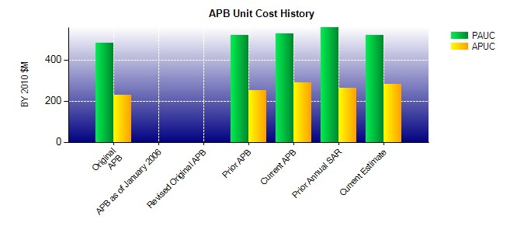
SAR Unit Cost History
Initial SAR Baseline to Current SAR Baseline (TY $M)
Initial PAUC Development Estimate | Changes |  |  |  |  |  |  |  |  |  |  |  |  |  |  |  |  |  |  |  |  |  | PAUC Production Estimate
 | Econ |  | Qty |  |  | Sch |  | Eng |  | Est |  |  | Oth |  |  |  | Spt |  |  | Total
500.288 -9.013 0.000 0.775 0.000 63.063 -9.513 -11.875 33.437 533.725
Current SAR Baseline to Current Estimate (TY $M)
PAUC Production Estimate |  | Changes |  |  |  |  |  |  |  |  |  |  |  |  |  |  |  |  |  |  |  | PAUC Current Estimate
 |  | Econ |  | Qty |  |  | Sch |  | Eng |  | Est |  |  | Oth |  | Spt |  | Total
533.725 3.050 -31.275 0.000 0.000 -0.110 0.000 50.350 22.015 555.740

