Table 1

Selected Acquisition Report (SAR)
RCS: DD-A&T(Q&A)823-555
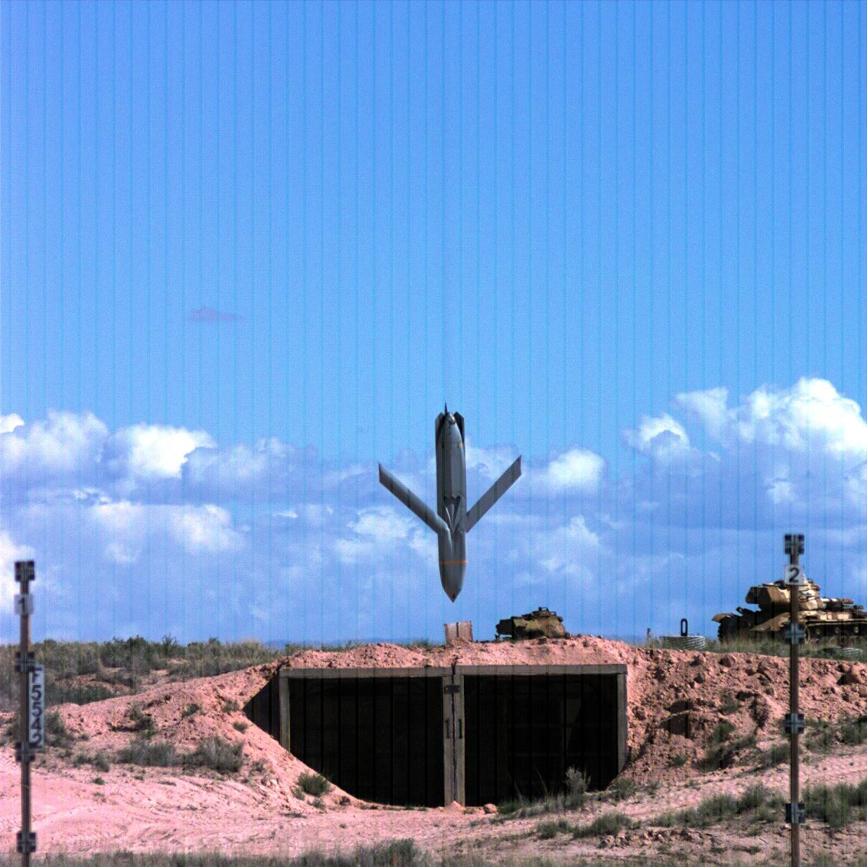
Joint Air-to-Surface Standoff Missile (JASSM)
As of FY 2017 President's Budget
Defense Acquisition Management Information Retrieval
(DAMIR)

Table 11
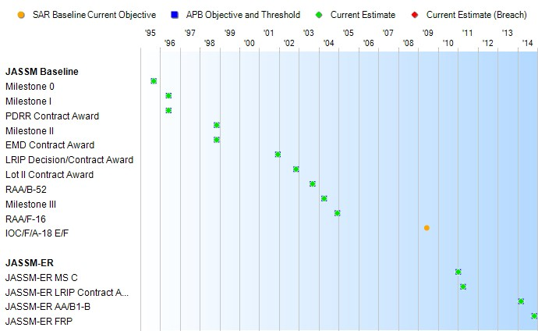
Schedule

Table 36
JASSM Baseline
Unit Cost History
Item |  |  |  |  | Date |  |  | BY 2010 $M |  |  |  |  | TY $M
 |  |  |  |  |  |  |  | PAUC |  | APUC |  |  | PAUC |  |  | APUC

Original APB |  |  | Nov 1998 |  |  |  |  | 0.914 |  |  | 0.516 |  |  | 0.840 |  |  | 0.504
APB as of January 2006 |  |  | Jul 2004 |  |  |  |  | 0.951 |  |  | 0.699 |  |  | 0.914 |  |  | 0.702
Revised Original APB |  |  | Apr 2011 |  |  |  |  | 1.479 |  |  | 1.043 |  |  | 1.468 |  |  | 1.110
Prior APB |  |  | Apr 2011 |  |  |  |  | 1.479 |  |  | 1.043 |  |  | 1.468 |  |  | 1.110
Current APB |  |  | Mar 2015 |  |  |  |  | 1.425 |  |  | 0.906 |  |  | 1.352 |  |  | 0.922
Prior Annual SAR |  |  | Dec 2014 |  |  |  |  | 1.402 |  |  | 0.880 |  |  | 1.323 |  |  | 0.890
Current Estimate |  |  | Dec 2015 |  |  |  |  | 1.423 |  |  | 0.903 |  |  | 1.344 |  |  | 0.914
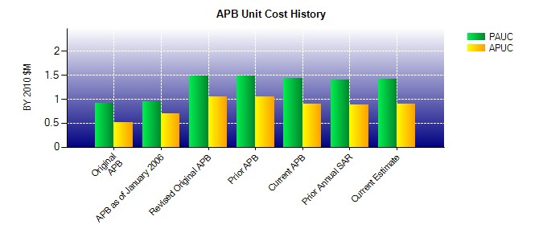
SAR Unit Cost History
Current SAR Baseline to Current Estimate (TY $M)
Initial PAUC Production Estimate | Changes |  |  |  |  |  |  |  |  |  |  |  |  |  | PAUC Current Estimate
 | Econ | Qty |  | Sch |  | Eng | Est |  | Oth | Spt |  | Total
0.911 0.031 0.067 0.179 0.065 -0.087 0.000 0.178 0.433 1.344

Table 39
Unit Cost History
Item |  |  |  |  | Date |  |  | BY 2010 $M |  |  |  |  | TY $M
 |  |  |  |  |  |  |  | PAUC |  | APUC |  |  | PAUC |  |  | APUC

Original APB |  |  | Apr 2011 |  |  |  |  | 1.435 |  |  | 1.346 |  |  | 1.733 |  |  | 1.648
APB as of January 2006 |  |  | N/A |  |  |  |  | N/A |  |  | N/A |  |  | N/A |  |  | N/A
Revised Original APB |  |  | N/A |  |  |  |  | N/A |  |  | N/A |  |  | N/A |  |  | N/A
Prior APB |  |  | Apr 2011 |  |  |  |  | 1.435 |  |  | 1.346 |  |  | 1.733 |  |  | 1.648
Current APB |  |  | Mar 2015 |  |  |  |  | 1.249 |  |  | 1.159 |  |  | 1.517 |  |  | 1.426
Prior Annual SAR |  |  | Dec 2014 |  |  |  |  | 1.274 |  |  | 1.192 |  |  | 1.529 |  |  | 1.448
Current Estimate |  |  | Dec 2015 |  |  |  |  | 1.277 |  |  | 1.178 |  |  | 1.524 |  |  | 1.423
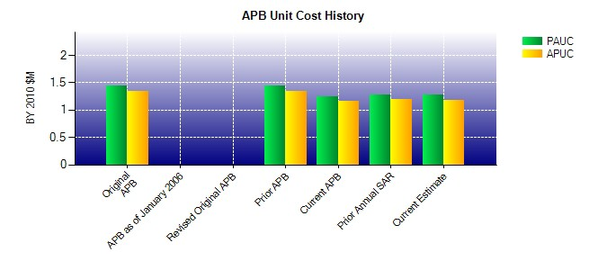
SAR Unit Cost History
Current SAR Baseline to Current Estimate (TY $M)
Initial PAUC Production Estimate | Changes |  |  |  |  |  |  |  |  |  |  |  |  |  | PAUC Current Estimate
 | Econ | Qty |  | Sch |  | Eng | Est |  | Oth | Spt |  | Total
0.918 0.031 0.022 -0.066 0.127 0.301 0.000 0.191 0.606 1.524

