Table 1

Selected Acquisition Report (SAR)
RCS: DD-A&T(Q&A)823-438

Space Fence Ground-Based Radar System Increment 1 (Space Fence Inc 1)
As of FY 2017 President's Budget
Defense Acquisition Management Information Retrieval
(DAMIR)

Table 9
Schedule
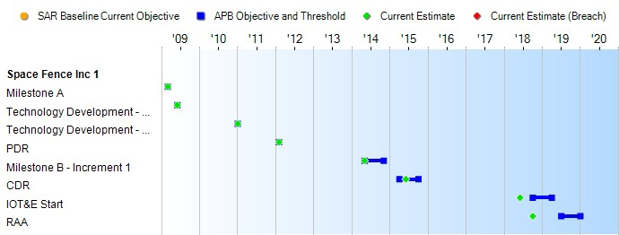
(Ch-1)
Schedule Events
Events | SAR Baseline Development Estimate | Current APB Development Objective/Threshold |  | Current Estimate
Milestone A | Mar 2009 | Mar 2009 | Mar 2009 | Mar 2009
Technology Development - Phase A - SDR Contract Award | Jun 2009 | Jun 2009 | Jun 2009 | Jun 2009
Technology Development - Phase A - PDR Contract Award | Jan 2011 | Jan 2011 | Jan 2011 | Jan 2011
PDR | Feb 2012 | Feb 2012 | Feb 2012 | Feb 2012
Milestone B - Increment 1 | May 2014 | May 2014 | Nov 2014 | May 2014
CDR | Apr 2015 | Apr 2015 | Oct 2015 | Jun 2015
IOT&E Start | Oct 2018 | Oct 2018 | Apr 2019 | Jun 2018
RAA | Jul 2019 | Jul 2019 | Jan 2020 | Oct 2018
Change Explanations
(Ch-1) CDR current estimate changed from March 2015 to June 2015 to reflect the actual date of completion.
Notes
RAA is defined as the date when the PM has provided sufficient equipment and logistics resources to support IOC determination. The RAA objective date assumes the EMD contract award in June 2014, and consists of:
- DD250 of at least one radar sensor and SOC
- Ensuring communications links and connectivity to the Global Information Grid are in compliance with then-existing Net- Centric Enterprise Services standards, guidance and direction
- Initial spares for one radar sensor and SOC

Table 26
Unit Cost History
Item |  |  |  |  | Date |  |  | BY 2014 $M |  |  |  |  |  | TY $M
 |  |  |  |  |  |  |  | PAUC |  | APUC |  |  |  | PAUC |  |  | APUC

Original APB |  |  | Jun 2014 |  |  |  |  | 1567.700 |  |  |  | N/A |  |  | 1594.200 |  |  | N/A
APB as of January 2006 |  |  | N/A |  |  |  |  | N/A |  |  |  | N/A |  |  | N/A |  |  | N/A
Revised Original APB |  |  | N/A |  |  |  |  | N/A |  |  |  | N/A |  |  | N/A |  |  | N/A
Prior APB |  |  | N/A |  |  |  |  | N/A |  |  |  | N/A |  |  | N/A |  |  | N/A
Current APB |  |  | Jun 2014 |  |  |  |  | 1567.700 |  |  |  | N/A |  |  | 1594.200 |  |  | N/A
Prior Annual SAR |  |  | Dec 2014 |  |  |  |  | 1541.300 |  |  |  | N/A |  |  | 1560.500 |  |  | N/A
Current Estimate |  |  | Dec 2015 |  |  |  |  | 1491.300 |  |  |  | N/A |  |  | 1502.900 |  |  | N/A
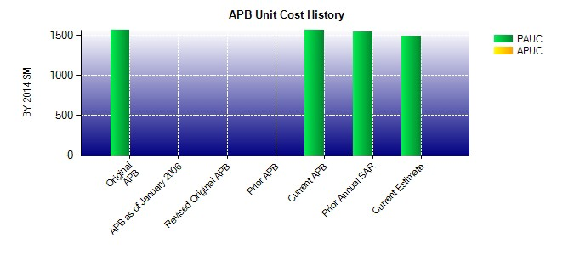
SAR Unit Cost History
Current SAR Baseline to Current Estimate (TY $M)
Initial PAUC Development Estimate | Changes |  |  |  |  |  |  |  |  |  |  |  |  |  |  | PAUC Current Estimate
 | Econ | Qty |  | Sch |  | Eng | Est |  | Oth |  | Spt |  | Total
1594.200 -12.700 0.000 0.000 0.000 -78.600 0.000 0.000 -91.300 1502.900

