Table 1

Selected Acquisition Report (SAR)
RCS: DD-A&T(Q&A)823-437
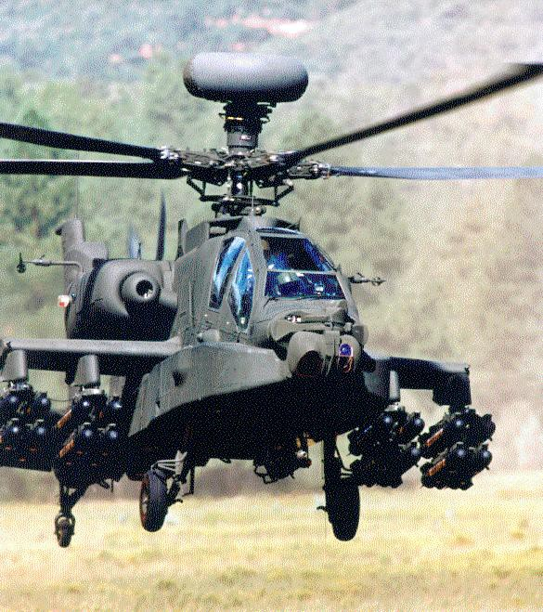
AH-64E Apache New Build (AH-64E New Build)
As of FY 2017 President's Budget
Defense Acquisition Management Information Retrieval
(DAMIR)

Table 22
Unit Cost History
Item |  |  |  |  | Date |  |  | BY 2010 $M |  |  |  |  | TY $M
 |  |  |  |  |  |  |  | PAUC |  | APUC |  |  | PAUC |  |  | APUC

Original APB |  |  | Dec 2010 |  |  |  |  | 38.118 |  |  | 38.118 |  |  | 41.539 |  |  | 41.539
APB as of January 2006 |  |  | N/A |  |  |  |  | N/A |  |  | N/A |  |  | N/A |  |  | N/A
Revised Original APB |  |  | N/A |  |  |  |  | N/A |  |  | N/A |  |  | N/A |  |  | N/A
Prior APB |  |  | Dec 2010 |  |  |  |  | 38.118 |  |  | 38.118 |  |  | 41.539 |  |  | 41.539
Current APB |  |  | Jul 2013 |  |  |  |  | 35.773 |  |  | 35.773 |  |  | 45.761 |  |  | 45.761
Prior Annual SAR |  |  | Dec 2014 |  |  |  |  | 33.400 |  |  | 33.400 |  |  | 41.571 |  |  | 41.571
Current Estimate |  |  | Dec 2015 |  |  |  |  | 32.252 |  |  | 32.252 |  |  | 40.043 |  |  | 40.043
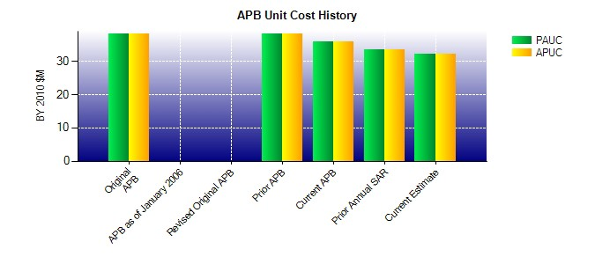
SAR Unit Cost History
Current SAR Baseline to Current Estimate (TY $M)
Initial PAUC Production Estimate | Changes |  |  |  |  |  |  |  |  |  |  |  |  |  | PAUC Current Estimate
 | Econ | Qty |  | Sch |  | Eng | Est |  | Oth | Spt |  | Total
44.829 0.135 1.872 4.649 0.000 -10.348 0.000 -1.094 -4.786 40.043
Current SAR Baseline to Current Estimate (TY $M)
Initial APUC Production Estimate | Changes |  |  |  |  |  |  |  |  |  |  |  |  |  | APUC Current Estimate
 | Econ | Qty |  | Sch |  | Eng | Est |  | Oth | Spt |  | Total
44.829 0.135 1.872 4.649 0.000 -10.348 0.000 -1.094 -4.786 40.043

