Table 1

Selected Acquisition Report (SAR)
RCS: DD-A&T(Q&A)823-260
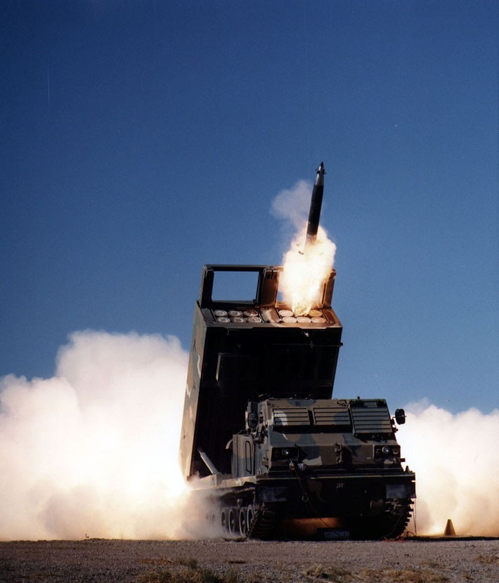
Guided Multiple Launch Rocket System/Guided Multiple Launch Rocket System Alternative Warhead (GMLRS/GMLRS AW)
As of FY 2017 President's Budget
Defense Acquisition Management Information Retrieval
(DAMIR)

Table 9
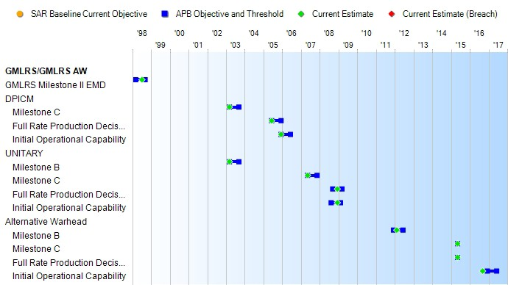
Schedule

Table 25
Unit Cost History
Item |  |  |  |  |  |  |  | Date |  |  |  | BY 2003 $M |  |  |  |  |  |  |  | TY $M
 |  |  |  |  |  |  |  |  |  |  |  | PAUC |  |  | APUC |  |  |  |  | PAUC |  |  |  | APUC

Original APB |  |  |  |  | Mar 1998 |  |  |  |  |  |  | 0.034 |  |  |  |  | 0.032 |  |  |  | 0.039 |  |  |  | 0.037
APB as of January 2006 |  |  |  |  | May 2003 |  |  |  |  |  |  | 0.070 |  |  |  |  | 0.066 |  |  |  | 0.084 |  |  |  | 0.081
Revised Original APB |  |  |  |  | Jun 2007 |  |  |  |  |  |  | 0.105 |  |  |  |  | 0.091 |  |  |  | 0.133 |  |  |  | 0.119
Prior APB |  |  |  |  | Feb 2012 |  |  |  |  |  |  | 0.116 |  |  |  |  | 0.099 |  |  |  | 0.146 |  |  |  | 0.127
Current APB |  |  |  |  | May 2015 |  |  |  |  |  |  | 0.118 |  |  |  |  | 0.100 |  |  |  | 0.154 |  |  |  | 0.133
Prior Annual SAR |  |  |  |  | Dec 2014 |  |  |  |  |  |  | 0.122 |  |  |  |  | 0.104 |  |  |  | 0.160 |  |  |  | 0.139
Current Estimate |  |  |  |  | Dec 2015 |  |  |  |  |  |  | 0.120 |  |  |  |  | 0.102 |  |  |  | 0.156 |  |  |  | 0.134
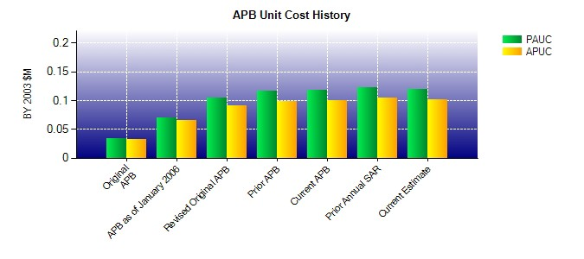
SAR Unit Cost History
Initial SAR Baseline to Current SAR Baseline (TY $M)
Initial PAUC Development Estimate | Changes |  |  |  |  |  |  |  |  |  |  |  |  |  |  |  |  |  |  |  |  |  | PAUC Production Estimate
 | Econ |  | Qty |  |  | Sch |  |  | Eng |  | Est |  |  | Oth |  | Spt |  |  | Total
0.039 -0.003 0.001 0.001 0.009 0.037 0.000 0.000 0.045 0.084
Current SAR Baseline to Current Estimate (TY $M)
PAUC Production Estimate |  | Changes |  |  |  |  |  |  |  |  |  |  |  |  |  |  |  |  |  |  |  | PAUC Current Estimate
 |  | Econ |  | Qty |  |  | Sch |  |  | Eng | Est |  | Oth |  | Spt |  |  | Total
0.084 0.012 -0.012 0.034 0.000 0.038 0.000 0.000 0.072 0.156

