Table 1

Selected Acquisition Report (SAR)
RCS: DD-A&T(Q&A)823-355

Joint Air-to-Ground Missile (JAGM)
As of FY 2017 President's Budget
Defense Acquisition Management Information Retrieval
(DAMIR)

Table 30
Unit Cost History
Item |  |  |  |  | Date |  |  | BY 2015 $M |  |  |  |  | TY $M
 |  |  |  |  |  |  |  | PAUC |  | APUC |  |  | PAUC |  |  | APUC

Original APB |  |  | Sep 2015 |  |  |  |  | 0.214 |  |  | 0.178 |  |  | 0.277 |  |  | 0.242
APB as of January 2006 |  |  | N/A |  |  |  |  | N/A |  |  | N/A |  |  | N/A |  |  | N/A
Revised Original APB |  |  | N/A |  |  |  |  | N/A |  |  | N/A |  |  | N/A |  |  | N/A
Prior APB |  |  | N/A |  |  |  |  | N/A |  |  | N/A |  |  | N/A |  |  | N/A
Current APB |  |  | Sep 2015 |  |  |  |  | 0.214 |  |  | 0.178 |  |  | 0.277 |  |  | 0.242
Prior Annual SAR |  |  | N/A |  |  |  |  | N/A |  |  | N/A |  |  | N/A |  |  | N/A
Current Estimate |  |  | Dec 2015 |  |  |  |  | 0.215 |  |  | 0.179 |  |  | 0.270 |  |  | 0.235
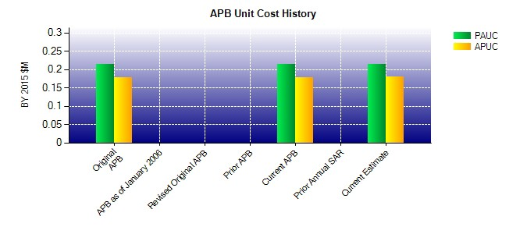
SAR Unit Cost History
Current SAR Baseline to Current Estimate (TY $M)
Initial PAUC Development Estimate | Changes |  |  |  |  |  |  |  |  |  |  |  |  |  | PAUC Current Estimate
 | Econ | Qty |  | Sch |  | Eng | Est |  | Oth | Spt |  | Total
0.277 -0.001 0.000 -0.008 0.000 0.001 0.000 0.001 -0.007 0.270
Current SAR Baseline to Current Estimate (TY $M)
Initial APUC Development Estimate | Changes |  |  |  |  |  |  |  |  |  |  |  |  |  | APUC Current Estimate
 | Econ | Qty |  | Sch |  | Eng | Est |  | Oth | Spt |  | Total
0.242 -0.001 0.000 -0.007 0.000 0.001 0.000 0.001 -0.006 0.235

