Table 1

Selected Acquisition Report (SAR)
RCS: DD-A&T(Q&A)823-385
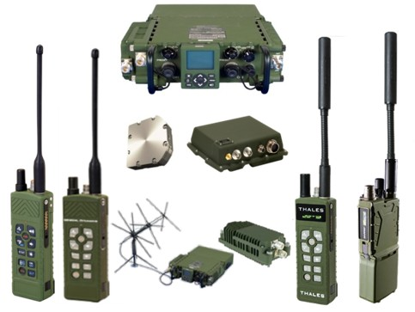
Joint Tactical Radio System Handheld, Manpack, and Small Form Fit Radios (JTRS HMS)
As of FY 2017 President's Budget
Defense Acquisition Management Information Retrieval
(DAMIR)

Table 9
Schedule
Schedule Events
Events | SAR Baseline Production Estimate | Current APB Production Objective/Threshold |  | Current Estimate
Milestone B Decision | Apr 2004 | Apr 2004 | Jun 2004 | Apr 2004
Contract Award | Jul 2004 | Jul 2004 | Jul 2004 | Jul 2004
Milestone C Decision: HMS | May 2011 | May 2011 | May 2011 | May 2011
IOT&E: AN/PRC-154 Rifleman Radio | Nov 2011 | Nov 2011 | May 2012 | Nov 2011
MOT&E: AN/PRC-155 Manpack | May 2012 | May 2012 | Nov 2012 | May 2012
IOC: AN/PRC-154 Rifleman Radio | Jan 2012 | Jan 2012 | Jul 2012 | Jul 2012
IPR: AN/PRC-155 Manpack | Feb 2012 | Feb 2012 | Aug 2012 | Jul 2012
IOC: AN/PRC-155 Manpack | Mar 2013 | Mar 2013 | Sep 2013 | Aug 20141
FOT&E: AN/PRC-155 Manpack with MUOS | Jun 2013 | Jun 2013 | Jun 2014 | Oct 20161
Fielding: AN/PRC-155 Manpack with MUOS | Jun 2014 | Jun 2014 | Jun 2015 | Apr 20171
FRP Decision Review: AN/PRC-154 Rifleman Radio | May 2012 | May 2012 | Nov 2012 | Feb 20181
FRP Decision Review: AN/PRC-155 Manpack | Dec 2012 | Dec 2012 | Jun 2013 | Aug 20181
1 APB Breach
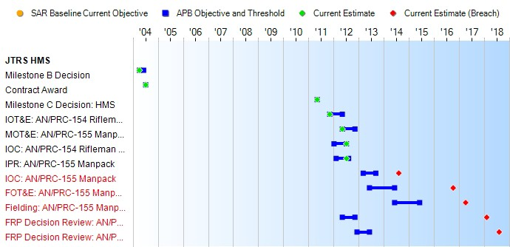
(Ch-1)
(Ch-1)
(Ch-2)
(Ch-3)

Table 36
Unit Cost History
Item |  |  |  |  |  |  |  | Date |  |  |  | BY 2011 $M |  |  |  |  |  |  |  | TY $M
 |  |  |  |  |  |  |  |  |  |  |  | PAUC |  |  | APUC |  |  |  |  | PAUC |  |  |  | APUC

Original APB |  |  |  |  | May 2004 |  |  |  |  |  |  | 0.030 |  |  |  |  | 0.028 |  |  |  | 0.033 |  |  |  | 0.031
APB as of January 2006 |  |  |  |  | May 2004 |  |  |  |  |  |  | 0.030 |  |  |  |  | 0.028 |  |  |  | 0.033 |  |  |  | 0.031
Revised Original APB |  |  |  |  | N/A |  |  |  |  |  |  | N/A |  |  |  |  | N/A |  |  |  | N/A |  |  |  | N/A
Prior APB |  |  |  |  | Jan 2008 |  |  |  |  |  |  | 0.032 |  |  |  |  | 0.023 |  |  |  | 0.036 |  |  |  | 0.027
Current APB |  |  |  |  | Oct 2011 |  |  |  |  |  |  | 0.030 |  |  |  |  | 0.026 |  |  |  | 0.034 |  |  |  | 0.029
Prior Annual SAR |  |  |  |  | Dec 2014 |  |  |  |  |  |  | 0.031 |  |  |  |  | 0.026 |  |  |  | 0.039 |  |  |  | 0.034
Current Estimate |  |  |  |  | Dec 2015 |  |  |  |  |  |  | 0.032 |  |  |  |  | 0.028 |  |  |  | 0.040 |  |  |  | 0.035
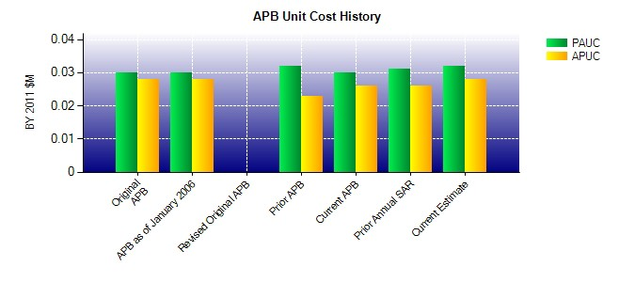
SAR Unit Cost History
Initial SAR Baseline to Current SAR Baseline (TY $M)
Initial PAUC Development Estimate | Changes |  |  |  |  |  |  |  |  |  |  |  |  |  |  |  |  |  |  |  |  |  | PAUC Production Estimate
 | Econ |  | Qty |  |  | Sch |  |  | Eng |  | Est |  |  | Oth |  | Spt |  |  | Total
0.033 0.002 0.012 0.003 0.000 -0.018 0.000 0.002 0.001 0.034
Current SAR Baseline to Current Estimate (TY $M)
PAUC Production Estimate |  | Changes |  |  |  |  |  |  |  |  |  |  |  |  |  |  |  |  |  |  |  | PAUC Current Estimate
 |  | Econ |  | Qty |  |  | Sch |  |  | Eng | Est |  | Oth |  | Spt |  |  | Total
0.034 0.000 0.000 0.004 0.000 0.000 0.000 0.002 0.006 0.040

