Table 1

Selected Acquisition Report (SAR)
RCS: DD-A&T(Q&A)823-420
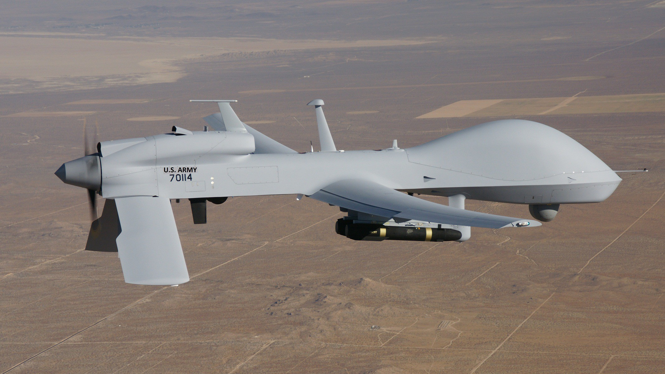
MQ-1C Gray Eagle Unmanned Aircraft System (MQ-1C Gray Eagle)
As of FY 2017 President's Budget
Defense Acquisition Management Information Retrieval
(DAMIR)

Table 9
Schedule
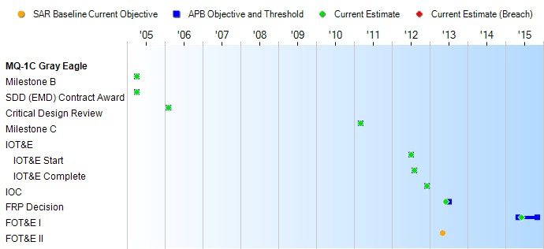
None
Schedule Events
Events | SAR Baseline Production Estimate | Current APB Production Objective/Threshold |  | Current Estimate
Milestone B | Apr 2005 | Apr 2005 | Apr 2005 | Apr 2005
SDD (EMD) Contract Award | Apr 2005 | Apr 2005 | Apr 2005 | Apr 2005
Critical Design Review | Feb 2006 | Feb 2006 | Feb 2006 | Feb 2006
Milestone C | Mar 2011 | Mar 2011 | Mar 2011 | Mar 2011
IOT&E
IOT&E Start | Sep 2011 | Jul 2012 | Jul 2012 | Jul 2012
IOT&E Complete | Oct 2011 | Aug 2012 | Aug 2012 | Aug 2012
IOC | Jun 2012 | Dec 2012 | Dec 2012 | Dec 2012
FRP Decision | Apr 2012 | Jul 2013 | Jul 2013 | Jun 2013
FOT&E I | Aug 2012 | May 2015 | Nov 2015 | Jun 2015
FOT&E II | May 2013 | N/A | N/A | N/A
Change Explanations

Table 32
Unit Cost History
Item |  |  |  |  |  |  | Date |  |  | BY 2010 $M |  |  |  |  |  |  |  |  | TY $M
 |  |  |  |  |  |  |  |  |  | PAUC |  |  |  | APUC |  |  |  |  | PAUC |  |  |  | APUC

Original APB |  |  |  |  | Mar 2011 |  |  |  |  | 169.419 |  |  |  |  | 116.024 |  |  |  |  | 179.000 |  |  |  | 123.172
APB as of January 2006 |  |  |  |  | N/A |  |  |  |  | N/A |  |  |  |  | N/A |  |  |  |  | N/A |  |  |  | N/A
Revised Original APB |  |  |  |  | N/A |  |  |  |  | N/A |  |  |  |  | N/A |  |  |  |  | N/A |  |  |  | N/A
Prior APB |  |  |  |  | Feb 2012 |  |  |  |  | 169.419 |  |  |  |  | 116.024 |  |  |  |  | 179.000 |  |  |  | 123.172
Current APB |  |  |  |  | Sep 2013 |  |  |  |  | 145.103 |  |  |  |  | 103.034 |  |  |  |  | 154.929 |  |  |  | 110.941
Prior Annual SAR |  |  |  |  | Dec 2014 |  |  |  |  | 140.182 |  |  |  |  | 101.178 |  |  |  |  | 148.982 |  |  |  | 108.372
Current Estimate |  |  |  |  | Dec 2015 |  |  |  |  | 141.929 |  |  |  |  | 102.384 |  |  |  |  | 150.629 |  |  |  | 109.450
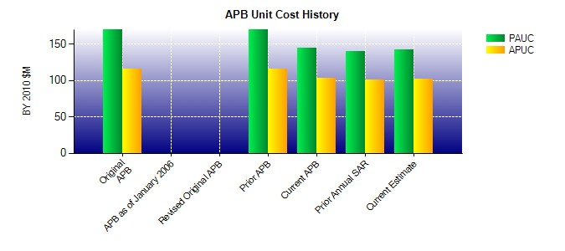
SAR Unit Cost History
Initial SAR Baseline to Current SAR Baseline (TY $M)
Initial PAUC Development Estimate | Changes |  |  |  |  |  |  |  |  |  |  |  |  |  |  |  |  |  |  |  |  | PAUC Production Estimate
 | Econ |  | Qty |  |  | Sch |  | Eng |  |  | Est |  | Oth |  |  | Spt |  | Total
401.600 0.094 -242.537 -7.813 13.968 13.152 0.000 0.536 -222.600 179.000
Current SAR Baseline to Current Estimate (TY $M)
PAUC Production Estimate |  | Changes |  |  |  |  |  |  |  |  |  |  |  |  |  |  |  |  |  |  | PAUC Current Estimate
 |  | Econ |  | Qty |  |  | Sch | Eng | Est |  |  | Oth |  |  | Spt |  | Total
179.000 0.976 -11.079 0.129 2.562 -18.068 0.000 -2.891 -28.371 150.629

