Table 1

Selected Acquisition Report (SAR)
RCS: DD-A&T(Q&A)823-492
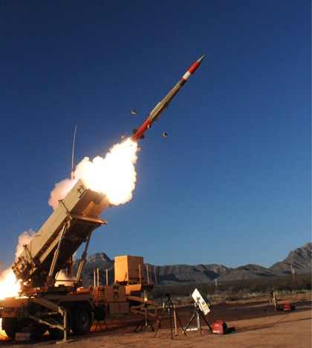
Patriot Advanced Capability-3 Missile Segment Enhancement (PAC-3 MSE)
As of FY 2017 President's Budget
Defense Acquisition Management Information Retrieval
(DAMIR)

Table 27
Unit Cost History
Item |  |  |  |  |  |  |  | Date |  |  |  |  | BY 2014 $M |  |  |  |  |  |  | TY $M
 |  |  |  |  |  |  |  |  |  |  |  |  | PAUC |  | APUC |  |  |  |  | PAUC |  |  |  | APUC

Original APB |  |  |  |  | Aug 2004 |  |  |  |  |  |  |  | 5.016 |  |  |  | 4.644 |  |  |  | 5.272 |  |  |  | 4.957
APB as of January 2006 |  |  |  |  | Aug 2004 |  |  |  |  |  |  |  | 5.016 |  |  |  | 4.644 |  |  |  | 5.272 |  |  |  | 4.957
Revised Original APB |  |  |  |  | N/A |  |  |  |  |  |  |  | N/A |  |  |  | N/A |  |  |  | N/A |  |  |  | N/A
Prior APB |  |  |  |  | Aug 2004 |  |  |  |  |  |  |  | 5.016 |  |  |  | 4.644 |  |  |  | 5.272 |  |  |  | 4.957
Current APB |  |  |  |  | Jan 2015 |  |  |  |  |  |  |  | 5.711 |  |  |  | 4.813 |  |  |  | 6.360 |  |  |  | 5.526
Prior Annual SAR |  |  |  |  | Dec 2014 |  |  |  |  |  |  |  | 5.643 |  |  |  | 4.781 |  |  |  | 6.245 |  |  |  | 5.439
Current Estimate |  |  |  |  | Dec 2015 |  |  |  |  |  |  |  | 5.579 |  |  |  | 4.742 |  |  |  | 6.134 |  |  |  | 5.351
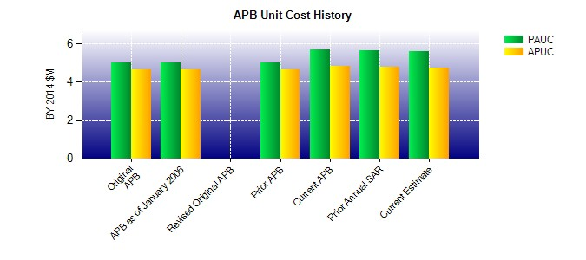
SAR Unit Cost History
Initial SAR Baseline to Current SAR Baseline (TY $M)
Initial PAUC Development Estimate | Changes |  |  |  |  |  |  |  |  |  |  |  |  |  |  |  |  |  |  |  |  |  | PAUC Production Estimate
 | Econ |  | Qty |  |  | Sch |  |  | Eng |  | Est |  |  | Oth |  | Spt |  |  | Total
5.272 0.311 0.411 0.398 0.000 0.126 0.000 -0.158 1.088 6.360
Current SAR Baseline to Current Estimate (TY $M)
PAUC Production Estimate |  | Changes |  |  |  |  |  |  |  |  |  |  |  |  |  |  |  |  |  |  |  | PAUC Current Estimate
 |  | Econ |  | Qty |  |  | Sch |  |  | Eng |  | Est |  | Oth | Spt |  |  | Total
6.360 -0.040 -0.240 -0.022 0.000 0.072 0.000 0.004 -0.226 6.134

