Table 1

Selected Acquisition Report (SAR)
RCS: DD-A&T(Q&A)823-466
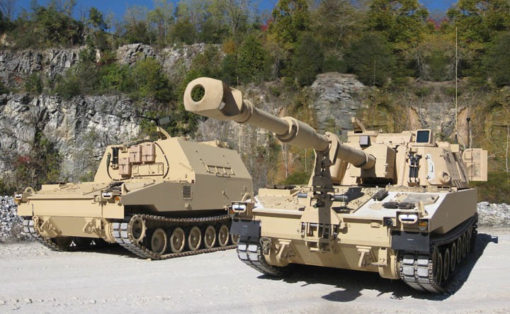
Paladin Integrated Management (PIM)
As of FY 2017 President's Budget
Defense Acquisition Management Information Retrieval
(DAMIR)

Table 9
Schedule
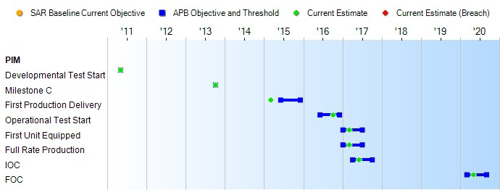
(Ch-1)
(Ch-1)
(Ch-1)
(Ch-1)
(Ch-1)
Schedule Events
Events | SAR Baseline Production Estimate | Current APB Production Objective/Threshold |  | Current Estimate
Developmental Test Start | May 2011 | May 2011 | May 2011 | May 2011
Milestone C | Oct 2013 | Oct 2013 | Oct 2013 | Oct 2013
First Production Delivery | Jun 2015 | Jun 2015 | Dec 2015 | Mar 2015
Operational Test Start | Jun 2016 | Jun 2016 | Dec 2016 | Oct 2016
First Unit Equipped | Jan 2017 | Jan 2017 | Jul 2017 | Mar 2017
Full Rate Production | Jan 2017 | Jan 2017 | Jul 2017 | Mar 2017
IOC | Apr 2017 | Apr 2017 | Oct 2017 | Jun 2017
FOC | Mar 2020 | Mar 2020 | Sep 2020 | May 2020
Change Explanations
(Ch-1) The Current Estimates for IOT&E, FUE, FRP, IOC and FOC changed from June 2016, January 2017, January 2017, April 2017 and March 2020 to October 2016, March 2017, March 2017, June 2017 and May 2020, respectively, as risk reduction responses to fact-of-life budgetary and programmatic changes.

Table 26
Unit Cost History
Item |  |  |  |  |  |  |  | Date |  |  |  |  | BY 2013 $M |  |  |  |  |  |  | TY $M
 |  |  |  |  |  |  |  |  |  |  |  |  | PAUC |  |  | APUC |  |  |  | PAUC |  |  |  | APUC

Original APB |  |  |  |  | Mar 2012 |  |  |  |  |  |  |  | 11.860 |  |  |  | 10.107 |  |  |  | 13.449 |  |  |  | 11.699
APB as of January 2006 |  |  |  |  | N/A |  |  |  |  |  |  |  | N/A |  |  |  | N/A |  |  |  | N/A |  |  |  | N/A
Revised Original APB |  |  |  |  | N/A |  |  |  |  |  |  |  | N/A |  |  |  | N/A |  |  |  | N/A |  |  |  | N/A
Prior APB |  |  |  |  | Mar 2012 |  |  |  |  |  |  |  | 11.860 |  |  |  | 10.107 |  |  |  | 13.449 |  |  |  | 11.699
Current APB |  |  |  |  | Mar 2014 |  |  |  |  |  |  |  | 12.265 |  |  |  | 10.358 |  |  |  | 14.252 |  |  |  | 12.321
Prior Annual SAR |  |  |  |  | Dec 2014 |  |  |  |  |  |  |  | 12.341 |  |  |  | 10.433 |  |  |  | 14.247 |  |  |  | 12.321
Current Estimate |  |  |  |  | Dec 2015 |  |  |  |  |  |  |  | 12.288 |  |  |  | 10.417 |  |  |  | 14.093 |  |  |  | 12.208
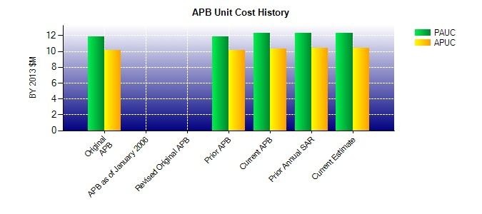
SAR Unit Cost History
Initial SAR Baseline to Current SAR Baseline (TY $M)
Initial PAUC Development Estimate | Changes |  |  |  |  |  |  |  |  |  |  |  |  |  |  |  |  |  |  |  |  |  | PAUC Production Estimate
 | Econ |  | Qty |  |  | Sch |  |  | Eng |  | Est |  |  |  | Oth |  | Spt |  | Total
13.449 0.365 0.238 0.027 0.000 -0.085 0.000 0.258 0.803 14.252
Current SAR Baseline to Current Estimate (TY $M)
PAUC Production Estimate |  | Changes |  |  |  |  |  |  |  |  |  |  |  |  |  |  |  |  |  |  |  | PAUC Current Estimate
 |  | Econ |  | Qty |  |  | Sch |  |  | Eng |  | Est |  | Oth |  | Spt |  | Total
14.252 -0.189 -0.122 -0.028 0.000 0.308 0.000 -0.128 -0.159 14.093

