Table 1

Selected Acquisition Report (SAR)
RCS: DD-A&T(Q&A)823-198

F-35 Joint Strike Fighter Aircraft (F-35)
As of FY 2017 President's Budget
Defense Acquisition Management Information Retrieval
(DAMIR)

Table 68
F-35 Aircraft
Unit Cost History
Item |  |  |  |  | Date |  |  | BY 2012 $M |  |  |  |  |  | TY $M
 |  |  |  |  |  |  |  | PAUC |  | APUC |  |  |  | PAUC |  |  | APUC

Original APB |  |  | Oct 2001 |  |  |  |  | 74.567 |  |  |  | 60.632 |  |  | 81.298 |  |  | 68.934
APB as of January 2006 |  |  | Mar 2004 |  |  |  |  | 94.837 |  |  |  | 73.845 |  |  | 100.407 |  |  | 81.826
Revised Original APB |  |  | Mar 2012 |  |  |  |  | 112.529 |  |  |  | 91.827 |  |  | 135.065 |  |  | 115.697
Prior APB |  |  | Mar 2012 |  |  |  |  | 112.529 |  |  |  | 91.827 |  |  | 135.065 |  |  | 115.697
Current APB |  |  | Jun 2014 |  |  |  |  | 111.908 |  |  |  | 91.827 |  |  | 134.638 |  |  | 115.697
Prior Annual SAR |  |  | Dec 2014 |  |  |  |  | 107.755 |  |  |  | 87.889 |  |  | 131.918 |  |  | 113.208
Current Estimate |  |  | Dec 2015 |  |  |  |  | 106.537 |  |  |  | 86.488 |  |  | 129.585 |  |  | 110.695
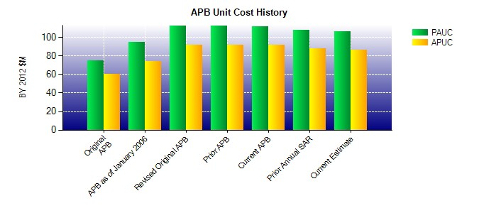
SAR Unit Cost History
Current SAR Baseline to Current Estimate (TY $M)
Initial PAUC Development Estimate | Changes |  |  |  |  |  |  |  |  |  |  |  |  |  |  | PAUC Current Estimate
 | Econ | Qty |  | Sch |  | Eng | Est |  | Oth |  | Spt |  | Total
135.065 0.422 0.000 1.592 0.744 -4.257 0.000 -3.981 -5.480 129.585

Table 71
Unit Cost History
Item |  |  |  |  | Date |  |  | BY 2012 $M |  |  |  |  | TY $M
 |  |  |  |  |  |  |  | PAUC |  | APUC |  |  | PAUC |  |  | APUC

Original APB |  |  | Mar 2012 |  |  |  |  | 21.989 |  |  | 17.328 |  |  | 25.990 |  |  | 21.708
APB as of January 2006 |  |  | N/A |  |  |  |  | N/A |  |  | N/A |  |  | N/A |  |  | N/A
Revised Original APB |  |  | N/A |  |  |  |  | N/A |  |  | N/A |  |  | N/A |  |  | N/A
Prior APB |  |  | Mar 2012 |  |  |  |  | 21.989 |  |  | 17.328 |  |  | 25.990 |  |  | 21.708
Current APB |  |  | Jun 2014 |  |  |  |  | 22.496 |  |  | 17.328 |  |  | 26.396 |  |  | 21.708
Prior Annual SAR |  |  | Dec 2014 |  |  |  |  | 22.626 |  |  | 17.378 |  |  | 27.274 |  |  | 22.526
Current Estimate |  |  | Dec 2015 |  |  |  |  | 20.960 |  |  | 15.709 |  |  | 24.685 |  |  | 19.930
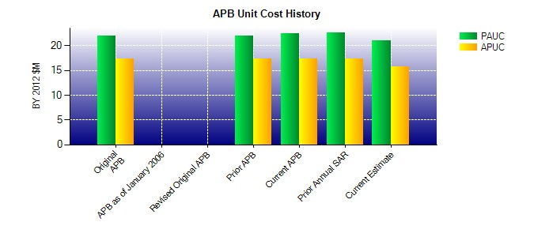
SAR Unit Cost History
Current SAR Baseline to Current Estimate (TY $M)
Initial PAUC Development Estimate | Changes |  |  |  |  |  |  |  |  |  |  |  |  |  | PAUC Current Estimate
 | Econ | Qty |  | Sch |  | Eng | Est |  | Oth | Spt |  | Total
25.990 0.054 0.000 0.303 0.000 -0.501 0.000 -1.161 -1.305 24.685

