Table 1

Selected Acquisition Report (SAR)
RCS: DD-A&T(Q&A)823-279

Joint Light Tactical Vehicle (JLTV)
As of FY 2017 President's Budget
Defense Acquisition Management Information Retrieval
(DAMIR)

Table 9
Schedule
Schedule Events
Events | SAR Baseline Development Estimate | Current APB Development Objective/Threshold |  | Current Estimate
Milestone B | Aug 2012 | Aug 2012 | Feb 2013 | Aug 2012
Milestone C | May 2015 | May 2015 | Nov 2015 | Aug 2015
Begin MOT&E | Feb 2017 | Feb 2017 | Aug 2017 | Feb 20181
Complete MOT&E | Jun 2017 | Jun 2017 | Dec 2017 | May 20181
FRP Decision | Feb 2018 | Feb 2018 | Aug 2018 | Dec 20181
IOC | May 2018 | May 2018 | Nov 2018 | Dec 20191
FOC | May 2025 | May 2025 | Nov 2025 | Nov 20391
1 APB Breach
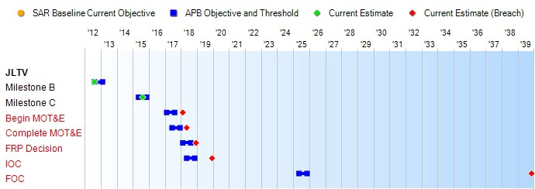
(Ch-1)
(Ch-2)
(Ch-3)
(Ch-4)
(Ch-5)
(Ch-6)

Table 32
Unit Cost History
Item |  |  |  |  | Date |  |  | BY 2012 $M |  |  |  |  |  | TY $M
 |  |  |  |  |  |  |  | PAUC |  |  | APUC |  |  | PAUC |  |  | APUC

Original APB |  |  | Oct 2012 |  |  |  |  | 0.416 |  |  |  | 0.399 |  |  | 0.556 |  |  | 0.538
APB as of January 2006 |  |  | N/A |  |  |  |  | N/A |  |  |  | N/A |  |  | N/A |  |  | N/A
Revised Original APB |  |  | N/A |  |  |  |  | N/A |  |  |  | N/A |  |  | N/A |  |  | N/A
Prior APB |  |  | N/A |  |  |  |  | N/A |  |  |  | N/A |  |  | N/A |  |  | N/A
Current APB |  |  | Oct 2012 |  |  |  |  | 0.416 |  |  |  | 0.399 |  |  | 0.556 |  |  | 0.538
Prior Annual SAR |  |  | Dec 2014 |  |  |  |  | 0.412 |  |  |  | 0.396 |  |  | 0.559 |  |  | 0.542
Current Estimate |  |  | Dec 2015 |  |  |  |  | 0.349 |  |  |  | 0.333 |  |  | 0.451 |  |  | 0.434
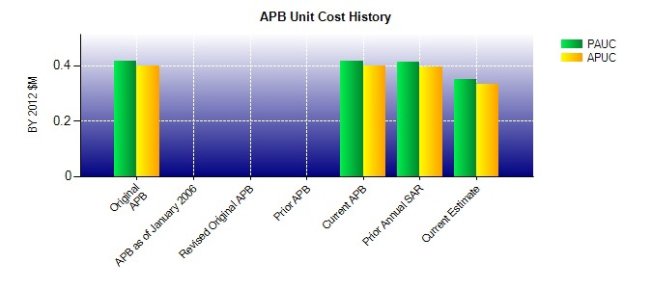
SAR Unit Cost History
Current SAR Baseline to Current Estimate (TY $M)
Initial PAUC Development Estimate | Changes |  |  |  |  |  |  |  |  |  |  |  |  |  |  | PAUC Current Estimate
 | Econ | Qty |  | Sch |  | Eng | Est |  | Oth | Spt |  |  | Total
0.556 0.002 0.000 -0.026 0.000 -0.080 0.000 -0.001 -0.105 0.451
Current SAR Baseline to Current Estimate (TY $M)
Initial APUC Development Estimate | Changes |  |  |  |  |  |  |  |  |  |  |  |  |  |  | APUC Current Estimate
 | Econ | Qty |  | Sch |  | Eng | Est |  | Oth | Spt |  |  | Total
0.538 0.002 0.000 -0.026 0.000 -0.079 0.000 -0.001 -0.104 0.434

