Table 1

Selected Acquisition Report (SAR)
RCS: DD-A&T(Q&A)823-384

Air and Missile Defense Radar (AMDR)
As of FY 2017 President's Budget
Defense Acquisition Management Information Retrieval
(DAMIR)

Table 9
Schedule
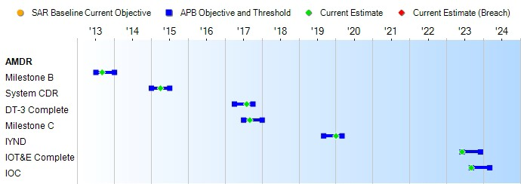
(Ch-1)
Schedule Events
Events | SAR Baseline Development Estimate | Current APB Development Objective/Threshold |  | Current Estimate
Milestone B | Jul 2013 | Jul 2013 | Jan 2014 | Sep 2013
System CDR | Jan 2015 | Jan 2015 | Jul 2015 | Apr 2015
DT-3 Complete | Apr 2017 | Apr 2017 | Oct 2017 | Aug 2017
Milestone C | Jul 2017 | Jul 2017 | Jan 2018 | Sep 2017
IYND | Sep 2019 | Sep 2019 | Mar 2020 | Jan 2020
IOT&E Complete | Jun 2023 | Jun 2023 | Dec 2023 | Jun 2023
IOC | Sep 2023 | Sep 2023 | Mar 2024 | Sep 2023
Change Explanations
(Ch-1) The current estimate for DT-3 Complete has changed from September 2017 to August 2017 to reflect current planned DT-3 completion date.
Acronyms and Abbreviations
CDR - Critical Design Review
DT&E - Developmental Test and Evaluation DT-3 - Developmental Test-3
IOT&E - Initial Operational Test and Evaluation IYND - In Yard Need Date

Table 25
Unit Cost History
Item |  |  |  |  | Date |  |  |  | BY 2013 $M |  |  |  |  |  |  | TY $M
 |  |  |  |  |  |  |  |  | PAUC |  |  | APUC |  |  |  | PAUC |  |  | APUC

Original APB |  |  | Oct 2013 |  |  |  |  |  | 260.714 |  |  |  |  | 174.859 |  |  | 302.845 |  |  | 214.727
APB as of January 2006 |  |  | N/A |  |  |  |  |  | N/A |  |  |  |  | N/A |  |  | N/A |  |  | N/A
Revised Original APB |  |  | N/A |  |  |  |  |  | N/A |  |  |  |  | N/A |  |  | N/A |  |  | N/A
Prior APB |  |  | N/A |  |  |  |  |  | N/A |  |  |  |  | N/A |  |  | N/A |  |  | N/A
Current APB |  |  | Oct 2013 |  |  |  |  |  | 260.714 |  |  |  |  | 174.859 |  |  | 302.845 |  |  | 214.727
Prior Annual SAR |  |  | Dec 2014 |  |  |  |  |  | 227.409 |  |  |  |  | 148.173 |  |  | 263.577 |  |  | 182.559
Current Estimate |  |  | Dec 2015 |  |  |  |  |  | 233.277 |  |  |  |  | 147.914 |  |  | 270.259 |  |  | 182.559
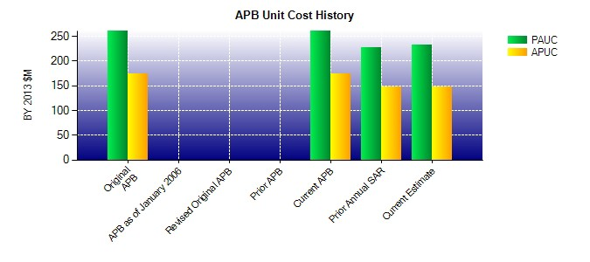
SAR Unit Cost History
Current SAR Baseline to Current Estimate (TY $M)
Initial PAUC Development Estimate | Changes |  |  |  |  |  |  |  |  |  |  |  |  |  |  |  |  | PAUC Current Estimate
 | Econ | Qty |  | Sch |  | Eng | Est |  |  |  | Oth |  | Spt |  | Total
302.845 0.418 0.000 0.000 7.955 -13.668 0.000 -27.291 -32.586 270.259
Current SAR Baseline to Current Estimate (TY $M)
Initial APUC Development Estimate | Changes |  |  |  |  |  |  |  |  |  |  |  |  |  |  |  |  | APUC Current Estimate
 | Econ | Qty |  | Sch |  | Eng |  | Est |  | Oth |  | Spt |  |  | Total
214.727 1.123 0.000 0.000 0.000 -6.000 0.000 -27.291 -32.168 182.559

