Table 1

Selected Acquisition Report (SAR)
RCS: DD-A&T(Q&A)823-390
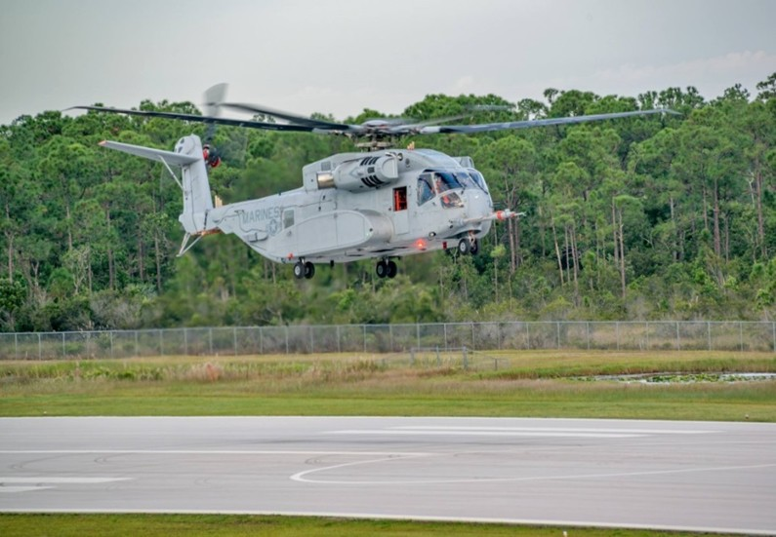
CH-53K Heavy Lift Replacement Helicopter (CH-53K)
As of FY 2017 President's Budget
Defense Acquisition Management Information Retrieval
(DAMIR)

Table 9
Schedule
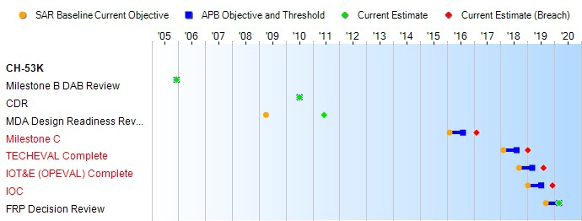
(Ch-1)
(Ch-1)
(Ch-1)
Schedule Events
Events | SAR Baseline Development Estimate | Current APB Development Objective/Threshold |  | Current Estimate
Milestone B DAB Review | Oct 2005 | Dec 2005 | Dec 2005 | Dec 2005
CDR | Mar 2009 | Jul 2010 | Jul 2010 | Jul 2010
MDA Design Readiness Review | Apr 2009 | N/A | N/A | Jun 2011
Milestone C | Dec 2012 | Feb 2016 | Aug 2016 | Feb 20171
TECHEVAL Complete | Oct 2014 | Feb 2018 | Aug 2018 | Jan 20191
IOT&E (OPEVAL) Complete | Jun 2015 | Sep 2018 | Mar 2019 | Aug 20191
IOC | Sep 2015 | Jan 2019 | Jul 2019 | Dec 20191
FRP Decision Review | Dec 2015 | Sep 2019 | Mar 2020 | Mar 2020
1 APB Breach
Change Explanations
(Ch-1) The following milestones dates for TECHEVAL Complete, IOT&E (OPEVAL) Complete and IOC have changed from August 2018, March 2019, July 2019 to January 2019, August 2019 and December 2019 respectively. This is a result of discoveries during test on the Ground Test Vehicle and qualification testing. The discoveries have driven component re- designs, re-qualifications, and re-test, thereby delaying First Flight and subsequent milestones. The Program is awaiting direction from the MDA for an APB rebaseline.

Table 26
Unit Cost History
Item |  |  |  |  | Date |  |  |  | BY 2006 $M |  |  |  |  |  | TY $M
 |  |  |  |  |  |  |  |  | PAUC |  | APUC |  |  |  | PAUC |  |  | APUC

Original APB |  |  | Dec 2005 |  |  |  |  |  | 96.031 |  |  | 72.493 |  |  |  | 120.297 |  |  | 94.736
APB as of January 2006 |  |  | Dec 2005 |  |  |  |  |  | 96.031 |  |  | 72.493 |  |  |  | 120.297 |  |  | 94.736
Revised Original APB |  |  | N/A |  |  |  |  |  | N/A |  |  | N/A |  |  |  | N/A |  |  | N/A
Prior APB |  |  | Dec 2005 |  |  |  |  |  | 96.031 |  |  | 72.493 |  |  |  | 120.297 |  |  | 94.736
Current APB |  |  | Apr 2013 |  |  |  |  |  | 108.469 |  |  | 82.236 |  |  |  | 142.503 |  |  | 113.157
Prior Annual SAR |  |  | Dec 2014 |  |  |  |  |  | 108.398 |  |  | 82.311 |  |  |  | 145.520 |  |  | 116.483
Current Estimate |  |  | Dec 2015 |  |  |  |  |  | 109.496 |  |  | 82.874 |  |  |  | 146.030 |  |  | 116.306
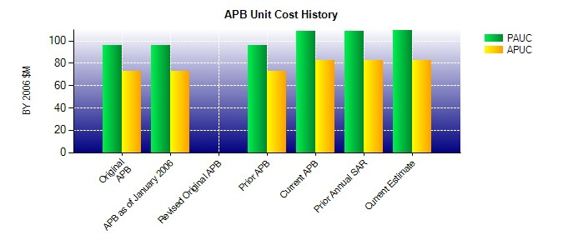
SAR Unit Cost History
Current SAR Baseline to Current Estimate (TY $M)
Initial PAUC Development Estimate | Changes |  |  |  |  |  |  |  |  |  |  |  |  |  |  |  | PAUC Current Estimate
 | Econ | Qty |  |  | Sch |  | Eng |  | Est | Oth |  |  | Spt | Total
120.297 -2.004 -10.579 16.312 0.140 20.460 0.000 1.404 25.733 146.030
Current SAR Baseline to Current Estimate (TY $M)
Initial APUC Development Estimate | Changes |  |  |  |  |  |  |  |  |  |  |  |  |  |  |  | APUC Current Estimate
 | Econ | Qty |  | Sch |  | Eng |  | Est |  | Oth |  | Spt |  | Total
94.736 -1.903 -5.411 12.062 0.000 15.710 0.000 1.112 21.570 116.306

