Table 1

Selected Acquisition Report (SAR)
RCS: DD-A&T(Q&A)823-223

CVN 78 Gerald R. Ford Class Nuclear Aircraft Carrier (CVN 78)
As of FY 2017 President's Budget
Defense Acquisition Management Information Retrieval
(DAMIR)

Table 50
CVN 78
Unit Cost History
Item |  |  |  | Date |  |  | BY 2000 $M |  |  |  |  | TY $M
 |  |  |  |  |  |  | PAUC |  | APUC |  |  | PAUC |  |  |  | APUC

Original APB |  | Apr 2004 |  |  |  |  | 9567.067 |  |  | 8275.300 |  |  |  | 12027.367 |  |  | 10582.900
APB as of January 2006 |  | Aug 2005 |  |  |  |  | 9068.800 |  |  | 7778.000 |  |  |  | 12004.400 |  |  | 10526.633
Revised Original APB |  | N/A |  |  |  |  | N/A |  |  | N/A |  |  |  | N/A |  |  | N/A
Prior APB |  | Nov 2007 |  |  |  |  | 9068.800 |  |  | 7778.000 |  |  |  | 12004.400 |  |  | 10526.633
Current APB |  | Apr 2013 |  |  |  |  | 8789.900 |  |  | 7588.100 |  |  |  | 11665.433 |  |  | 10269.567
Prior Annual SAR |  | Dec 2014 |  |  |  |  | 8414.567 |  |  | 7366.800 |  |  |  | 13222.600 |  |  | 12005.733
Current Estimate |  | Dec 2015 |  |  |  |  | 8609.767 |  |  | 7492.667 |  |  |  | 13565.167 |  |  | 12250.033
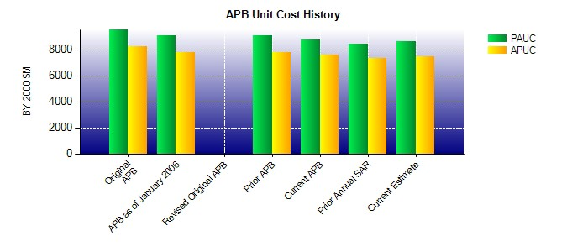
SAR Unit Cost History
Current SAR Baseline to Current Estimate (TY $M)
Initial PAUC Development Estimate | Changes |  |  |  |  |  |  |  |  |  |  |  |  |  | PAUC Current Estimate
 | Econ |  | Qty |  | Sch | Eng |  | Est |  | Oth | Spt |  | Total
11633.467 2145.467 0.000 279.833 -27.067 -469.433 0.000 2.900 1931.700 13565.167

Table 53
Unit Cost History
Item |  |  | Date |  | BY 2000 $M |  |  |  |  |  | TY $M
 |  |  |  |  | PAUC |  | APUC |  |  |  | PAUC |  |  | APUC

Original APB |  | Apr 2013 |  |  | 754.467 |  |  | 531.133 |  |  |  | 1071.867 |  |  | 816.700
APB as of January 2006 |  | N/A |  |  | N/A |  |  | N/A |  |  |  | N/A |  |  | N/A
Revised Original APB |  | N/A |  |  | N/A |  |  | N/A |  |  |  | N/A |  |  | N/A
Prior APB |  | N/A |  |  | N/A |  |  | N/A |  |  |  | N/A |  |  | N/A
Current APB |  | Apr 2013 |  |  | 754.467 |  |  | 531.133 |  |  |  | 1071.867 |  |  | 816.700
Prior Annual SAR |  | Dec 2014 |  |  | 718.000 |  |  | 460.267 |  |  |  | 1097.800 |  |  | 797.300
Current Estimate |  | Dec 2015 |  |  | 697.567 |  |  | 420.900 |  |  |  | 1042.333 |  |  | 715.800
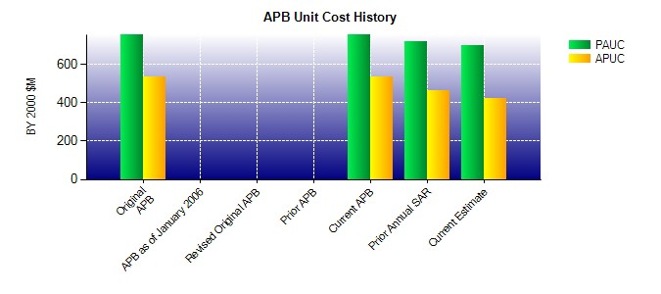
SAR Unit Cost History
Current SAR Baseline to Current Estimate (TY $M)
Initial PAUC Development Estimate | Changes |  |  |  |  |  |  |  |  |  |  |  | PAUC Current Estimate
 | Econ | Qty | Sch | Eng | Est | Oth |  |  | Spt | Total
393.900 164.967 0.000 0.000 0.000 483.466 0.000 0.000 648.433 1042.333

