Table 1

Selected Acquisition Report (SAR)
RCS: DD-A&T(Q&A)823-101
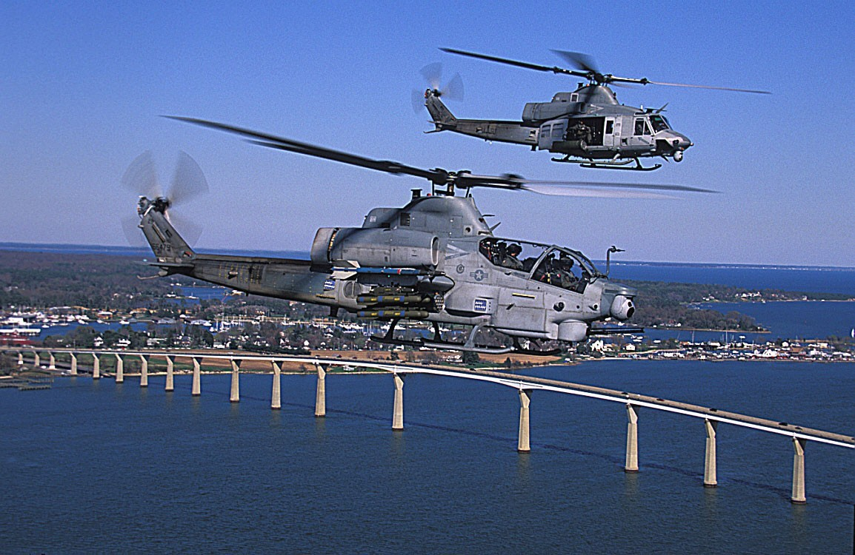
H-1 Upgrades (4BW/4BN) (H-1 Upgrades)
As of FY 2017 President's Budget
Defense Acquisition Management Information Retrieval
(DAMIR)

Table 9
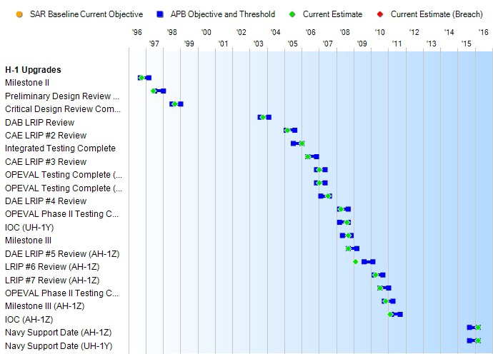
Schedule

Table 29
Unit Cost History
Item |  |  |  |  |  |  |  | Date |  |  |  |  | BY 2008 $M |  |  |  |  |  |  |  | TY $M
 |  |  |  |  |  |  |  |  |  |  |  |  | PAUC |  |  | APUC |  |  |  |  | PAUC |  |  |  | APUC

Original APB |  |  |  |  | Oct 1996 |  |  |  |  |  |  |  | 12.089 |  |  |  |  | 9.903 |  |  |  | 12.491 |  |  |  | 10.554
APB as of January 2006 |  |  |  |  | Apr 2005 |  |  |  |  |  |  |  | 27.649 |  |  |  |  | 22.689 |  |  |  | 28.172 |  |  |  | 23.843
Revised Original APB |  |  |  |  | Apr 2005 |  |  |  |  |  |  |  | 27.649 |  |  |  |  | 22.689 |  |  |  | 28.172 |  |  |  | 23.843
Prior APB |  |  |  |  | Dec 2008 |  |  |  |  |  |  |  | 31.738 |  |  |  |  | 26.946 |  |  |  | 34.524 |  |  |  | 30.208
Current APB |  |  |  |  | Feb 2011 |  |  |  |  |  |  |  | 33.861 |  |  |  |  | 28.907 |  |  |  | 36.079 |  |  |  | 31.582
Prior Annual SAR |  |  |  |  | Dec 2014 |  |  |  |  |  |  |  | 33.192 |  |  |  |  | 28.644 |  |  |  | 35.672 |  |  |  | 31.626
Current Estimate |  |  |  |  | Dec 2015 |  |  |  |  |  |  |  | 33.090 |  |  |  |  | 28.515 |  |  |  | 35.401 |  |  |  | 31.329
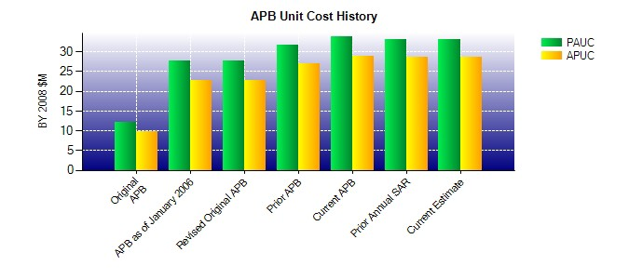
SAR Unit Cost History
Initial SAR Baseline to Current SAR Baseline (TY $M)
Initial PAUC Development Estimate | Changes |  |  |  |  |  |  |  |  |  |  |  |  |  |  |  |  |  |  |  |  |  |  | PAUC Production Estimate
 | Econ |  | Qty |  |  | Sch |  |  | Eng |  | Est |  |  |  | Oth |  | Spt |  |  | Total
12.491 -0.078 -1.056 1.772 2.351 15.397 0.000 3.647 22.033 34.524
Current SAR Baseline to Current Estimate (TY $M)
PAUC Production Estimate |  | Changes |  |  |  |  |  |  |  |  |  |  |  |  |  |  |  |  |  |  |  |  | PAUC Current Estimate
 |  | Econ |  | Qty |  |  | Sch |  |  | Eng |  | Est |  | Oth |  | Spt |  |  | Total
34.524 -0.710 0.071 -0.055 0.275 1.422 0.000 -0.126 0.877 35.401

