Table 1

Selected Acquisition Report (SAR)
RCS: DD-A&T(Q&A)823-418
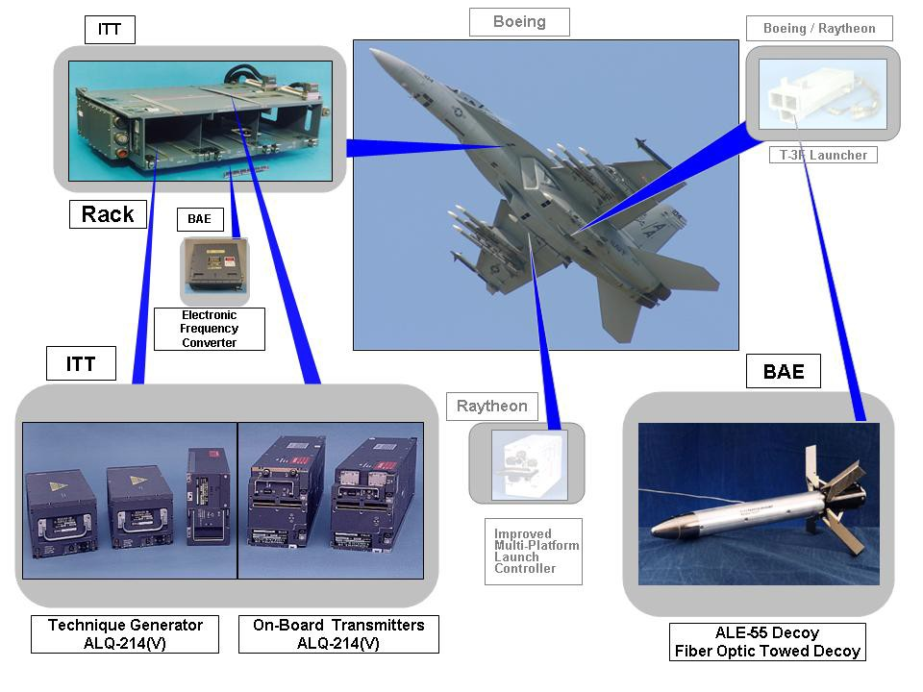
Integrated Defensive Electronic Countermeasures (IDECM)
As of FY 2017 President's Budget
Defense Acquisition Management Information Retrieval
(DAMIR)

Table 9
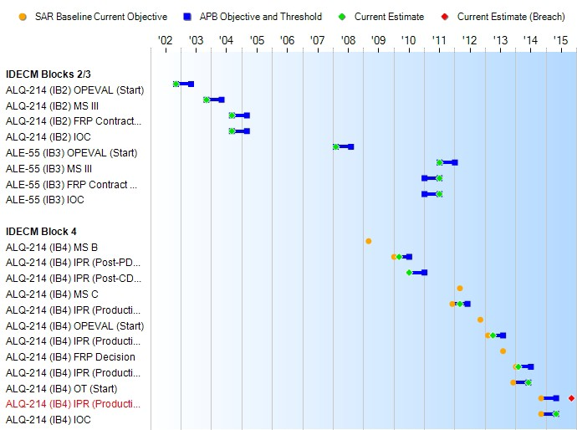
Schedule

Table 36
IDECM Blocks 2/3
Unit Cost History
Item |  |  |  |  | Date |  |  | BY 2008 $M |  |  |  |  | TY $M
 |  |  |  |  |  |  |  | PAUC |  | APUC |  |  | PAUC |  |  | APUC

Original APB |  |  | Jun 2008 |  |  |  |  | 0.110 |  |  | 0.075 |  |  | 0.120 |  |  | 0.089
APB as of January 2006 |  |  | N/A |  |  |  |  | N/A |  |  | N/A |  |  | N/A |  |  | N/A
Revised Original APB |  |  | N/A |  |  |  |  | N/A |  |  | N/A |  |  | N/A |  |  | N/A
Prior APB |  |  | Jun 2011 |  |  |  |  | 0.110 |  |  | 0.075 |  |  | 0.120 |  |  | 0.089
Current APB |  |  | Feb 2014 |  |  |  |  | 0.117 |  |  | 0.081 |  |  | 0.130 |  |  | 0.100
Prior Annual SAR |  |  | Dec 2014 |  |  |  |  | 0.122 |  |  | 0.086 |  |  | 0.145 |  |  | 0.114
Current Estimate |  |  | Dec 2015 |  |  |  |  | 0.126 |  |  | 0.090 |  |  | 0.153 |  |  | 0.122
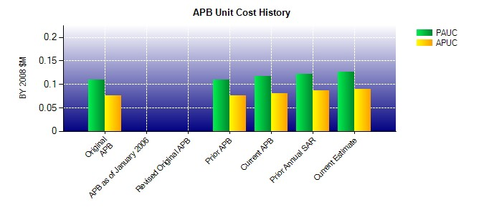
SAR Unit Cost History
Current SAR Baseline to Current Estimate (TY $M)
Initial PAUC Production Estimate | Changes |  |  |  |  |  |  |  |  |  |  |  |  |  | PAUC Current Estimate
 | Econ | Qty |  | Sch |  | Eng | Est |  | Oth | Spt |  | Total
0.120 -0.001 -0.001 0.021 0.000 0.010 0.000 0.004 0.033 0.153

Table 39
Unit Cost History
Item |  |  |  |  | Date |  |  | BY 2008 $M |  |  |  |  | TY $M
 |  |  |  |  |  |  |  | PAUC |  | APUC |  |  | PAUC |  |  | APUC

Original APB |  |  | Jun 2008 |  |  |  |  | 4.129 |  |  | 2.820 |  |  | 4.663 |  |  | 3.262
APB as of January 2006 |  |  | N/A |  |  |  |  | N/A |  |  | N/A |  |  | N/A |  |  | N/A
Revised Original APB |  |  | N/A |  |  |  |  | N/A |  |  | N/A |  |  | N/A |  |  | N/A
Prior APB |  |  | Apr 2012 |  |  |  |  | 4.114 |  |  | 2.852 |  |  | 4.543 |  |  | 3.206
Current APB |  |  | Feb 2014 |  |  |  |  | 4.114 |  |  | 2.852 |  |  | 4.543 |  |  | 3.206
Prior Annual SAR |  |  | Dec 2014 |  |  |  |  | 4.311 |  |  | 3.062 |  |  | 4.929 |  |  | 3.588
Current Estimate |  |  | Dec 2015 |  |  |  |  | 3.236 |  |  | 2.502 |  |  | 3.849 |  |  | 3.061
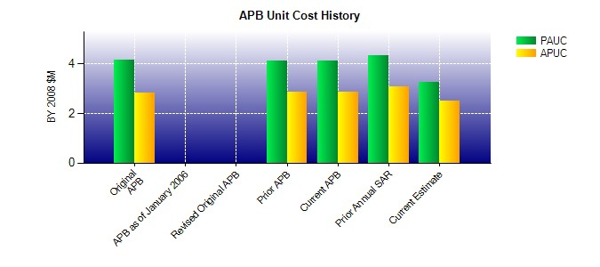
SAR Unit Cost History
Current SAR Baseline to Current Estimate (TY $M)
Initial PAUC Development Estimate | Changes |  |  |  |  |  |  |  |  |  |  |  |  |  | PAUC Current Estimate
 | Econ | Qty |  | Sch |  | Eng | Est |  | Oth | Spt |  | Total
4.663 -0.061 -1.668 0.689 0.195 -0.220 0.000 0.251 -0.814 3.849

