Table 1

Selected Acquisition Report (SAR)
RCS: DD-A&T(Q&A)823-238
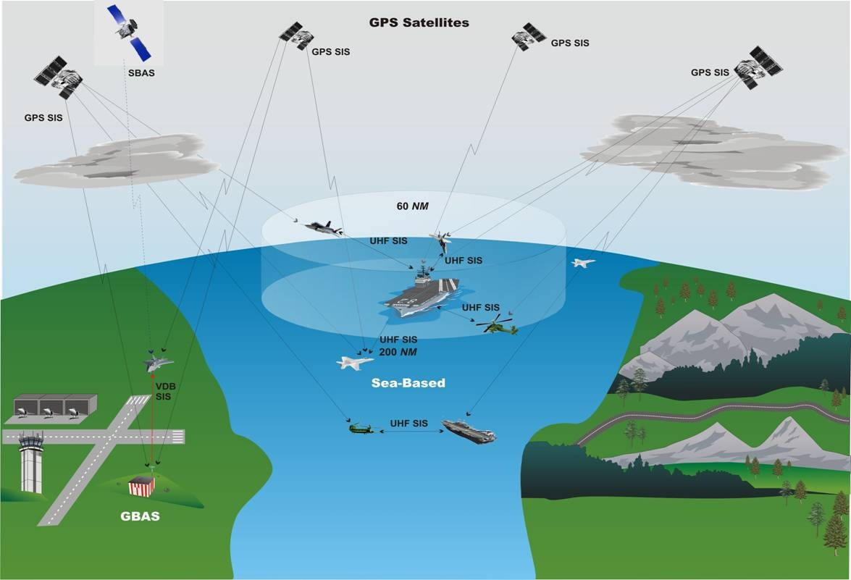
Joint Precision Approach and Landing System Increment 1A (JPALS Inc 1A)
As of FY 2017 President's Budget
Defense Acquisition Management Information Retrieval
(DAMIR)

Table 9
Schedule
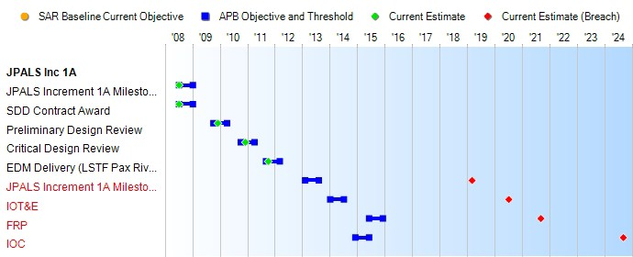
1 APB Breach
Schedule Events
Events | SAR Baseline Development Estimate | Current APB Development Objective/Threshold |  | Current Estimate
JPALS Increment 1A Milestone B | Jul 2008 | Jul 2008 | Jan 2009 | Jul 2008
SDD Contract Award | Jul 2008 | Jul 2008 | Jan 2009 | Jul 2008
Preliminary Design Review | Oct 2009 | Oct 2009 | Apr 2010 | Dec 2009
Critical Design Review | Oct 2010 | Oct 2010 | Apr 2011 | Dec 2010
EDM Delivery (LSTF Pax River) | Sep 2011 | Sep 2011 | Mar 2012 | Oct 2011
JPALS Increment 1A Milestone C | Feb 2013 | Feb 2013 | Aug 2013 | Mar 20191
IOT&E | Jan 2014 | Jan 2014 | Jul 2014 | Jul 20201
FRP | Jun 2015 | Jun 2015 | Dec 2015 | Sep 20211
IOC | Dec 2014 | Dec 2014 | Jun 2015 | Sep 20241
Change Explanations
None

Table 27
Unit Cost History
Item |  |  |  |  | Date |  |  | BY 2008 $M |  |  |  |  | TY $M
 |  |  |  |  |  |  |  | PAUC |  | APUC |  |  | PAUC |  |  | APUC

Original APB |  |  | Dec 2008 |  |  |  |  | 26.032 |  |  | 8.116 |  |  | 27.889 |  |  | 9.748
APB as of January 2006 |  |  | N/A |  |  |  |  | N/A |  |  | N/A |  |  | N/A |  |  | N/A
Revised Original APB |  |  | N/A |  |  |  |  | N/A |  |  | N/A |  |  | N/A |  |  | N/A
Prior APB |  |  | N/A |  |  |  |  | N/A |  |  | N/A |  |  | N/A |  |  | N/A
Current APB |  |  | Dec 2008 |  |  |  |  | 26.032 |  |  | 8.116 |  |  | 27.889 |  |  | 9.748
Prior Annual SAR |  |  | Dec 2014 |  |  |  |  | 52.237 |  |  | 24.865 |  |  | 59.193 |  |  | 32.324
Current Estimate |  |  | Dec 2015 |  |  |  |  | 63.856 |  |  | 24.594 |  |  | 73.341 |  |  | 31.771
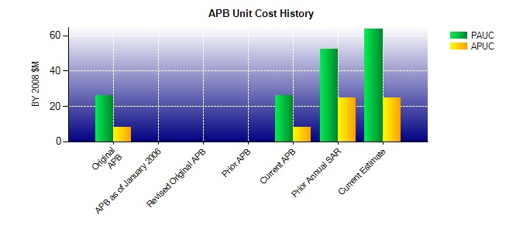
SAR Unit Cost History
Current SAR Baseline to Current Estimate (TY $M)
Initial PAUC Development Estimate | Changes |  |  |  |  |  |  |  |  |  |  |  |  |  | PAUC Current Estimate
 | Econ | Qty |  | Sch |  | Eng | Est |  | Oth | Spt |  | Total
27.889 -0.659 7.878 9.881 8.148 17.441 0.000 2.763 45.452 73.341
Current SAR Baseline to Current Estimate (TY $M)
Initial APUC Development Estimate | Changes |  |  |  |  |  |  |  |  |  |  |  |  |  | APUC Current Estimate
 | Econ | Qty |  | Sch |  | Eng | Est |  | Oth | Spt |  | Total
9.748 -0.871 1.018 1.412 0.000 16.076 0.000 4.388 22.023 31.771

