Table 1

Selected Acquisition Report (SAR)
RCS: DD-A&T(Q&A)823-443

Littoral Combat Ship Mission Modules (LCS MM)
As of FY 2017 President's Budget
Defense Acquisition Management Information Retrieval
(DAMIR)

Table 10
Schedule
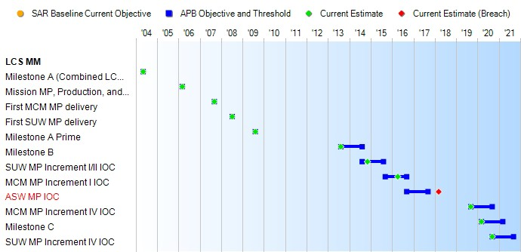
(Ch-1)
(Ch-2)
Schedule Events
Events | SAR Baseline Development Estimate | Current APB Development Objective/Threshold |  | Current Estimate
Milestone A (Combined LCS program) | May 2004 | May 2004 | May 2004 | May 2004
Mission MP, Production, and Assembly contract award | Mar 2006 | Mar 2006 | Mar 2006 | Mar 2006
First MCM MP delivery | Sep 2007 | Sep 2007 | Sep 2007 | Sep 2007
First SUW MP delivery | Jul 2008 | Jul 2008 | Jul 2008 | Jul 2008
Milestone A Prime | Aug 2009 | Aug 2009 | Aug 2009 | Aug 2009
Milestone B | Aug 2013 | Aug 2013 | Aug 2014 | Aug 2013
SUW MP Increment I/II IOC | Aug 2014 | Aug 2014 | Aug 2015 | Nov 2014
MCM MP Increment I IOC | Sep 2015 | Sep 2015 | Sep 2016 | Apr 2016
ASW MP IOC | Sep 2016 | Sep 2016 | Sep 2017 | Mar 20181
MCM MP Increment IV IOC | Sep 2019 | Sep 2019 | Sep 2020 | Sep 2019
Milestone C | Mar 2020 | Mar 2020 | Mar 2021 | Mar 2020
SUW MP Increment IV IOC | Sep 2020 | Sep 2020 | Sep 2021 | Sep 2020
1 APB Breach

Table 37
Unit Cost History
Item |  |  |  |  | Date |  |  | BY 2010 $M |  |  |  |  | TY $M
 |  |  |  |  |  |  |  | PAUC |  | APUC |  |  | PAUC |  |  | APUC

Original APB |  |  | Nov 2013 |  |  |  |  | 99.680 |  |  | 69.775 |  |  | 116.380 |  |  | 84.661
APB as of January 2006 |  |  | N/A |  |  |  |  | N/A |  |  | N/A |  |  | N/A |  |  | N/A
Revised Original APB |  |  | N/A |  |  |  |  | N/A |  |  | N/A |  |  | N/A |  |  | N/A
Prior APB |  |  | N/A |  |  |  |  | N/A |  |  | N/A |  |  | N/A |  |  | N/A
Current APB |  |  | Nov 2013 |  |  |  |  | 99.680 |  |  | 69.775 |  |  | 116.380 |  |  | 84.661
Prior Annual SAR |  |  | Dec 2014 |  |  |  |  | 98.255 |  |  | 67.322 |  |  | 116.828 |  |  | 84.522
Current Estimate |  |  | Dec 2015 |  |  |  |  | 99.577 |  |  | 67.788 |  |  | 118.573 |  |  | 85.415
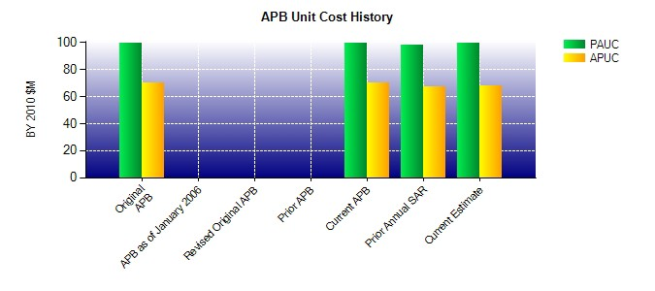
SAR Unit Cost History
Current SAR Baseline to Current Estimate (TY $M)
Initial PAUC Development Estimate | Changes |  |  |  |  |  |  |  |  |  |  |  |  |  | PAUC Current Estimate
 | Econ | Qty |  | Sch |  | Eng | Est |  | Oth |  | Spt | Total
116.380 -2.097 0.000 10.072 -0.344 -5.438 0.000 0.000 2.193 118.573
Current SAR Baseline to Current Estimate (TY $M)
Initial APUC Development Estimate | Changes |  |  |  |  |  |  |  |  |  |  |  |  |  | APUC Current Estimate
 | Econ | Qty |  | Sch |  | Eng | Est |  | Oth |  | Spt | Total
84.661 -1.805 0.000 10.925 -0.373 -7.993 0.000 0.000 0.754 85.415

