Table 1

Selected Acquisition Report (SAR)
RCS: DD-A&T(Q&A)823-333
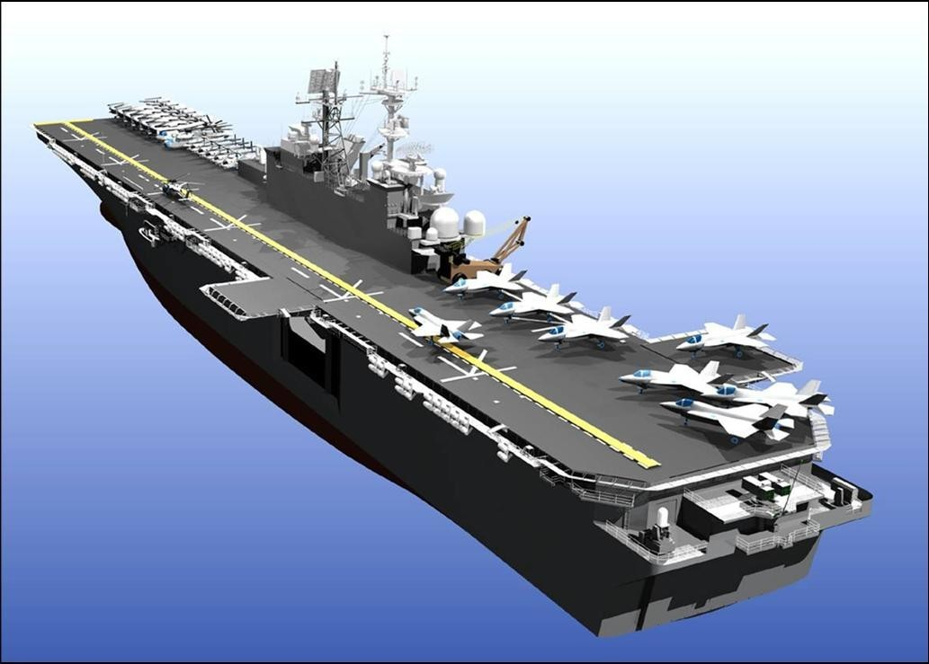
LHA 6 America Class Amphibious Assault Ship (LHA 6)
As of FY 2017 President's Budget
Defense Acquisition Management Information Retrieval
(DAMIR)

Table 9
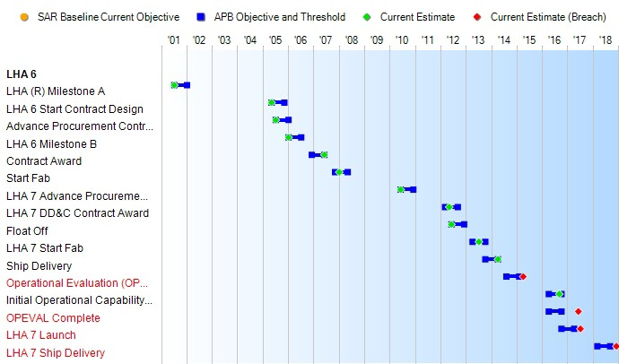
Schedule

Table 27
Unit Cost History
Item |  |  | Date |  |  | BY 2006 $M |  |  |  |  |  |  | TY $M
 |  |  |  |  |  | PAUC |  |  |  | APUC |  |  | PAUC |  |  | APUC

Original APB |  | Jan 2006 |  |  |  | 2877.400 |  |  |  |  | 2677.500 |  |  | 3093.500 |  |  | 2896.000
APB as of January 2006 |  | N/A |  |  |  | N/A |  |  |  |  | N/A |  |  | N/A |  |  | N/A
Revised Original APB |  | N/A |  |  |  | N/A |  |  |  |  | N/A |  |  | N/A |  |  | N/A
Prior APB |  | Jan 2006 |  |  |  | 2877.400 |  |  |  |  | 2677.500 |  |  | 3093.500 |  |  | 2896.000
Current APB |  | May 2012 |  |  |  | 2831.550 |  |  |  |  | 2710.450 |  |  | 3402.450 |  |  | 3281.700
Prior Annual SAR |  | Dec 2014 |  |  |  | 2802.733 |  |  |  |  | 2676.533 |  |  | 3645.500 |  |  | 3511.367
Current Estimate |  | Dec 2015 |  |  |  | 2777.700 |  |  |  |  | 2650.667 |  |  | 3609.100 |  |  | 3473.967
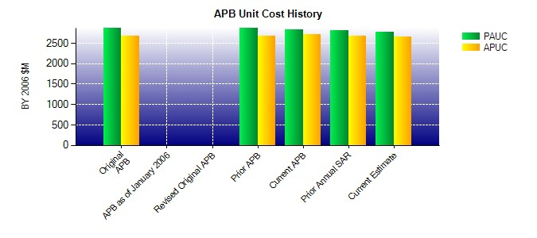
SAR Unit Cost History
Current SAR Baseline to Current Estimate (TY $M)
Initial PAUC Development Estimate | Changes |  |  |  |  |  |  |  |  |  |  |  |  |  | PAUC Current Estimate
 | Econ | Qty |  | Sch | Eng |  |  | Est | Oth |  |  | Spt | Total
3093.500 271.200 566.567 3.133 19.500 -435.467 90.667 0.000 515.600 3609.100
Current SAR Baseline to Current Estimate (TY $M)
Initial APUC Development Estimate | Changes |  |  |  |  |  |  |  |  |  |  |  |  |  | APUC Current Estimate
 | Econ | Qty |  | Sch | Eng |  | Est |  | Oth |  |  | Spt | Total
2896.000 271.500 698.234 3.133 0.000 -485.567 90.667 0.000 577.967 3473.967

