Table 1

Selected Acquisition Report (SAR)
RCS: DD-A&T(Q&A)823-516
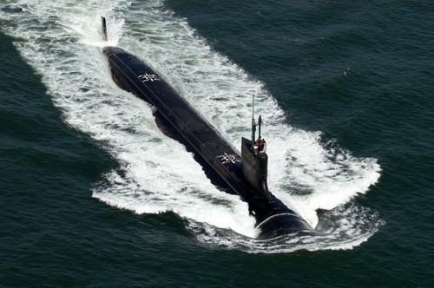
SSN 774 Virginia Class Submarine (SSN 774)
As of FY 2017 President's Budget
Defense Acquisition Management Information Retrieval
(DAMIR)

Table 10
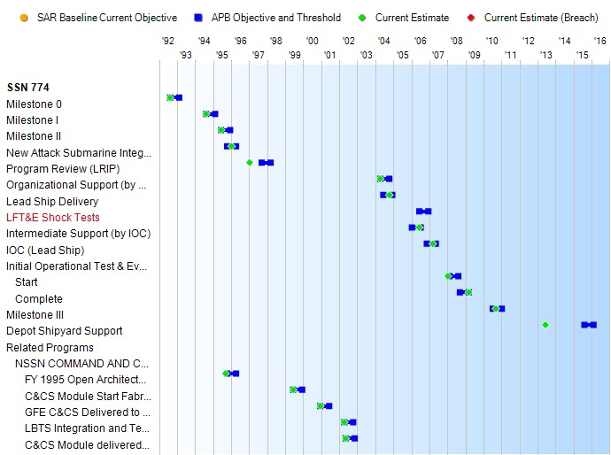
Schedule

Table 30
Unit Cost History
Item |  |  |  |  | Date |  |  |  | BY 1995 $M |  |  |  |  |  | TY $M
 |  |  |  |  |  |  |  |  | PAUC |  |  | APUC |  |  | PAUC |  |  |  |  | APUC

Original APB |  |  |  | Jun 1995 |  |  |  |  | 1521.103 |  |  |  | 1407.603 |  |  |  | 2369.360 |  |  |  | 2242.227
APB as of January 2006 |  |  |  | May 2005 |  |  |  |  | 2174.943 |  |  |  | 2021.430 |  |  |  | 2749.060 |  |  |  | 2578.850
Revised Original APB |  |  |  | N/A |  |  |  |  | N/A |  |  |  | N/A |  |  |  | N/A |  |  |  | N/A
Prior APB |  |  |  | May 2005 |  |  |  |  | 2174.943 |  |  |  | 2021.430 |  |  |  | 2749.060 |  |  |  | 2578.850
Current APB |  |  |  | Sep 2010 |  |  |  |  | 2145.120 |  |  |  | 1964.440 |  |  |  | 3106.910 |  |  |  | 2895.203
Prior Annual SAR |  |  |  | Dec 2014 |  |  |  |  | 2004.028 |  |  |  | 1829.784 |  |  |  | 3103.519 |  |  |  | 2897.975
Current Estimate |  |  |  | Dec 2015 |  |  |  |  | 2015.979 |  |  |  | 1846.218 |  |  |  | 3159.439 |  |  |  | 2959.133
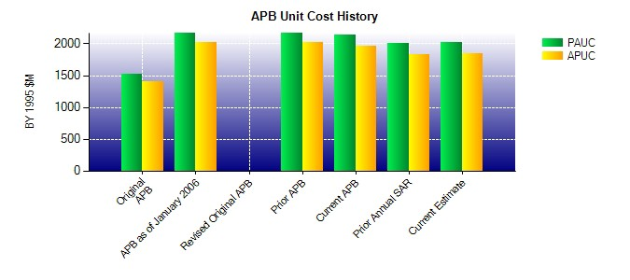
SAR Unit Cost History
Initial SAR Baseline to Current SAR Baseline (TY $M)
Initial PAUC Development Estimate | Changes |  |  |  |  |  |  |  |  |  |  |  |  |  |  |  |  |  | PAUC Production Estimate
 | Econ |  | Qty |  | Sch |  | Eng |  |  | Est |  | Oth |  | Spt |  |  | Total
2369.360 -166.403 0.000 259.820 42.410 564.303 9.333 28.087 737.550 3106.910
Current SAR Baseline to Current Estimate (TY $M)
PAUC Production Estimate |  | Changes |  |  |  |  |  |  |  |  |  |  |  |  |  |  |  | PAUC Current Estimate
 |  | Econ |  | Qty |  | Sch |  | Eng |  |  | Est | Oth |  | Spt |  | Total
3106.910 174.012 -53.056 -50.218 59.545 -71.127 0.000 -6.627 52.529 3159.439

