Table 1

Selected Acquisition Report (SAR)
RCS: DD-A&T(Q&A)823-178
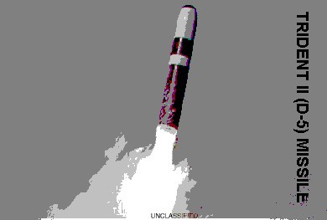
Trident II (D-5) Sea-Launched Ballistic Missile UGM 133A (Trident II Missile)
As of FY 2017 President's Budget
Defense Acquisition Management Information Retrieval
(DAMIR)

Table 9
Schedule
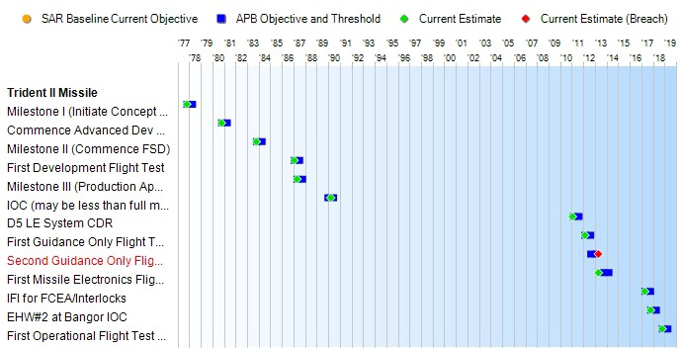
1 APB Breach
Schedule Events
Events | SAR Baseline Production Estimate | Current APB Production Objective/Threshold |  | Current Estimate
Milestone I (Initiate Concept Definition) | Oct 1977 | Oct 1977 | Apr 1978 | Oct 1977
Commence Advanced Dev Phase | Oct 1980 | Oct 1980 | Apr 1981 | Oct 1980
Milestone II (Commence FSD) | Oct 1983 | Oct 1983 | Apr 1984 | Oct 1983
First Development Flight Test | Jan 1987 | Jan 1987 | Jul 1987 | Jan 1987
Milestone III (Production Approval)/ Award Initial Missile Production | Apr 1987 | Apr 1987 | Oct 1987 | Apr 1987
IOC (may be less than full msl outload) | Dec 1989 | Dec 1989 | Jun 1990 | Mar 1990
D5 LE System CDR | N/A | Feb 2011 | Aug 2011 | Jan 2011
First Guidance Only Flight Test (DASO-23) | N/A | Feb 2012 | Aug 2012 | Feb 2012
Second Guidance Only Flight Test (DASO-24) | N/A | Aug 2012 | Feb 2013 | Apr 20131
First Missile Electronics Flight Test (PTM-1/DASO-25) | N/A | Sep 2013 | Mar 2014 | Apr 2013
IFI for FCEA/Interlocks | N/A | Apr 2017 | Oct 2017 | Apr 2017
EHW#2 at Bangor IOC | N/A | Oct 2017 | Apr 2018 | Oct 2017
First Operational Flight Test (CET) | N/A | Oct 2018 | Apr 2019 | Oct 2018

Table 31
Unit Cost History
Item |  |  |  |  | Date |  |  | BY 1983 $M |  |  |  |  | TY $M
 |  |  |  |  |  |  |  | PAUC |  | APUC |  |  | PAUC |  |  | APUC

Original APB |  |  | Jul 1987 |  |  |  |  | 31.428 |  |  | 21.581 |  |  | 42.034 |  |  | 31.162
APB as of January 2006 |  |  | Jun 2002 |  |  |  |  | 45.676 |  |  | 31.769 |  |  | 66.098 |  |  | 51.266
Revised Original APB |  |  | Jun 2002 |  |  |  |  | 45.676 |  |  | 31.769 |  |  | 66.098 |  |  | 51.266
Prior APB |  |  | Jun 2002 |  |  |  |  | 45.676 |  |  | 31.769 |  |  | 66.098 |  |  | 51.266
Current APB |  |  | Sep 2011 |  |  |  |  | 49.819 |  |  | 34.534 |  |  | 74.848 |  |  | 57.492
Prior Annual SAR |  |  | Dec 2014 |  |  |  |  | 49.303 |  |  | 34.166 |  |  | 74.257 |  |  | 57.156
Current Estimate |  |  | Dec 2015 |  |  |  |  | 49.384 |  |  | 34.262 |  |  | 74.373 |  |  | 57.312
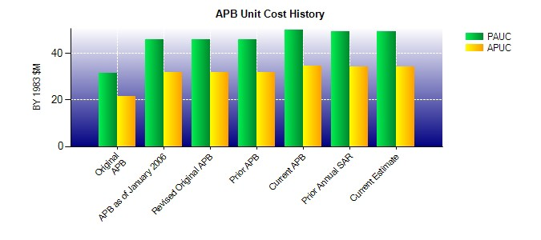
SAR Unit Cost History
Current SAR Baseline to Current Estimate (TY $M)
Initial PAUC Production Estimate | Changes |  |  |  |  |  |  |  |  |  |  |  |  |  | PAUC Current Estimate
 | Econ | Qty |  | Sch |  | Eng | Est |  | Oth | Spt |  | Total
42.034 -0.760 9.301 3.381 0.180 15.663 0.000 4.574 32.339 74.373
Current SAR Baseline to Current Estimate (TY $M)
Initial APUC Production Estimate | Changes |  |  |  |  |  |  |  |  |  |  |  |  |  | APUC Current Estimate
 | Econ | Qty |  | Sch |  | Eng | Est |  | Oth | Spt |  | Total
31.162 -0.733 3.971 3.215 0.175 14.708 0.000 4.814 26.150 57.312

