Table 1

Selected Acquisition Report (SAR)
RCS: DD-A&T(Q&A)823-212
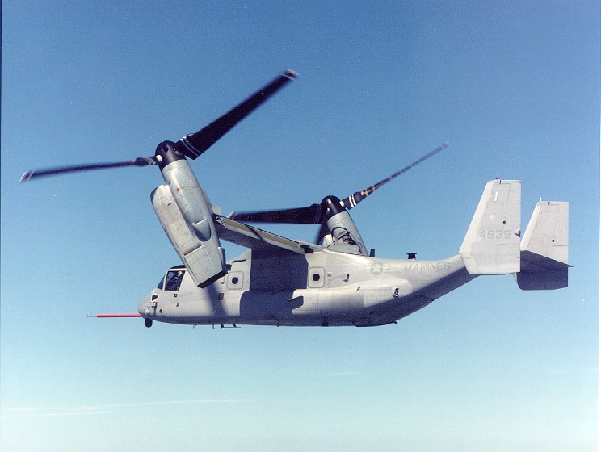
V-22 Osprey Joint Services Advanced Vertical Lift Aircraft (V-22)
As of FY 2017 President's Budget
Defense Acquisition Management Information Retrieval
(DAMIR)

Table 48
Unit Cost History
Item |  |  |  |  |  |  |  | Date |  |  |  | BY 2005 $M |  |  |  |  |  |  |  | TY $M
 |  |  |  |  |  |  |  |  |  |  |  | PAUC |  |  | APUC |  |  |  |  | PAUC |  |  |  | APUC

Original APB |  |  |  |  | Feb 1988 |  |  |  |  |  |  | 41.101 |  |  |  |  | 35.309 |  |  |  | 34.657 |  |  |  | 30.541
APB as of January 2006 |  |  |  |  | Sep 2005 |  |  |  |  |  |  | 109.717 |  |  |  |  | 84.568 |  |  |  | 116.274 |  |  |  | 94.516
Revised Original APB |  |  |  |  | Sep 2005 |  |  |  |  |  |  | 109.717 |  |  |  |  | 84.568 |  |  |  | 116.274 |  |  |  | 94.516
Prior APB |  |  |  |  | Feb 2008 |  |  |  |  |  |  | 109.717 |  |  |  |  | 84.568 |  |  |  | 116.274 |  |  |  | 94.516
Current APB |  |  |  |  | Oct 2011 |  |  |  |  |  |  | 109.717 |  |  |  |  | 84.568 |  |  |  | 116.274 |  |  |  | 94.516
Prior Annual SAR |  |  |  |  | Dec 2014 |  |  |  |  |  |  | 110.059 |  |  |  |  | 83.280 |  |  |  | 119.039 |  |  |  | 95.207
Current Estimate |  |  |  |  | Dec 2015 |  |  |  |  |  |  | 111.508 |  |  |  |  | 84.559 |  |  |  | 121.176 |  |  |  | 97.102
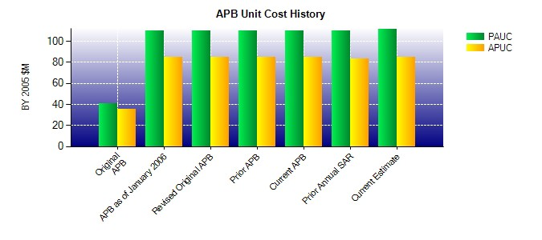
SAR Unit Cost History
Initial SAR Baseline to Current SAR Baseline (TY $M)
Initial PAUC Development Estimate | Changes |  |  |  |  |  |  |  |  |  |  |  |  |  |  |  |  |  |  |  |  |  | PAUC Production Estimate
 | Econ |  | Qty |  |  | Sch |  |  | Eng |  | Est |  |  | Oth |  |  |  | Spt |  | Total
40.180 -12.793 50.391 -4.762 8.157 30.121 0.000 4.980 76.094 116.274
Current SAR Baseline to Current Estimate (TY $M)
PAUC Production Estimate |  | Changes |  |  |  |  |  |  |  |  |  |  |  |  |  |  |  |  |  |  |  | PAUC Current Estimate
 |  | Econ |  | Qty |  |  | Sch |  | Eng | Est |  |  | Oth |  |  | Spt |  |  | Total
116.274 -1.169 -0.280 5.513 1.913 -1.909 0.000 0.834 4.902 121.176

