Table 1

Selected Acquisition Report (SAR)
RCS: DD-A&T(Q&A)823-429
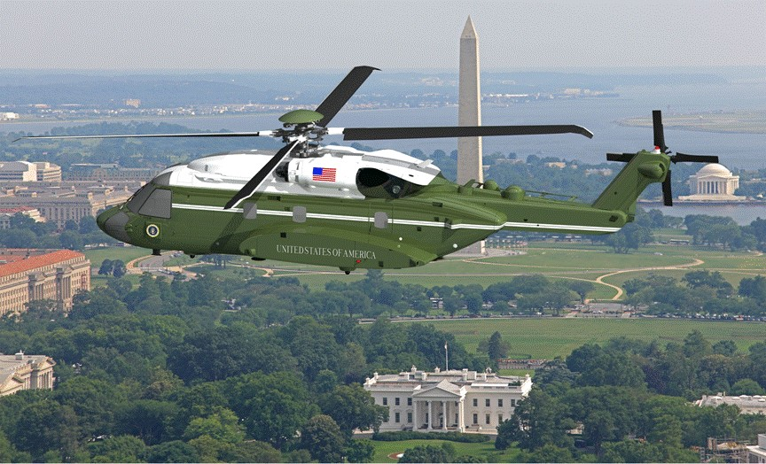
VH-92A Presidential Helicopter (VH-92A)
As of FY 2017 President's Budget
Defense Acquisition Management Information Retrieval
(DAMIR)

Table 9
Schedule
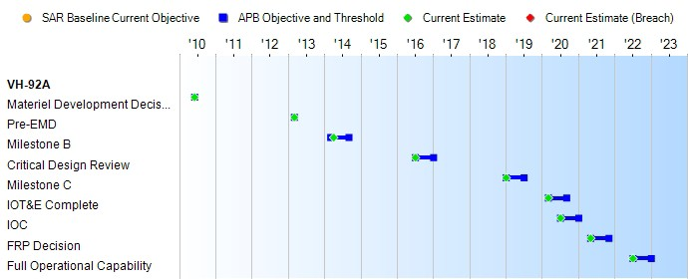
None
Schedule Events
Events | SAR Baseline Development Estimate | Current APB Development Objective/Threshold |  | Current Estimate
Materiel Development Decision | Jun 2010 | Jun 2010 | Jun 2010 | Jun 2010
Pre-EMD | Mar 2013 | Mar 2013 | Mar 2013 | Mar 2013
Milestone B | Mar 2014 | Mar 2014 | Sep 2014 | Apr 2014
Critical Design Review | Jul 2016 | Jul 2016 | Jan 2017 | Jul 2016
Milestone C | Jan 2019 | Jan 2019 | Jul 2019 | Jan 2019
IOT&E Complete | Mar 2020 | Mar 2020 | Sep 2020 | Mar 2020
IOC | Jul 2020 | Jul 2020 | Jan 2021 | Jul 2020
FRP Decision | May 2021 | May 2021 | Nov 2021 | May 2021
Full Operational Capability | Jul 2022 | Jul 2022 | Jan 2023 | Jul 2022
Change Explanations
Acronyms and Abbreviations
IOT&E - Initial Operational Test & Evaluation

Table 23
Unit Cost History
Item |  |  |  |  | Date |  |  | BY 2014 $M |  |  |  |  |  |  | TY $M
 |  |  |  |  |  |  |  | PAUC |  |  | APUC |  |  |  | PAUC |  |  | APUC

Original APB |  |  | Apr 2014 |  |  |  |  | 202.161 |  |  |  | 120.212 |  |  |  | 225.422 |  |  | 139.941
APB as of January 2006 |  |  | N/A |  |  |  |  | N/A |  |  |  | N/A |  |  |  | N/A |  |  | N/A
Revised Original APB |  |  | N/A |  |  |  |  | N/A |  |  |  | N/A |  |  |  | N/A |  |  | N/A
Prior APB |  |  | N/A |  |  |  |  | N/A |  |  |  | N/A |  |  |  | N/A |  |  | N/A
Current APB |  |  | Apr 2014 |  |  |  |  | 202.161 |  |  |  | 120.212 |  |  |  | 225.422 |  |  | 139.941
Prior Annual SAR |  |  | Dec 2014 |  |  |  |  | 203.291 |  |  |  | 121.482 |  |  |  | 224.543 |  |  | 139.947
Current Estimate |  |  | Dec 2015 |  |  |  |  | 201.157 |  |  |  | 129.706 |  |  |  | 221.226 |  |  | 148.024
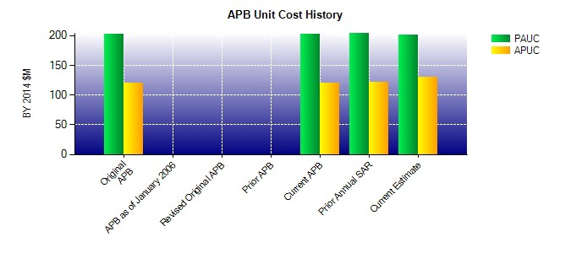
SAR Unit Cost History
Current SAR Baseline to Current Estimate (TY $M)
Initial PAUC Development Estimate | Changes |  |  |  |  |  |  |  |  |  |  |  |  |  |  |  | PAUC Current Estimate
 | Econ | Qty |  | Sch |  | Eng |  | Est |  | Oth |  |  | Spt | Total
225.422 -3.826 0.000 0.000 0.000 -7.383 0.000 7.013 -4.196 221.226
Current SAR Baseline to Current Estimate (TY $M)
Initial APUC Development Estimate | Changes |  |  |  |  |  |  |  |  |  |  |  |  |  |  |  | APUC Current Estimate
 | Econ | Qty |  | Sch |  |  | Eng |  | Est | Oth |  |  | Spt | Total
139.941 -2.624 0.000 0.000 0.000 1.218 0.000 9.488 8.082 148.024

