Table 1

Selected Acquisition Report (SAR)
RCS: DD-A&T(Q&A)823-442
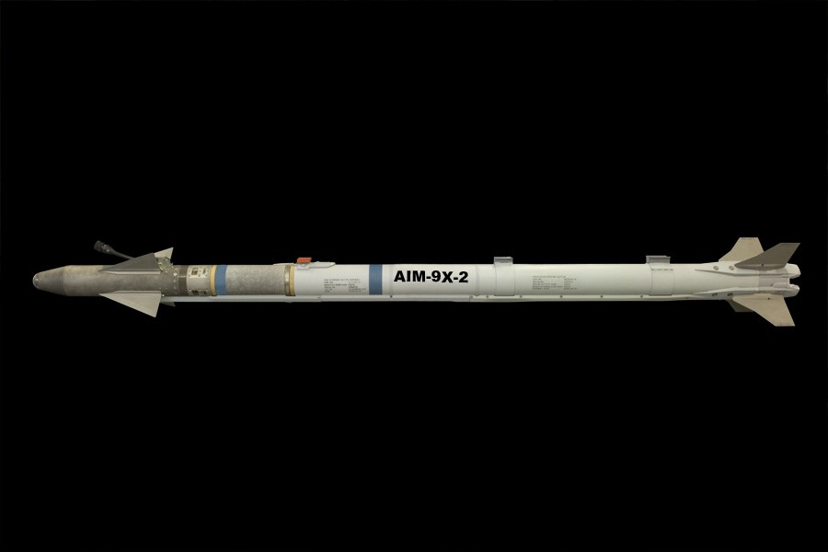
AIM-9X Block II Sidewinder (AIM-9X Blk II)
As of FY 2017 President's Budget
Defense Acquisition Management Information Retrieval
(DAMIR)

Table 30
Unit Cost History
Item |  |  |  |  | Date |  |  | BY 2011 $M |  |  |  |  |  | TY $M
 |  |  |  |  |  |  |  | PAUC |  |  | APUC |  |  | PAUC |  |  | APUC

Original APB |  |  | Dec 2011 |  |  |  |  | 0.661 |  |  |  | 0.633 |  |  | 0.809 |  |  | 0.780
APB as of January 2006 |  |  | N/A |  |  |  |  | N/A |  |  |  | N/A |  |  | N/A |  |  | N/A
Revised Original APB |  |  | N/A |  |  |  |  | N/A |  |  |  | N/A |  |  | N/A |  |  | N/A
Prior APB |  |  | Dec 2011 |  |  |  |  | 0.661 |  |  |  | 0.633 |  |  | 0.809 |  |  | 0.780
Current APB |  |  | Aug 2015 |  |  |  |  | 0.554 |  |  |  | 0.470 |  |  | 0.645 |  |  | 0.554
Prior Annual SAR |  |  | Dec 2014 |  |  |  |  | 0.541 |  |  |  | 0.456 |  |  | 0.626 |  |  | 0.533
Current Estimate |  |  | Dec 2015 |  |  |  |  | 0.583 |  |  |  | 0.493 |  |  | 0.683 |  |  | 0.586
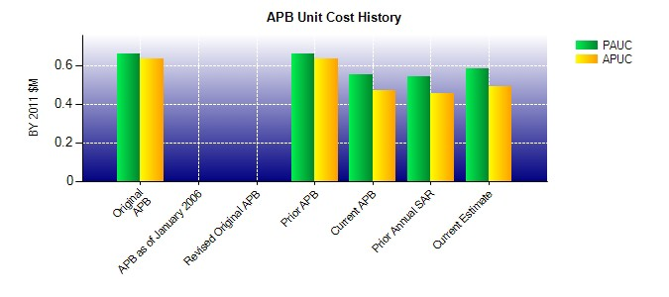
SAR Unit Cost History
Current SAR Baseline to Current Estimate (TY $M)
Initial PAUC Production Estimate | Changes |  |  |  |  |  |  |  |  |  |  |  |  |  |  | PAUC Current Estimate
 | Econ | Qty |  | Sch |  | Eng | Est |  | Oth | Spt |  |  | Total
0.809 0.017 0.000 -0.128 0.050 -0.048 0.000 -0.017 -0.126 0.683
Current SAR Baseline to Current Estimate (TY $M)
Initial APUC Production Estimate | Changes |  |  |  |  |  |  |  |  |  |  |  |  |  |  | APUC Current Estimate
 | Econ | Qty |  | Sch |  | Eng | Est |  | Oth | Spt |  |  | Total
0.780 0.018 0.000 -0.129 -0.001 -0.065 0.000 -0.017 -0.194 0.586

