Table 1

Selected Acquisition Report (SAR)
RCS: DD-A&T(Q&A)823-191
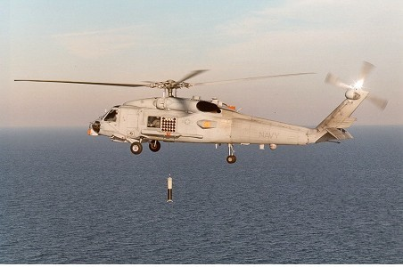
MH-60R Multi-Mission Helicopter (MH-60R)
As of FY 2017 President's Budget
Defense Acquisition Management Information Retrieval
(DAMIR)

Table 9
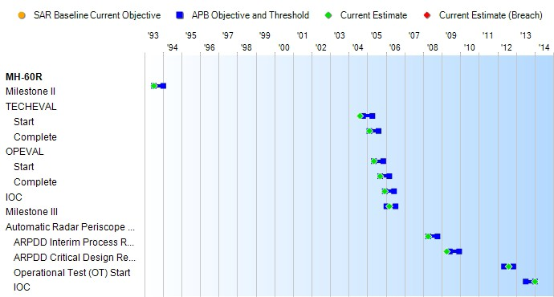
Schedule

Table 23
Unit Cost History
Item |  |  |  |  |  |  |  | Date |  |  | BY 2006 $M |  |  |  |  |  |  |  | TY $M
 |  |  |  |  |  |  |  |  |  |  | PAUC |  |  | APUC |  |  |  |  | PAUC |  |  |  | APUC

Original APB |  |  |  |  | Jun 1995 |  |  |  |  |  | 26.155 |  |  |  |  | 22.846 |  |  |  | 29.981 |  |  |  | 27.062
APB as of January 2006 |  |  |  |  | May 2004 |  |  |  |  |  | 40.208 |  |  |  |  | 34.255 |  |  |  | 41.427 |  |  |  | 36.090
Revised Original APB |  |  |  |  | May 2004 |  |  |  |  |  | 40.208 |  |  |  |  | 34.255 |  |  |  | 41.427 |  |  |  | 36.090
Prior APB |  |  |  |  | Sep 2008 |  |  |  |  |  | 42.626 |  |  |  |  | 36.143 |  |  |  | 45.746 |  |  |  | 39.877
Current APB |  |  |  |  | Nov 2010 |  |  |  |  |  | 43.597 |  |  |  |  | 38.121 |  |  |  | 47.146 |  |  |  | 42.193
Prior Annual SAR |  |  |  |  | Dec 2014 |  |  |  |  |  | 43.894 |  |  |  |  | 37.503 |  |  |  | 47.484 |  |  |  | 41.583
Current Estimate |  |  |  |  | Dec 2015 |  |  |  |  |  | 43.705 |  |  |  |  | 37.354 |  |  |  | 47.171 |  |  |  | 41.321
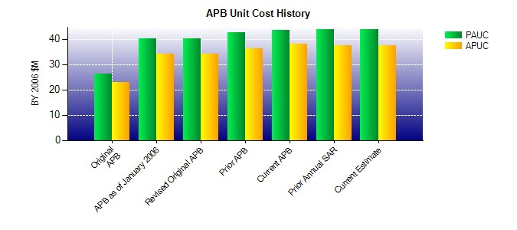
SAR Unit Cost History
Initial SAR Baseline to Current SAR Baseline (TY $M)
Initial PAUC Development Estimate | Changes |  |  |  |  |  |  |  |  |  |  |  |  |  |  |  |  |  |  |  |  | PAUC Production Estimate
 | Econ |  | Qty |  |  | Sch |  |  | Eng | Est |  |  | Oth |  |  |  | Spt |  | Total
44.979 -1.370 -18.295 0.747 3.963 11.669 0.000 3.286 0.000 44.979
Current SAR Baseline to Current Estimate (TY $M)
PAUC Production Estimate |  | Changes |  |  |  |  |  |  |  |  |  |  |  |  |  |  |  |  |  |  | PAUC Current Estimate
 |  | Econ |  | Qty |  |  | Sch |  | Eng | Est |  | Oth |  |  | Spt |  |  | Total
44.979 -0.282 -0.852 0.465 1.405 1.248 0.000 0.208 2.192 47.171

