Table 1

Selected Acquisition Report (SAR)
RCS: DD-A&T(Q&A)823-345
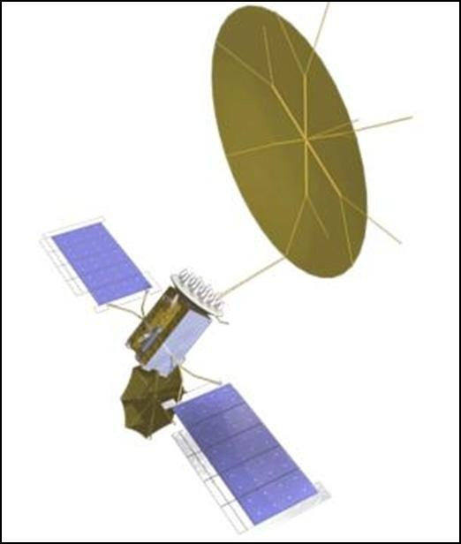
Mobile User Objective System (MUOS)
As of FY 2017 President's Budget
Defense Acquisition Management Information Retrieval
(DAMIR)

Table 9
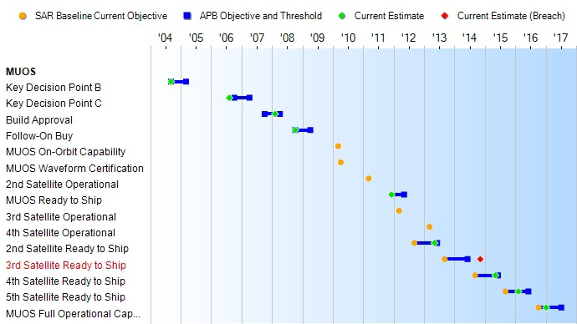
Schedule

Table 32
Unit Cost History
Item |  |  |  |  | Date |  |  |  | BY 2004 $M |  |  |  |  |  |  |  |  | TY $M
 |  |  |  |  |  |  |  |  | PAUC |  |  |  |  | APUC |  |  |  | PAUC |  |  |  |  | APUC

Original APB |  |  |  | Dec 2004 |  |  |  |  | 956.333 |  |  |  |  |  | 647.750 |  |  |  |  | 1080.183 |  |  |  | 776.025
APB as of January 2006 |  |  |  | Dec 2004 |  |  |  |  | 956.333 |  |  |  |  |  | 647.750 |  |  |  |  | 1080.183 |  |  |  | 776.025
Revised Original APB |  |  |  | N/A |  |  |  |  | N/A |  |  |  |  |  | N/A |  |  |  |  | N/A |  |  |  | N/A
Prior APB |  |  |  | Mar 2008 |  |  |  |  | 961.483 |  |  |  |  |  | 615.075 |  |  |  |  | 1135.100 |  |  |  | 776.025
Current APB |  |  |  | Jul 2012 |  |  |  |  | 1015.700 |  |  |  |  |  | 588.550 |  |  |  |  | 1182.650 |  |  |  | 724.075
Prior Annual SAR |  |  |  | Dec 2014 |  |  |  |  | 1023.600 |  |  |  |  |  | 582.025 |  |  |  |  | 1213.800 |  |  |  | 736.275
Current Estimate |  |  |  | Dec 2015 |  |  |  |  | 971.050 |  |  |  |  |  | 541.350 |  |  |  |  | 1139.867 |  |  |  | 679.975
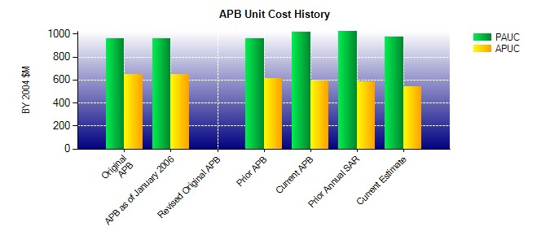
SAR Unit Cost History
Initial SAR Baseline to Current SAR Baseline (TY $M)
Initial PAUC Development Estimate | Changes |  |  |  |  |  |  |  |  |  |  |  |  |  |  |  |  |  |  |  |  | PAUC Production Estimate
 | Econ |  | Qty |  | Sch |  | Eng |  |  | Est |  | Oth |  |  |  | Spt |  |  | Total
1080.183 49.000 0.000 2.750 0.000 3.167 0.000 0.000 54.917 1135.100
Current SAR Baseline to Current Estimate (TY $M)
PAUC Production Estimate |  | Changes |  |  |  |  |  |  |  |  |  |  |  |  |  |  |  |  |  |  | PAUC Current Estimate
 |  | Econ |  | Qty |  | Sch |  | Eng |  |  | Est |  | Oth |  |  |  | Spt | Total
1135.100 -16.567 0.000 11.683 34.451 -24.800 0.000 0.000 4.767 1139.867

