Table 1

Selected Acquisition Report (SAR)
RCS: DD-A&T(Q&A)823-290
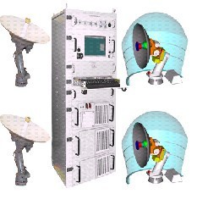
Navy Multiband Terminal (NMT)
As of FY 2017 President's Budget
Defense Acquisition Management Information Retrieval
(DAMIR)

Table 9
Schedule
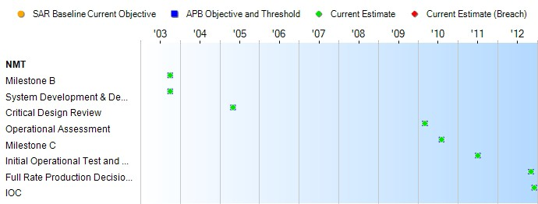
None
Schedule Events
Events | SAR Baseline Production Estimate | Current APB Production Objective/Threshold |  | Current Estimate
Milestone B | Oct 2003 | Oct 2003 | Oct 2003 | Oct 2003
System Development & Demonstration Contract Award | Oct 2003 | Oct 2003 | Oct 2003 | Oct 2003
Critical Design Review | May 2005 | May 2005 | May 2005 | May 2005
Operational Assessment | Sep 2009 | Mar 2010 | Mar 2010 | Mar 2010
Milestone C | Feb 2010 | Aug 2010 | Aug 2010 | Aug 2010
Initial Operational Test and Evaluation (Start) | Apr 2012 | Jul 2011 | Jul 2011 | Jul 2011
Full Rate Production Decision Review | Sep 2012 | Nov 2012 | Nov 2012 | Nov 2012
IOC | Sep 2012 | Dec 2012 | Dec 2012 | Dec 2012
Change Explanations

Table 27
Unit Cost History
Item |  |  |  |  |  |  |  | Date |  |  |  |  | BY 2002 $M |  |  |  |  |  | TY $M
 |  |  |  |  |  |  |  |  |  |  |  |  | PAUC |  | APUC |  |  |  | PAUC |  |  |  | APUC

Original APB |  |  |  |  | Dec 2006 |  |  |  |  |  |  |  | 5.776 |  |  | 4.412 |  |  |  | 6.970 |  |  |  | 5.544
APB as of January 2006 |  |  |  |  | N/A |  |  |  |  |  |  |  | N/A |  |  | N/A |  |  |  | N/A |  |  |  | N/A
Revised Original APB |  |  |  |  | N/A |  |  |  |  |  |  |  | N/A |  |  | N/A |  |  |  | N/A |  |  |  | N/A
Prior APB |  |  |  |  | Apr 2013 |  |  |  |  |  |  |  | 5.498 |  |  | 3.857 |  |  |  | 6.823 |  |  |  | 5.017
Current APB |  |  |  |  | Mar 2016 |  |  |  |  |  |  |  | 6.372 |  |  | 4.166 |  |  |  | 8.047 |  |  |  | 5.474
Prior Annual SAR |  |  |  |  | Dec 2014 |  |  |  |  |  |  |  | 5.924 |  |  | 3.910 |  |  |  | 7.414 |  |  |  | 5.108
Current Estimate |  |  |  |  | Dec 2015 |  |  |  |  |  |  |  | 6.358 |  |  | 4.158 |  |  |  | 8.047 |  |  |  | 5.474
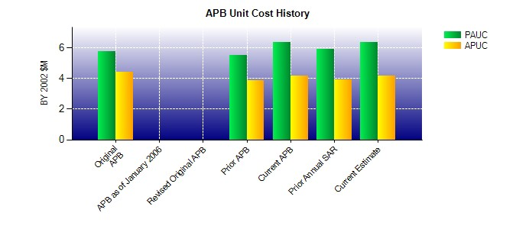
SAR Unit Cost History
Initial SAR Baseline to Current SAR Baseline (TY $M)
Initial PAUC Development Estimate | Changes |  |  |  |  |  |  |  |  |  |  |  |  |  |  |  |  |  |  |  |  | PAUC Production Estimate
 | Econ |  | Qty |  |  | Sch |  |  | Eng |  | Est |  |  | Oth | Spt |  |  | Total
6.970 0.082 0.637 0.034 0.000 -1.210 0.000 -0.418 -0.875 6.095
Current SAR Baseline to Current Estimate (TY $M)
PAUC Production Estimate |  | Changes |  |  |  |  |  |  |  |  |  |  |  |  |  |  |  |  |  |  | PAUC Current Estimate
 |  | Econ |  | Qty |  |  | Sch |  |  | Eng |  | Est |  | Oth | Spt |  | Total
6.095 0.008 0.297 0.033 0.762 0.852 0.000 0.000 1.952 8.047

