Table 1

Selected Acquisition Report (SAR)
RCS: DD-A&T(Q&A)823-286
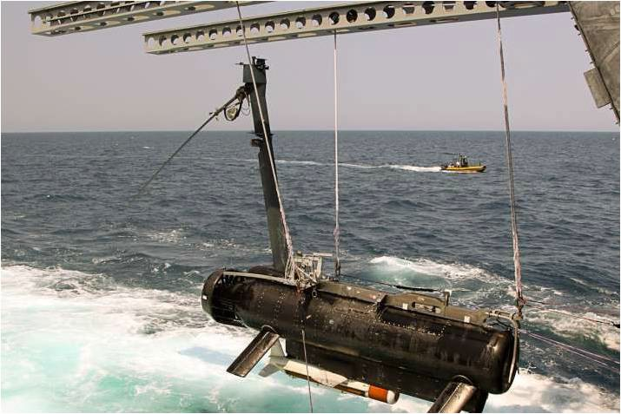
Remote Minehunting System (RMS)
As of FY 2017 President's Budget
Defense Acquisition Management Information Retrieval
(DAMIR)

Table 9
Schedule
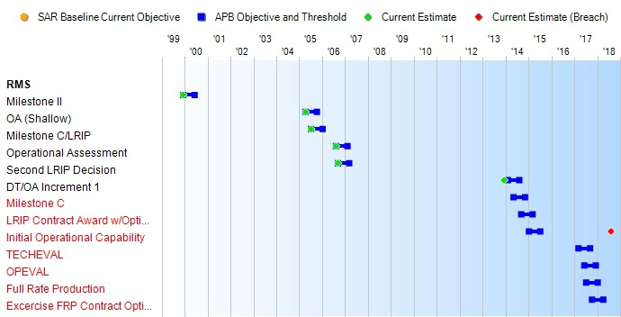
(Ch-1)
(Ch-1)
(Ch-2)
(Ch-1)
(Ch-1)
(Ch-1)
(Ch-1)
Schedule Events
Events | SAR Baseline Development Estimate | Current APB Development Objective/Threshold |  | Current Estimate
Milestone II | Dec 1999 | Dec 1999 | Jun 2000 | Dec 1999
OA (Shallow) | Apr 2005 | Apr 2005 | Oct 2005 | Apr 2005
Milestone C/LRIP | Jul 2005 | Jul 2005 | Jan 2006 | Jul 2005
Operational Assessment | Aug 2006 | Aug 2006 | Feb 2007 | Aug 2006
Second LRIP Decision | Sep 2006 | Sep 2006 | Mar 2007 | Sep 2006
DT/OA Increment 1 | Feb 2014 | Feb 2014 | Aug 2014 | Dec 2013
Milestone C | May 2014 | May 2014 | Nov 2014 | N/A1
LRIP Contract Award w/Options for FRP | Sep 2014 | Sep 2014 | Mar 2015 | N/A1
Initial Operational Capability | Jan 2015 | Jan 2015 | Jul 2015 | Aug 20181
TECHEVAL | Mar 2017 | Mar 2017 | Sep 2017 | N/A1
OPEVAL | Jun 2017 | Jun 2017 | Dec 2017 | N/A1
Full Rate Production | Jul 2017 | Jul 2017 | Jan 2018 | N/A1
Excercise FRP Contract Options under LRIP Contract | Oct 2017 | Oct 2017 | Apr 2018 | N/A1
1 APB Breach

Table 26
Unit Cost History
Item |  |  |  |  |  |  |  | Date |  |  |  | BY 2006 $M |  |  |  |  |  |  |  |  | TY $M
 |  |  |  |  |  |  |  |  |  |  |  | PAUC |  |  |  | APUC |  |  |  |  | PAUC |  |  |  | APUC

Original APB |  |  |  |  | Oct 2006 |  |  |  |  |  |  | 12.080 |  |  |  |  |  | 8.364 |  |  |  | 12.957 |  |  |  | 9.572
APB as of January 2006 |  |  |  |  | N/A |  |  |  |  |  |  | N/A |  |  |  |  |  | N/A |  |  |  | N/A |  |  |  | N/A
Revised Original APB |  |  |  |  | Oct 2010 |  |  |  |  |  |  | 23.696 |  |  |  |  |  | 12.115 |  |  |  | 26.841 |  |  |  | 15.288
Prior APB |  |  |  |  | Oct 2010 |  |  |  |  |  |  | 23.696 |  |  |  |  |  | 12.115 |  |  |  | 26.841 |  |  |  | 15.288
Current APB |  |  |  |  | Oct 2012 |  |  |  |  |  |  | 23.696 |  |  |  |  |  | 12.115 |  |  |  | 26.841 |  |  |  | 15.288
Prior Annual SAR |  |  |  |  | Dec 2014 |  |  |  |  |  |  | 24.587 |  |  |  |  |  | 12.825 |  |  |  | 28.511 |  |  |  | 16.692
Current Estimate |  |  |  |  | Dec 2015 |  |  |  |  |  |  | 73.910 |  |  |  |  |  | 15.138 |  |  |  | 74.460 |  |  |  | 15.912
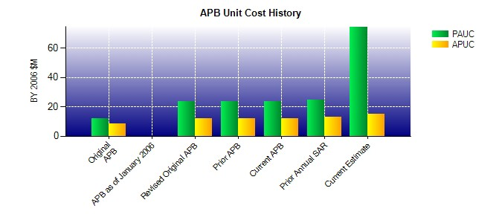
SAR Unit Cost History
Initial SAR Baseline to Current SAR Baseline (TY $M)
Initial PAUC Production Estimate | Changes |  |  |  |  |  |  |  |  |  |  |  |  |  |  |  |  |  |  |  |  |  |  | PAUC Development Estimate
 | Econ |  | Qty |  |  | Sch |  |  | Eng |  | Est |  |  | Oth |  |  | Spt |  |  | Total
12.957 -0.752 3.262 2.950 0.454 6.344 0.000 1.626 13.884 26.841
Current SAR Baseline to Current Estimate (TY $M)
PAUC Development Estimate |  | Changes |  |  |  |  |  |  |  |  |  |  |  |  |  |  |  |  |  |  |  |  | PAUC Current Estimate
 |  | Econ |  | Qty |  |  | Sch |  | Eng | Est |  |  | Oth |  | Spt |  |  |  | Total
26.841 1.010 66.349 5.300 0.000 -12.520 0.000 -12.520 47.619 74.460

