Table 1

Selected Acquisition Report (SAR)
RCS: DD-A&T(Q&A)823-554
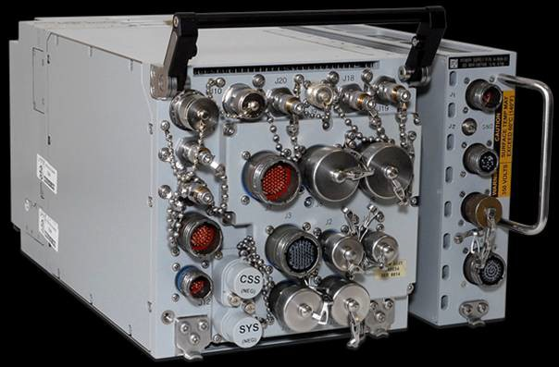
Multifunctional Information Distribution System (MIDS)
As of FY 2017 President's Budget
Defense Acquisition Management Information Retrieval
(DAMIR)

Table 71
Unit Cost History
Item |  |  |  |  |  |  |  | Date |  |  |  |  | BY 2003 $M |  |  |  |  |  |  |  | TY $M
 |  |  |  |  |  |  |  |  |  |  |  |  | PAUC |  |  | APUC |  |  |  |  | PAUC |  |  |  | APUC

Original APB |  |  |  |  | Mar 1994 |  |  |  |  |  |  |  | 1.625 |  |  |  |  | 0.831 |  |  |  | 1.666 |  |  |  | 0.931
APB as of January 2006 |  |  |  |  | Jun 2004 |  |  |  |  |  |  |  | 0.616 |  |  |  |  | 0.339 |  |  |  | 0.614 |  |  |  | 0.352
Revised Original APB |  |  |  |  | N/A |  |  |  |  |  |  |  | N/A |  |  |  |  | N/A |  |  |  | N/A |  |  |  | N/A
Prior APB |  |  |  |  | Apr 2012 |  |  |  |  |  |  |  | 0.533 |  |  |  |  | 0.255 |  |  |  | 0.573 |  |  |  | 0.280
Current APB |  |  |  |  | Nov 2013 |  |  |  |  |  |  |  | 0.486 |  |  |  |  | 0.243 |  |  |  | 0.535 |  |  |  | 0.276
Prior Annual SAR |  |  |  |  | Dec 2014 |  |  |  |  |  |  |  | 0.500 |  |  |  |  | 0.258 |  |  |  | 0.554 |  |  |  | 0.296
Current Estimate |  |  |  |  | Dec 2015 |  |  |  |  |  |  |  | 0.450 |  |  |  |  | 0.267 |  |  |  | 0.522 |  |  |  | 0.327
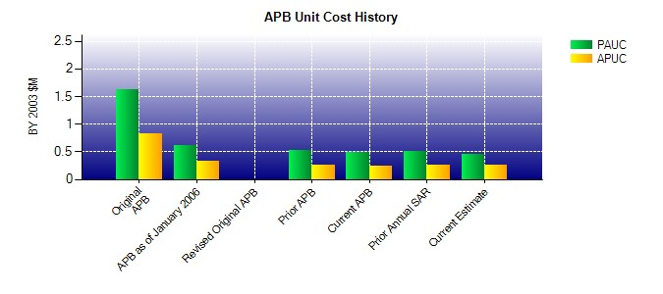
SAR Unit Cost History
Initial SAR Baseline to Current SAR Baseline (TY $M)
Initial PAUC Development Estimate | Changes |  |  |  |  |  |  |  |  |  |  |  |  |  |  |  |  |  |  |  |  |  |  | PAUC Production Estimate
 | Econ |  | Qty |  |  | Sch |  |  | Eng |  |  | Est |  |  | Oth |  | Spt |  |  | Total
1.670 -0.023 -1.090 0.015 -0.017 0.058 0.000 0.001 -1.056 0.614
Current SAR Baseline to Current Estimate (TY $M)
PAUC Production Estimate |  | Changes |  |  |  |  |  |  |  |  |  |  |  |  |  |  |  |  |  |  |  |  | PAUC Current Estimate
 |  | Econ |  | Qty |  |  | Sch |  |  | Eng | Est |  |  | Oth |  | Spt |  |  | Total
0.614 0.002 -0.159 -0.007 0.068 -0.003 0.000 0.007 -0.092 0.522

