Table 1

Selected Acquisition Report (SAR)
RCS: DD-A&T(Q&A)823-289
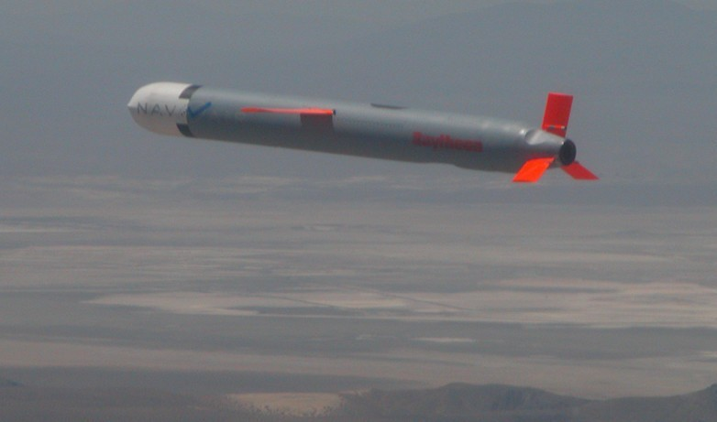
Tactical Tomahawk RGM-109E/UGM-109E Missile (TACTOM)
As of FY 2017 President's Budget
Defense Acquisition Management Information Retrieval
(DAMIR)

Table 10
Schedule
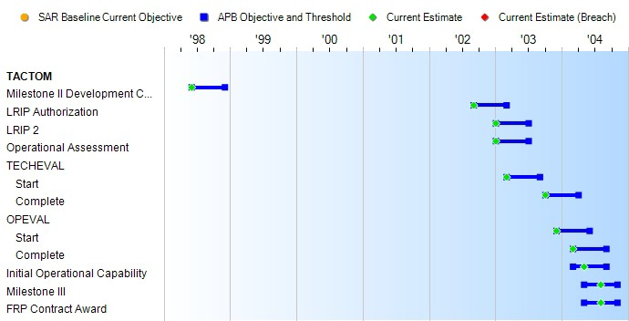
Schedule Events
Events | SAR Baseline Production Estimate | Current APB Production Objective/Threshold |  | Current Estimate
Milestone II Development Contract Award | Jun 1998 | Jun 1998 | Dec 1998 | Jun 1998
LRIP Authorization | Sep 2002 | Sep 2002 | Mar 2003 | Sep 2002
LRIP 2 | Jan 2003 | Jan 2003 | Jul 2003 | Jan 2003
Operational Assessment | Jan 2003 | Jan 2003 | Jul 2003 | Jan 2003
TECHEVAL
Start | Mar 2003 | Mar 2003 | Sep 2003 | Mar 2003
Complete | Oct 2003 | Oct 2003 | Apr 2004 | Oct 2003
OPEVAL
Start | Dec 2003 | Dec 2003 | Jun 2004 | Dec 2003
Complete | Mar 2004 | Mar 2004 | Sep 2004 | Mar 2004
Initial Operational Capability | Mar 2004 | Mar 2004 | Sep 2004 | May 2004
Milestone III | May 2004 | May 2004 | Nov 2004 | Aug 2004
FRP Contract Award | May 2004 | May 2004 | Nov 2004 | Aug 2004

Table 23
Unit Cost History
Item |  |  |  |  |  |  |  | Date |  |  |  |  | BY 1999 $M |  |  |  |  |  |  | TY $M
 |  |  |  |  |  |  |  |  |  |  |  |  | PAUC |  | APUC |  |  |  |  | PAUC |  |  |  | APUC

Original APB |  |  |  |  | Sep 1999 |  |  |  |  |  |  |  | 1.233 |  |  |  | 0.856 |  |  |  | 1.365 |  |  |  | 0.984
APB as of January 2006 |  |  |  |  | Apr 2005 |  |  |  |  |  |  |  | 1.076 |  |  |  | 0.913 |  |  |  | 1.237 |  |  |  | 1.069
Revised Original APB |  |  |  |  | N/A |  |  |  |  |  |  |  | N/A |  |  |  | N/A |  |  |  | N/A |  |  |  | N/A
Prior APB |  |  |  |  | Apr 2005 |  |  |  |  |  |  |  | 1.076 |  |  |  | 0.913 |  |  |  | 1.237 |  |  |  | 1.069
Current APB |  |  |  |  | Apr 2011 |  |  |  |  |  |  |  | 1.166 |  |  |  | 1.049 |  |  |  | 1.453 |  |  |  | 1.333
Prior Annual SAR |  |  |  |  | Dec 2014 |  |  |  |  |  |  |  | 1.140 |  |  |  | 0.991 |  |  |  | 1.380 |  |  |  | 1.222
Current Estimate |  |  |  |  | Dec 2015 |  |  |  |  |  |  |  | 1.213 |  |  |  | 1.068 |  |  |  | 1.513 |  |  |  | 1.359
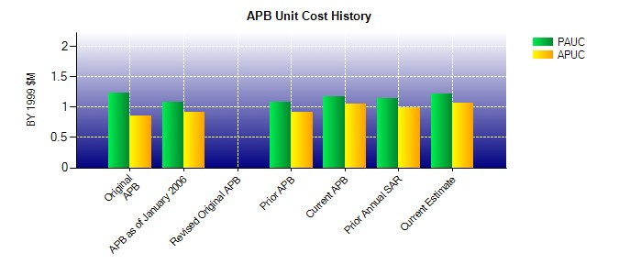
SAR Unit Cost History
Initial SAR Baseline to Current SAR Baseline (TY $M)
Initial PAUC Development Estimate | Changes |  |  |  |  |  |  |  |  |  |  |  |  |  |  |  |  |  |  |  |  |  | PAUC Production Estimate
 | Econ |  | Qty |  |  | Sch |  |  | Eng |  | Est |  |  | Oth |  | Spt |  |  | Total
1.365 -0.015 0.324 0.117 0.000 -0.716 0.000 0.104 -0.186 1.179
Current SAR Baseline to Current Estimate (TY $M)
PAUC Production Estimate |  | Changes |  |  |  |  |  |  |  |  |  |  |  |  |  |  |  |  |  |  |  | PAUC Current Estimate
 |  | Econ |  | Qty |  |  | Sch |  |  | Eng |  | Est |  | Oth | Spt |  |  | Total
1.179 0.025 -0.173 0.062 0.016 0.388 0.000 0.016 0.334 1.513

