Table 1

Selected Acquisition Report (SAR)
RCS: DD-A&T(Q&A)823-180
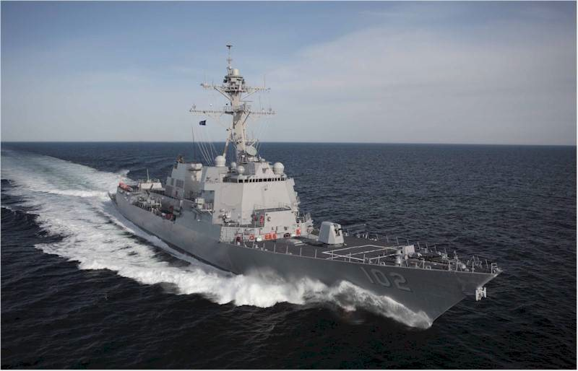
DDG 51 Arleigh Burke Class Guided Missile Destroyer (DDG 51)
As of FY 2017 President's Budget
Defense Acquisition Management Information Retrieval
(DAMIR)

Table 33
Unit Cost History
Item |  |  |  | Date |  |  | BY 1987 $M |  |  |  |  | TY $M
 |  |  |  |  |  |  | PAUC |  | APUC |  |  | PAUC |  |  |  | APUC

Original APB |  |  | Feb 1988 |  |  |  | 727.122 |  |  | 684.578 |  |  |  | 883.152 |  |  | 843.209
APB as of January 2006 |  |  | Aug 2002 |  |  |  | 766.675 |  |  | 725.342 |  |  |  | 1031.612 |  |  | 981.022
Revised Original APB |  |  | N/A |  |  |  | N/A |  |  | N/A |  |  |  | N/A |  |  | N/A
Prior APB |  |  | Mar 2010 |  |  |  | 796.555 |  |  | 759.297 |  |  |  | 1131.565 |  |  | 1085.962
Current APB |  |  | May 2011 |  |  |  | 802.161 |  |  | 761.273 |  |  |  | 1178.841 |  |  | 1125.567
Prior Annual SAR |  |  | Dec 2014 |  |  |  | 773.601 |  |  | 732.151 |  |  |  | 1199.116 |  |  | 1142.216
Current Estimate |  |  | Dec 2015 |  |  |  | 777.220 |  |  | 736.159 |  |  |  | 1242.401 |  |  | 1185.014
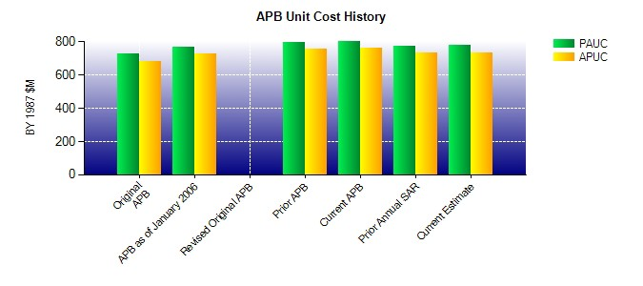
SAR Unit Cost History
Current SAR Baseline to Current Estimate (TY $M)
Initial PAUC Production Estimate | Changes |  |  |  |  |  |  |  |  |  |  |  |  |  | PAUC Current Estimate
 | Econ | Qty |  |  | Sch | Eng |  | Est | Oth |  | Spt |  | Total
874.674 -38.084 105.995 22.766 92.433 184.617 0.000 0.000 367.727 1242.401
Current SAR Baseline to Current Estimate (TY $M)
Initial APUC Production Estimate | Changes |  |  |  |  |  |  |  |  |  |  |  |  |  | APUC Current Estimate
 | Econ | Qty |  |  | Sch | Eng |  | Est | Oth |  | Spt |  | Total
833.613 -36.674 136.075 21.081 74.631 156.288 0.000 0.000 351.401 1185.014

