Table 1

Selected Acquisition Report (SAR)
RCS: DD-A&T(Q&A)823-202
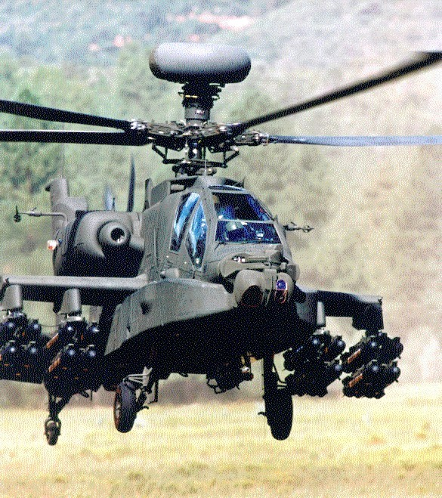
AB3A REMANUFACTURE
As of December 31, 2011
Defense Acquisition Management Information Retrieval
(DAMIR)

Table 7
Schedule

Milestones | SAR Baseline Prod Est | Current APB Production Objective/Threshold |  | Current Estimate
Milestone B | JUN 2006 | JUN 2006 | DEC 2006 | JUL 2006
Preliminary Design Review | APR 2007 | APR 2007 | OCT 2007 | APR 2007
Critical Design Review | JAN 2008 | JAN 2008 | JUL 2008 | JAN 2008
LUT | NOV 2009 | NOV 2009 | MAY 2010 | NOV 2009
Milestone C | JUL 2010 | JUL 2010 | JAN 2011 | SEP 2010
IOT&E | MAR 2012 | MAR 2012 | SEP 2012 | MAR 2012
FRP | JUL 2012 | JUL 2012 | JAN 2013 | JUL 2012
First Unit Equipped | NOV 2012 | NOV 2012 | MAY 2013 | NOV 2012
IOC | MAY 2013 | MAY 2013 | NOV 2013 | MAY 2013
Acronyms And Abbreviations
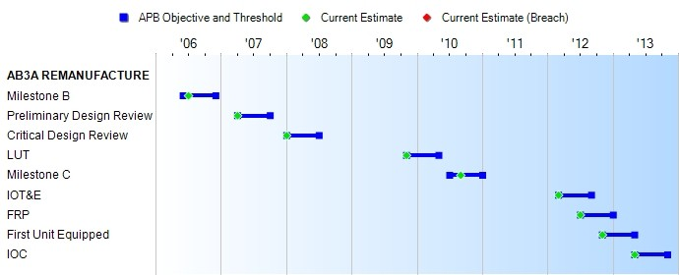
FRP - Full Rate Production
IOC - Initial Operating Capability
IOT&E - Initial Operational Test and Evaluation LUT - Limited User Test
Change Explanations
None

Table 20
Unit Cost History
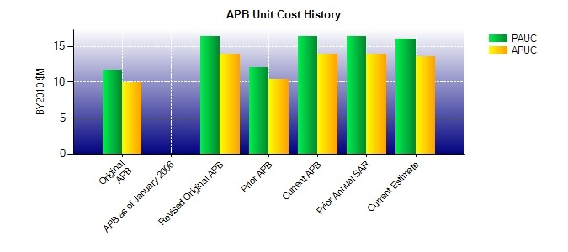
SAR Unit Cost History
Initial SAR Baseline to Current SAR Baseline (TY $M)
 |  |  |  |  |  |  |  |  |  |  | BY2010 $M |  |  |  |  |  |  | TY $M
 |  |  |  |  | Date |  |  |  |  |  | PAUC |  |  | APUC |  |  |  | PAUC |  |  | APUC
Original APB |  |  |  |  | AUG 2006 |  |  |  |  |  | 11.735 |  |  | 9.945 |  |  |  | 13.445 |  |  | 11.649
APB as of January 2006 |  |  |  |  | N/A |  |  |  |  |  | N/A |  |  | N/A |  |  |  | N/A |  |  | N/A
Revised Original APB |  |  |  |  | DEC 2010 |  |  |  |  |  | 16.383 |  |  | 13.970 |  |  |  | 18.618 |  |  | 16.139
Prior APB |  |  |  |  | JUN 2007 |  |  |  |  |  | 12.008 |  |  | 10.349 |  |  |  | 14.069 |  |  | 12.396
Current APB |  |  |  |  | DEC 2010 |  |  |  |  |  | 16.383 |  |  | 13.970 |  |  |  | 18.618 |  |  | 16.139
Prior Annual SAR |  |  |  |  | DEC 2010 |  |  |  |  |  | 16.358 |  |  | 13.968 |  |  |  | 18.612 |  |  | 16.158
Current Estimate |  |  |  |  | DEC 2011 |  |  |  |  |  | 16.040 |  |  | 13.626 |  |  |  | 18.730 |  |  | 16.229
Initial PAUC Dev Est | Changes |  |  |  |  |  |  |  |  |  |  |  |  |  |  |  |  |  |  | PAUC Prod Est
 | Econ |  | Qty |  |  | Sch |  | Eng |  | Est |  |  | Oth |  |  | Spt |  | Total
13.445 -0.626 -0.159 0.231 0.000 3.961 0.000 1.766 5.173 18.618
Current SAR Baseline to Current Estimate (TY $M)
PAUC Prod Est |  | Changes |  |  |  |  |  |  |  |  |  |  |  |  |  |  |  |  | PAUC Current Est
 |  | Econ |  | Qty |  | Sch | Eng |  | Est |  |  | Oth |  |  | Spt |  | Total
18.618 0.318 0.000 0.221 0.000 -0.343 0.000 -0.084 0.112 18.730

