Table 1

Selected Acquisition Report (SAR)
RCS: DD-A&T(Q&A)823-298
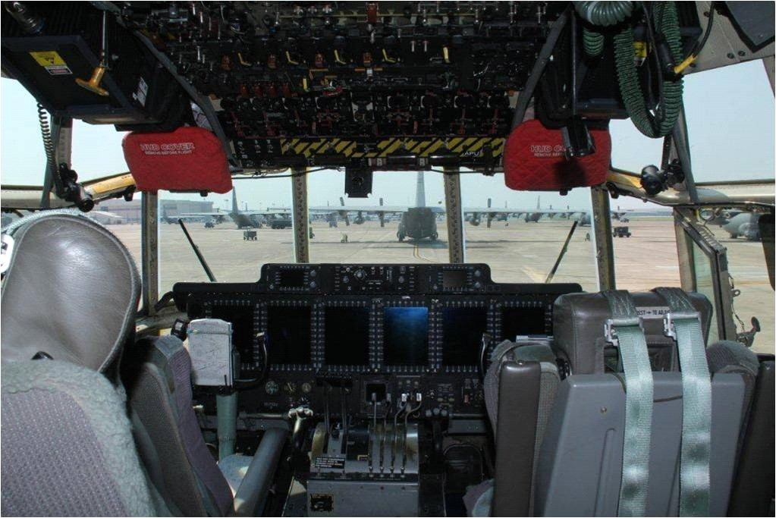
C-130 AMP
As of December 31, 2011
Defense Acquisition Management Information Retrieval
(DAMIR)

Table 25
Unit Cost History
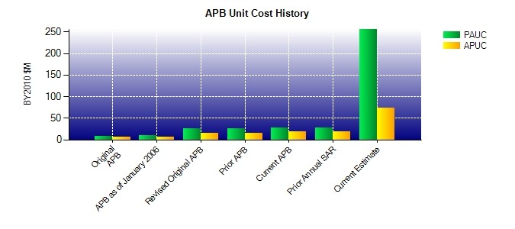
SAR Unit Cost History
Initial SAR Baseline to Current SAR Baseline (TY $M)
 |  |  |  |  |  |  |  |  |  |  |  | BY2010 $M |  |  |  |  |  |  | TY $M
 |  |  |  |  | Date |  |  |  |  |  |  | PAUC |  |  | APUC |  |  |  | PAUC |  |  | APUC
Original APB |  |  |  |  | JUL 2001 |  |  |  |  |  |  | 7.767 |  |  | 6.497 |  |  |  | 7.640 |  |  | 6.538
APB as of January 2006 |  |  |  |  | MAR 2003 |  |  |  |  |  |  | 9.662 |  |  | 7.201 |  |  |  | 9.376 |  |  | 7.208
Revised Original APB |  |  |  |  | FEB 2008 |  |  |  |  |  |  | 25.274 |  |  | 16.028 |  |  |  | 26.622 |  |  | 18.186
Prior APB |  |  |  |  | FEB 2008 |  |  |  |  |  |  | 25.274 |  |  | 16.028 |  |  |  | 26.622 |  |  | 18.186
Current APB |  |  |  |  | APR 2010 |  |  |  |  |  |  | 26.833 |  |  | 18.602 |  |  |  | 28.508 |  |  | 20.858
Prior Annual SAR |  |  |  |  | DEC 2010 |  |  |  |  |  |  | 27.330 |  |  | 19.006 |  |  |  | 29.211 |  |  | 21.451
Current Estimate |  |  |  |  | DEC 2011 |  |  |  |  |  |  | 255.178 |  |  | 72.883 |  |  |  | 244.400 |  |  | 76.350
Initial PAUC Dev Est | Changes |  |  |  |  |  |  |  |  |  |  |  |  |  |  |  |  |  |  |  | PAUC Prod Est
 | Econ |  | Qty |  |  | Sch |  | Eng |  |  | Est |  |  | Oth |  | Spt |  | Total
7.640 -1.393 5.276 1.385 0.351 13.620 0.000 1.629 20.868 28.508
Current SAR Baseline to Current Estimate (TY $M)
PAUC Prod Est |  | Changes |  |  |  |  |  |  |  |  |  |  |  |  |  |  |  |  |  | PAUC Current Est
 |  | Econ |  | Qty |  |  | Sch |  | Eng | Est |  |  | Oth |  | Spt |  | Total
28.508 7.744 238.670 -5.989 0.722 -10.433 0.000 -14.822 215.892 244.400

